Instructions
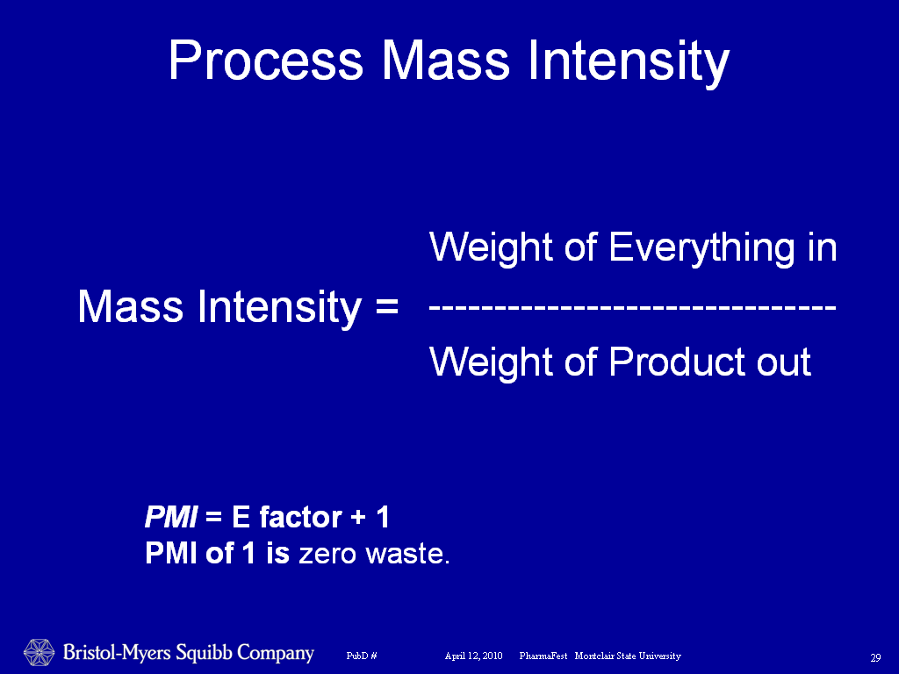
 | Process Scorecard Instructions

 | Overview
 | The process scorecard is designed to facilitate the generation of the process greenness score for a given process.

 | This workbook is divided into the following worksheets:

 | Input Sheets (Green Tabs):
 | 1. Input - This sheet is used to capture process information. See below for more details on entering a process
 | 2. Hazardous Reagents - This sheet is used to capture the hazardous reagents used within each step

 | Output Sheets:
 | 1. Greenness Score Card - contains overall and step greenness score card
 | 2. Overall Greenness Calcs - contains values used in generating the overall process greenness score card values

 | Calculation Sheets (Red Tabs) - Maybe hidden once configured
 | 1. Drop Down List - Populates drop down menus found in the input sheet. For each Menu item, there is a field for the Item, Associated score (if applicable), and display text for the item
 | 2. Step Calcs- performs calcualtions for the scorecard

 | Filling in the Input Sheet
 | Below is an explanation of each field in the input sheet. A step is defined as from an isolated product to the next isolated product. All values do not need to be filled in. If you do not have the information for a value, simply leave the cell blank (via delete
 | or backspace) as a value of 0 will be used in the calculation. No other information is required to calculate values for a single workbook.

 | Any field that contains a drop down menu is colored yellow on the input sheet.

 | Field | Description
 | Time Point in Development: | Enter point in development here. This value is used in header information and not used in any calculation

 | Location: | Enter whether this step will be run in house or outsourced. This value is not used in any calculation
 | Product Name: | Enter step product name here - put all product names in first
 | MW starting material | Enter molecular weight of the step starting material (limiting reagent)
 | MW product | Enter molecular weight of the step product
 | Next Step: | Choose the step that uses this step product as an input, for the final step select "Last Step" to indicate no further steps
 | Equivalents in next Step | Enter the equivalents of the step product used in the next step

# | Input
1 | Solvent(s) Used | Enter the kg/kg input for each category that is used within the step, for aqueous solutions include aqueous acids and bases here, for concentrated solutions ≥ 12 M include in the reagent section below. When acids or bases are used as solvents record here, when used as reagents record as reagent below.
 | Enter the total of the input charges for starting material and reagents | Add the total reagents needed for a 1 kg reaction (input) and also add 1 kg of the starting material. If two starting materials are used, use the limiting reagent as sm and the other as reagent. These values can all be taken from the actual amounts in the Symyx notebook material table or from a PFD.
2 | Solvent Recovery Percentage | Enter the theoretical or actual amount of solvent that could be recovered.
3 | Process Hazardous Waste (Liquid) kg/kg input | Only input if you need to correct the value to account for non-hazardous waste, otherwise, score assumes all waste is disposed of as hazardous waste.
 | Process Non-Hazardous Waste (Liquid) kg/kg input | Enter if aqueous waste is considered non-hazardous (treated and disposed ie manufacturing or enzymatic transformation)
4 | Solid Process Waste kg/kg output | Enter for solid wastes that must be disposed of, for example: solid by-products, silica, celite, carbon, carbon pads, resin, silicycle metal scavengers, note: standard cuno polish filtration is not counted
5 | Number of Unique Solvents Used | Number of Unique Solvents for the step
6 | Gaseous/Highly Volatile Byproducts/Excess Reagent Gases | If a process contains off-gassing, choose the off-gassed product from the drop down menu. If more then one chemical is off-gassed, choose the chemical with the lowest numerical value.
7 | Chemical Transformations | Enter the number of chemical transformations within a step (a step equals from an isolated intermediate to the next isolation so a 4 reaction telescope is 1 step with 4 transformations). If 2 ester groups are hydrolyzed on a molecule, this is 2 transformations. Formation of an activated intermediate does not count as a chemical transformation unless that intermediate is isolated.
8 | Number of Isolations | Enter the number of isolations within a step (For example crystallization and required recrystallization equals 2, also isolation of a free form and conversion to a salt is one transformation with 2 isolations)
9 | Step Yield (Molar %) | Enter the molar yield of the step
10 | Number of Hazardous Reagents Used | No value is input here. Instead, go to the Hazardous reagent sheet, and place a 1 by any listed hazardous reagent used in the step.
11 | Dust Explosion Potential | If dust explosion data is available, fill in the following fields:
 | Charge Dissipation | Choose the range from the drop down menu
 | Pressure rise rate (bar/sec) | Choose the range from the drop down menu (note MSDS may report mbar/sec)
 | Minimum Ignition Energy (millijoules) | Choose the range from the drop down menu
 | Kst Explosion Energy value (ST) | Choose the range from the drop down menu
12 | Process Hazards | Choose the process hazard description that most suits the step from the dropdown menu
13 | Environmental Issues/Biopersistent Materials | Choose the lowest numbered compound that is used in step from the dropdown menu
14 | Worker Exposure Issues (Occupational Exposure Bands) | Choose the lowest expsure control band for all the compounds used in the step from the dropdown menu
15 | PMI Info
 | Yield (mol%) (from Greenness #9) | No input is needed. If you are not entering process greenness information, you can enter a number here
 | Kg Reagents / Kg Product | Enter the kg/kg output for each category that is used within the step
 | Kg Organic solvents / Kg Product
 | Kg Aqueous solvents / Kg Product

