Figure S1
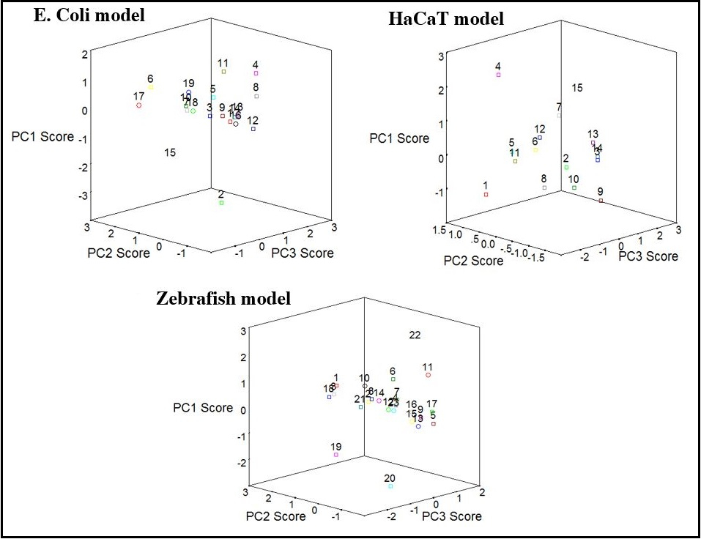
Figure S1 PCA score plot for single QSTR models

Figure S2
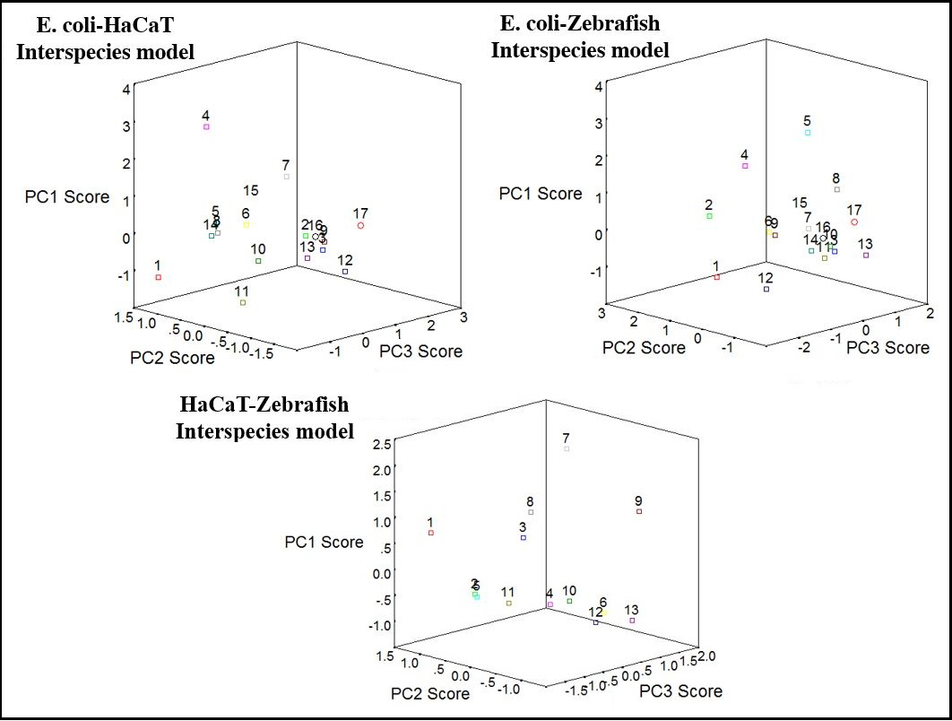
Figure S2 PCA score plot for Interspecies models

Figure S3
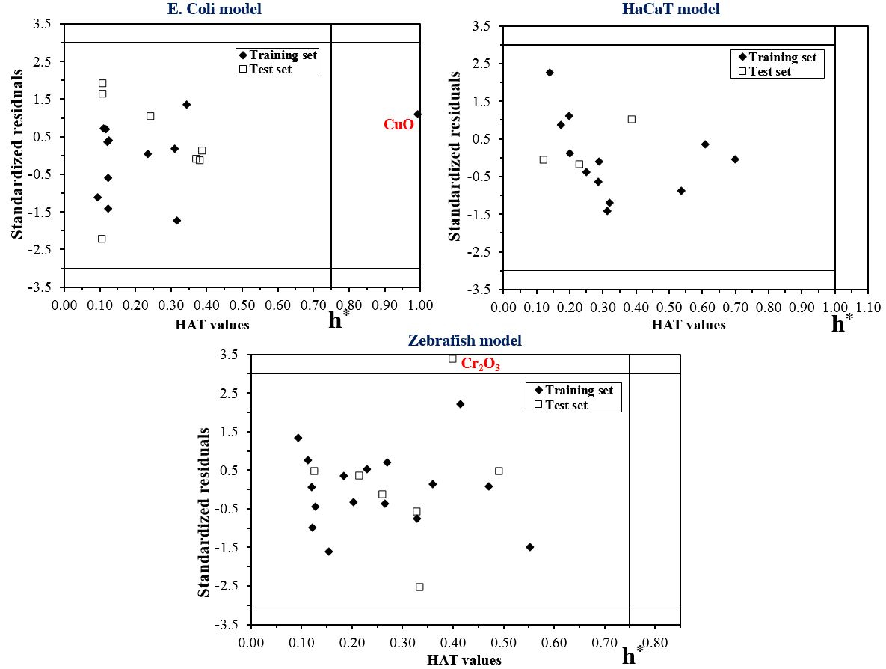
Figure S2 Williams Plot for Single models

Figure S4
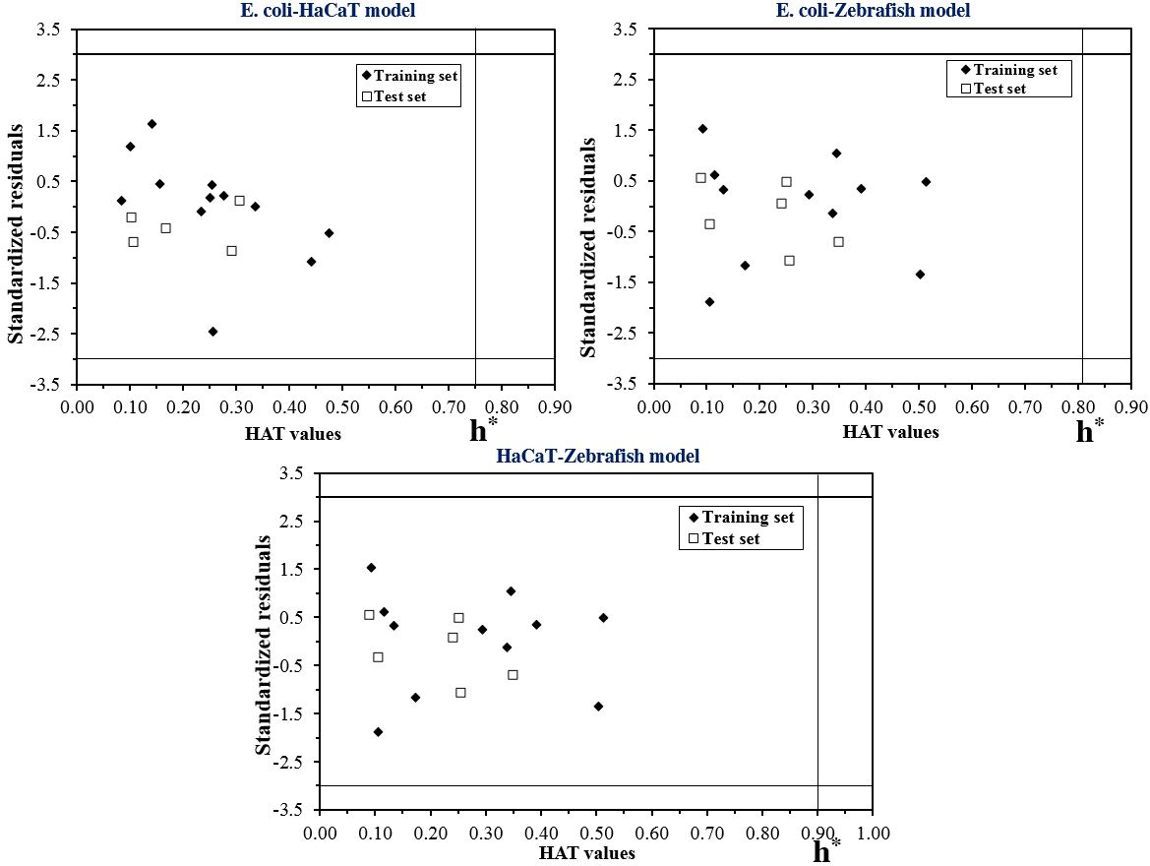
Figure S4 Williams Plot for Interspecies models

