Over-represented proteins
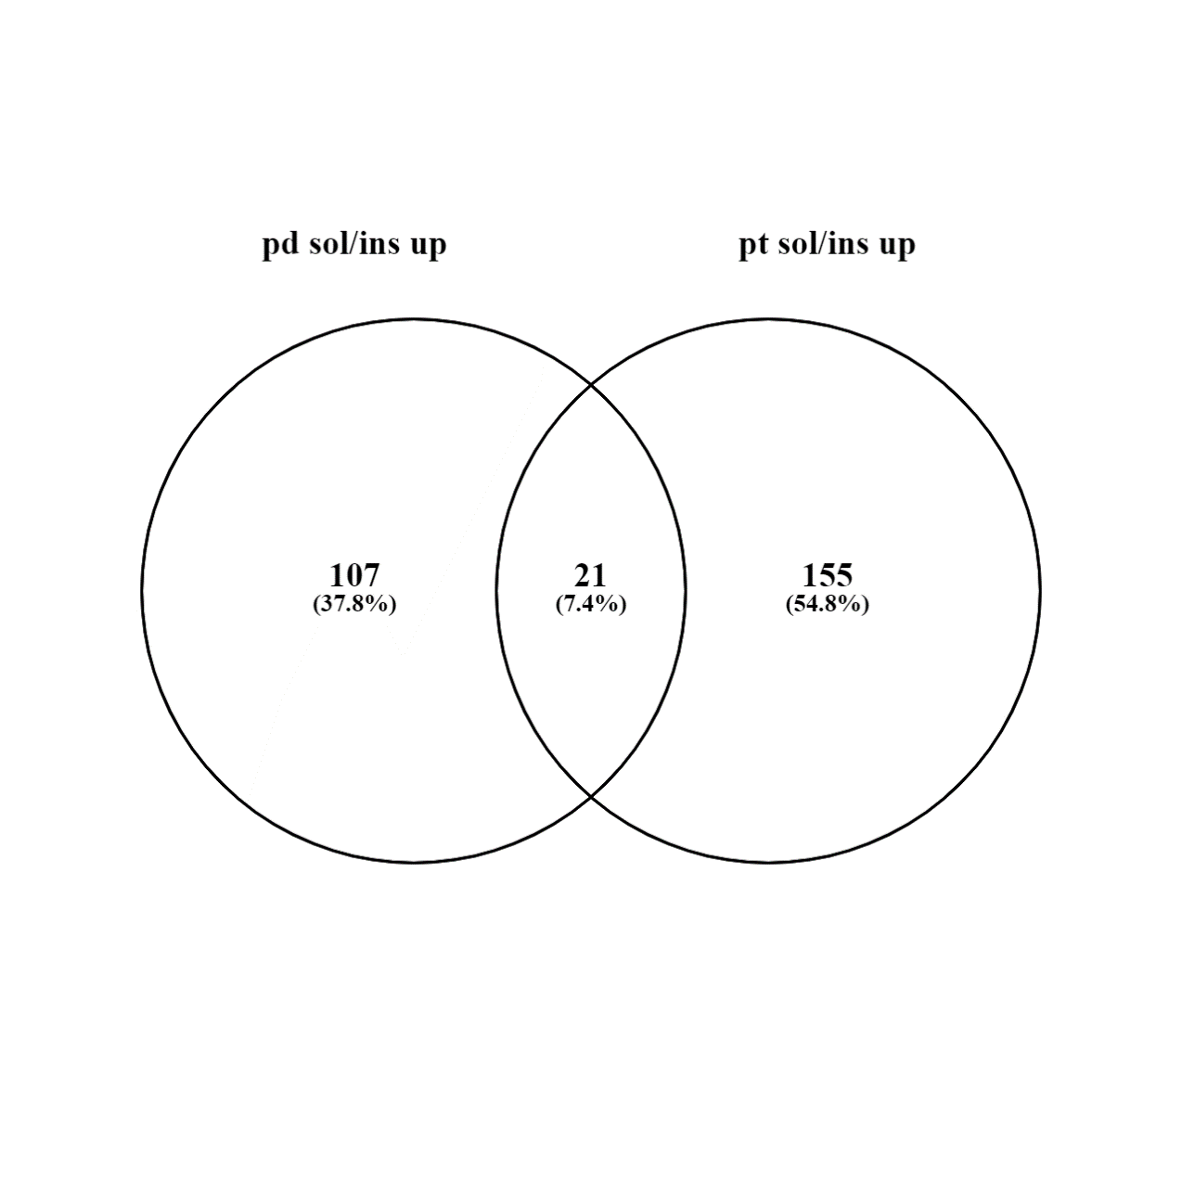

 | Pd-dppf-mpo over-represented soluble and insoluble proteins |  |  | Pt-dppf-mpo over-represented soluble and insoluble proteins

107 elements included exclusively in over-represented proteins in Pd-dppf-mpo |  | 21 common elements in over-represented proteins between Pd-dppf-mpo and Pt-dppf-mpo |  |  | 155 elements included exclusively in over-represented proteins in Pt-dppf-mpo
Gene ID | Description | Gene ID | Description |  | Gene ID | Description
TcCLB.509261.30 | 3,2-trans-enoyl-CoA isomerase, mitochondrial, putative | TcCLB.508465.110 | Acyl-CoA dehydrogenase, putative |  | TcCLB.507017.40 | 2-hydroxy-3-oxopropionate reductase, putative
TcCLB.509167.20 | 3-hydroxy-3-methylglutaryl coenzyme A reductase | TcCLB.503745.30 | Ascorbate-dependent peroxidase, putative |  | TcCLB.503935.20 | 2-oxoglutarate dehydrogenase, E2 component, dihydrolipoamide succinyltransferase, putative
TcCLB.504181.20 | 40S ribosomal protein S23, putative | TcCLB.510955.40 | Axoneme central apparatus protein, putative |  | TcCLB.506025.60 | 2-oxoglutarate dehydrogenase, E2 component, dihydrolipoamide succinyltransferase, putative
TcCLB.503801.20 | 40S ribosomal protein S26 | TcCLB.508277.370 | DNA topoisomerase 2 |  | TcCLB.511529.160 | 3-hydroxyisobutyryl-CoA hydrolase, mitochondrial
TcCLB.508197.10 | 60S ribosomal protein L11, putative | TcCLB.504163.50 | Fructose-bisphosphate aldolase |  | TcCLB.506885.400 | 40 kDa cyclophilin, putative
TcCLB.508153.280 | 60S ribosomal protein L13 | TcCLB.511211.220 | Heat shock protein 70, putative |  | TcCLB.511825.200 | 40S ribosomal protein L14, putative
TcCLB.506957.90 | 60S ribosomal protein L18a | TcCLB.507211.40 | Inosine-5'-monophosphate dehydrogenase |  | TcCLB.506577.54 | 60S ribosomal protein L6
TcCLB.508461.500 | 60S ribosomal protein L27A/L29, putative | TcCLB.511575.60 | Isocitrate dehydrogenase [NADP] |  | TcCLB.509717.20 | Acetyltransferase component of pyruvate dehydrogenase complex
TcCLB.509671.80 | 60S ribosomal protein L5, putative | TcCLB.511817.40 | NADH-cytochrome b5 reductase |  | TcCLB.507001.80 | Acyl-CoA dehydrogenase, putative
TcCLB.507519.110 | 60S ribosomal protein L7, putative | TcCLB.510039.40 | Nitrilase, putative |  | TcCLB.506195.80 | Adenylate kinase, putative
TcCLB.510835.40 | 60S ribosomal protein L7a, putative | TcCLB.506485.80 | Oxidoreductase, putative |  | TcCLB.508731.60 | Adenylosuccinate synthetase 2
TcCLB.508207.70 | Adenine phosphoribosyltransferase, putative | TcCLB.511383.50 | Prohibitin, putative |  | TcCLB.511511.170 | ADP-ribosylation factor-like protein, putative
TcCLB.503479.30 | Adenylate kinase, putative | TcCLB.510105.240 | Short chain 3-hydroxyacyl-coa dehydrogenase, putative |  | TcCLB.511497.19 | Amastin, putative (Fragment)
TcCLB.506587.40 | ATP-dependent DEAD/H RNA helicase, putative | TcCLB.507005.60 | Structural maintenance of chromosomes protein |  | TcCLB.511231.50 | Aminomethyltransferase
TcCLB.509153.90 | Bifunctional dihydrofolate reductase-thymidylate synthase | TcCLB.504109.90 | Ubiquitin carboxyl-terminal hydrolase |  | TcCLB.507241.30 | Arginine kinase, putative
TcCLB.509749.10 | Biotin/lipoate protein ligase, putative | TcCLB.506195.290 | Uncharacterized protein |  | TcCLB.506193.60 | Ascorbate-dependent peroxidase, putative
TcCLB.508293.90 | Elongation factor 1-gamma (EF-1-gamma), putative | TcCLB.509141.40 | Uncharacterized protein |  | TcCLB.511643.30 | Aspartate carbamoyltransferase, putative
TcCLB.511751.200 | Epsilon-adaptin, putative | TcCLB.506147.190 | Uncharacterized protein |  | TcCLB.507091.50 | Aspartate carbamoyltransferase, putative
TcCLB.510669.20 | Gim5A protein, putative | TcCLB.506481.20 | Uncharacterized protein |  | TcCLB.509937.20 | ATP-dependent (S)-NAD(P)H-hydrate dehydratase
TcCLB.511391.120 | Glutamamyl carboxypeptidase, putative | TcCLB.503959.78 | Uncharacterized protein (Fragment) |  | TcCLB.506795.44 | ATP-dependent (S)-NAD(P)H-hydrate dehydratase
TcCLB.509445.39 | Glutamate dehydrogenase, putative (Fragment) | TcCLB.507801.179 | Vesicle-associated membrane protein, putative |  | TcCLB.468941.9 | ATP-dependent DEAD/H RNA helicase, putative (Fragment)
TcCLB.511229.110 | Glycyl-tRNA synthetase, putative |  |  |  | TcCLB.506691.14 | ATP-dependent DEAD/H RNA helicase, putative (Fragment)
TcCLB.511323.40 | Histone H2A |  |  |  | TcCLB.511285.120 | ATP-dependent RNA helicase, putative
TcCLB.506625.60 | Inositol 5-phosphatase 1, putative |  |  |  | TcCLB.506213.120 | ATP-dependent RNA helicase, putative
TcCLB.507447.19 | Microtubule-associated protein, putative (Fragment) |  |  |  | TcCLB.508999.220 | Calpain cysteine peptidase, putative
TcCLB.506203.129 | Mitochondrial DNA-directed RNA polymerase, putative (Fragment) |  |  |  | TcCLB.509003.40 | Calpain-like cysteine peptidase, putative
TcCLB.511181.50 | Mitochondrial processingptidase, beta subunit, putative |  |  |  | TcCLB.504153.160 | Carboxypeptidase, putative
TcCLB.511233.100 | Nudix hydrolase, putative |  |  |  | TcCLB.511025.70 | Chaperonin alpha subunit, putative
TcCLB.506989.160 | Peroxisomal targeting signal type 2 receptor, putative |  |  |  | TcCLB.506247.50 | Chaperonin, putative
TcCLB.510431.250 | Phosphoribosylpyrophosphate synthetase, putative |  |  |  | TcCLB.509859.80 | Coronin
TcCLB.509489.29 | Proteasome regulatory non-ATP-ase subunit, putative (Fragment) |  |  |  | TcCLB.511827.100 | Cysteine peptidase C (CPC), putative
TcCLB.504069.53 | Proteasome subunit alpha type |  |  |  | TcCLB.509719.40 | Cytochrome P450, putative
TcCLB.511145.43 | Proteasome subunit alpha type |  |  |  | TcCLB.506945.190 | Cytochrome p450-like protein, putative
TcCLB.506885.350 | Proteasome subunit alpha type |  |  |  | TcCLB.511025.110 | Dihydrolipoyl dehydrogenase
TcCLB.508445.10 | Rab11B GTPase, putative |  |  |  | TcCLB.507089.270 | Dihydrolipoyl dehydrogenase
TcCLB.509735.120 | Retrotransposon hot spot (RHS) protein, putative |  |  |  | TcCLB.506445.60 | DNA topoisomerase 2
TcCLB.506405.149 | Ribosomal protein L21E (60S), putative |  |  |  | TcCLB.509203.70 | DNA topoisomerase 2
TcCLB.504105.94 | Ribosomal protein S25, putative |  |  |  | TcCLB.506493.80 | DNA topoisomerase IA, putative
TcCLB.506977.49 | Ribosomal proteins L36, putative |  |  |  | TcCLB.509951.49 | DNA-directed RNA polymerase II subunit 2, putative (Fragment)
TcCLB.510755.120 | RNA-binding protein, putative |  |  |  | TcCLB.509543.50 | DNAK protein, putative (Fragment)
TcCLB.509317.60 | RNA-binding protein, putative |  |  |  | TcCLB.509585.10 | Dynein heavy chain, putative (Fragment)
TcCLB.511621.50 | RNA-binding protein, putative |  |  |  | TcCLB.402863.9 | Dynein heavy chain, putative (Fragment)
TcCLB.507897.30 | Serine/threonine-protein kinase A, putative |  |  |  | TcCLB.506829.100 | Fatty acyl CoA syntetase 1, putative
TcCLB.508805.80 | Short chain dehydrogenase, putative |  |  |  | TcCLB.510151.10 | Fatty acyl CoA syntetase 1, putative (Fragment)
TcCLB.511407.60 | Small GTP-binding protein Rab11, putative |  |  |  | TcCLB.510943.33 | Fatty acyl CoA synthetase, putative
TcCLB.511389.150 | Thiolase protein-like protein, putative |  |  |  | TcCLB.507669.10 | Fumarate hydratase, putative
TcCLB.508303.65 | Thioredoxin-like protein, putative |  |  |  | TcCLB.511727.300 | GDP-L-fucose synthetase, putative
TcCLB.509065.124 | U6 snRNA-associated Sm-like protein LSm5p |  |  |  | TcCLB.510187.100 | Glucokinase 1, putative
TcCLB.510357.70 | Ubiquinone biosynthesis protein COQ4 homolog 1, mitochondrial |  |  |  | TcCLB.506953.49 | Glucose-6-phosphate 1-dehydrogenase, putative (Fragment)
TcCLB.506479.20 | Uncharacterized protein |  |  |  | TcCLB.506943.50 | Glyceraldehyde-3-phosphate dehydrogenase
TcCLB.506511.20 | Uncharacterized protein |  |  |  | TcCLB.506925.470 | Heat shock protein DnaJ, putative
TcCLB.507649.10 | Uncharacterized protein |  |  |  | TcCLB.504431.64 | High mobility group protein, putative
TcCLB.506791.50 | Uncharacterized protein |  |  |  | TcCLB.506247.220 | Histidine ammonia-lyase
TcCLB.508813.60 | Uncharacterized protein |  |  |  | TcCLB.505931.50 | Histone H3, putative
TcCLB.509601.100 | Uncharacterized protein |  |  |  | TcCLB.511301.110 | Inosine-5'-monophosphate dehydrogenase
TcCLB.506337.180 | Uncharacterized protein |  |  |  | TcCLB.509797.40 | Isoleucyl-tRNA synthetase, putative
TcCLB.511367.129 | Uncharacterized protein |  |  |  | TcCLB.504427.260 | Kinesin-like protein
TcCLB.511393.49 | Uncharacterized protein |  |  |  | TcCLB.508719.40 | Kinetoplast DNA-associated protein, putative
TcCLB.506977.60 | Uncharacterized protein |  |  |  | TcCLB.510353.10 | Major vault protein
TcCLB.508547.180 | Uncharacterized protein |  |  |  | TcCLB.510105.250 | Membrane-bound acid phosphatase 2, putative
TcCLB.506401.190 | Uncharacterized protein |  |  |  | TcCLB.510105.210 | Mitochondrial ATP-dependent zinc metallopeptidase, putative
TcCLB.507993.70 | Uncharacterized protein |  |  |  | TcCLB.504033.90 | Mitochondrial carrier protein, putative
TcCLB.511801.30 | Uncharacterized protein |  |  |  | TcCLB.506491.20 | Myosin heavy chain, putative (Fragment)
TcCLB.511573.20 | Uncharacterized protein |  |  |  | TcCLB.506821.210 | NADH-cytochrome b5 reductase
TcCLB.506691.80 | Uncharacterized protein |  |  |  | TcCLB.510215.10 | NADH-dependent fumarate reductase, putative
TcCLB.509247.30 | Uncharacterized protein |  |  |  | TcCLB.503849.60 | NADH-dependent fumarate reductase, putative
TcCLB.510089.110 | Uncharacterized protein |  |  |  | TcCLB.503467.9 | NADH-dependent fumarate reductase, putative (Fragment)
TcCLB.503781.90 | Universal minicircle sequence binding protein (UMSBP), putative |  |  |  | TcCLB.504425.60 | NADP-dependent alcohol hydrogenase, putative
TcCLB.509167.100 | Valyl-tRNA synthetase, putative |  |  |  | TcCLB.508677.80 | NADP-dependent alcohol hydrogenase, putative
TcCLB.509701.10 | Trifunctional enzyme alpha subunit, mitochondrial-like protein, putative (Fragment) |  |  |  | TcCLB.509979.150 | Nitrilase, putative
TcCLB.508719.70 | Uncharacterized protein |  |  |  | TcCLB.507583.20 | Nucleolar protein, putative
TcCLB.503577.20 | U2 splicing auxiliary factor, putative |  |  |  | TcCLB.506229.50 | Nucleoside phosphatase, putative
TcCLB.507919.10 | Surface protease GP63, putative |  |  |  | TcCLB.422189.10 | Nucleoside phosphatase, putative (Fragment)
TcCLB.506861.30 | 40S ribosomal protein L14, putative |  |  |  | TcCLB.509053.70 | p22 protein, putative
TcCLB.510187.160 | Developmentally regulated GTP-binding protein, putative |  |  |  | TcCLB.506585.70 | p450 reductase, putative
TcCLB.506155.30 | Kinesin-like protein, putative |  |  |  | TcCLB.509215.40 | Peptidyl-prolyl cis-trans isomerase
TcCLB.506315.50 | 60S ribosomal protein L13a, putative |  |  |  | TcCLB.508897.110 | Peptidylprolyl isomerase
TcCLB.510101.330 | Uncharacterized protein |  |  |  | TcCLB.508479.230 | Peroxin-2, putative
TcCLB.508981.39 | Trifunctional enzyme alpha subunit, mitochondrial-like protein (Fragment) |  |  |  | TcCLB.511277.210 | Peroxisomal enoyl-coa hydratase, putative
TcCLB.503635.59 | 40S ribosomal protein S3a-1 |  |  |  | TcCLB.508613.30 | Peroxisomal membrane protein 4, putative
TcCLB.503715.10 | Splicing factor TSR1, putative |  |  |  | TcCLB.511419.40 | Phosphoglycerate kinase
TcCLB.508153.490 | Peptidyl-prolyl cis-trans isomerase |  |  |  | TcCLB.505999.100 | Phosphoglycerate kinase
TcCLB.507765.110 | Uncharacterized protein |  |  |  | TcCLB.506945.20 | Phosphoglycerate kinase
TcCLB.508647.220 | Uncharacterized protein |  |  |  | TcCLB.505999.90 | Phosphoglycerate kinase
TcCLB.509979.70 | Uncharacterized protein |  |  |  | TcCLB.504153.20 | Phosphoglycerate kinase
TcCLB.510359.330 | Uncharacterized protein |  |  |  | TcCLB.509261.10 | p-nitrophenylphosphatase, putative
TcCLB.503819.10 | Uncharacterized protein |  |  |  | TcCLB.511469.70 | Prohibitin, putative
TcCLB.507817.80 | 5'-3' exonuclease XNRA, putative (Fragment) |  |  |  | TcCLB.506247.230 | Prolyl oligopeptidase, putative
TcCLB.504017.40 | Aminomethyltransferase |  |  |  | TcCLB.511287.49 | Prostaglandin F synthase
TcCLB.511909.60 | Uncharacterized protein |  |  |  | TcCLB.509505.10 | Protein disulfide isomerase, putative (Fragment)
TcCLB.511071.130 | Basal body component, putative |  |  |  | TcCLB.507611.370 | Protein disulfide-isomerase
TcCLB.509011.20 | DNA-directed RNA polymerase subunit |  |  |  | TcCLB.508215.9 | Protein kinase C substrate protein, heavy chain, putative
TcCLB.510667.10 | Uncharacterized protein |  |  |  | TcCLB.508387.20 | Purine nucleoside phosphorylase
TcCLB.506627.20 | Uncharacterized protein |  |  |  | TcCLB.506789.280 | Purine nucleoside phosphorylase
TcCLB.508507.40 | Uncharacterized protein |  |  |  | TcCLB.509059.50 | Pyridoxal kinase, putative
TcCLB.507649.20 | Uncharacterized protein |  |  |  | TcCLB.510091.80 | Pyruvate dehydrogenase E1 beta subunit, putative
TcCLB.506543.40 | Uncharacterized protein |  |  |  | TcCLB.510759.120 | Reiske iron-sulfur protein, putative
TcCLB.509631.60 | Dispersed gene family protein 1 (DGF-1), putative |  |  |  | TcCLB.509219.20 | Retrotransposon hot spot (RHS) protein, putative
TcCLB.510579.30 | Pescadillo homolog |  |  |  | TcCLB.506139.200 | Retrotransposon hot spot (RHS) protein, putative
TcCLB.507073.40 | Uncharacterized protein |  |  |  | TcCLB.508319.40 | RNA helicase, putative
TcCLB.507927.100 | Uncharacterized protein |  |  |  | TcCLB.506211.70 | RNA-binding protein, putative
TcCLB.506275.50 | Golgi SNARE protein-like, putative |  |  |  | TcCLB.506777.80 | Seryl-tRNA synthetase, putative
TcCLB.506315.60 | Uncharacterized protein |  |  |  | TcCLB.509717.90 | Short chain 3-hydroxyacyl-coa dehydrogenase, putative
TcCLB.507517.50 | Uncharacterized protein |  |  |  | TcCLB.511649.70 | Structural maintenance of chromosomes protein
TcCLB.506249.60 | 40S ribosomal protein S8, putative |  |  |  | TcCLB.508479.340 | Succinate--CoA ligase [ADP-forming] subunit alpha, mitochondrial
TcCLB.506937.40 | Dynein heavy chain, putative (Fragment) |  |  |  | TcCLB.508445.20 | Superoxide dismutase
TcCLB.504109.80 | Uncharacterized protein |  |  |  | TcCLB.504003.60 | T-complex protein 1 subunit gamma
 |  |  |  |  | TcCLB.503555.30 | Trypanothione reductase, putative
 |  |  |  |  | TcCLB.507259.10 | Tryparedoxin peroxidase, putative
 |  |  |  |  | TcCLB.508737.210 | Uncharacterized protein
 |  |  |  |  | TcCLB.511303.150 | Uncharacterized protein
 |  |  |  |  | TcCLB.511737.10 | Uncharacterized protein
 |  |  |  |  | TcCLB.508955.20 | Uncharacterized protein
 |  |  |  |  | TcCLB.508153.1050 | Uncharacterized protein
 |  |  |  |  | TcCLB.511421.200 | Uncharacterized protein
 |  |  |  |  | TcCLB.509033.80 | Uncharacterized protein
 |  |  |  |  | TcCLB.506303.80 | Uncharacterized protein
 |  |  |  |  | TcCLB.504741.240 | Uncharacterized protein
 |  |  |  |  | TcCLB.511211.110 | Uncharacterized protein
 |  |  |  |  | TcCLB.508299.20 | Uncharacterized protein
 |  |  |  |  | TcCLB.503991.10 | Uncharacterized protein
 |  |  |  |  | TcCLB.509551.70 | Uncharacterized protein
 |  |  |  |  | TcCLB.506931.20 | Uncharacterized protein
 |  |  |  |  | TcCLB.509791.140 | Uncharacterized protein
 |  |  |  |  | TcCLB.506865.50 | Uncharacterized protein
 |  |  |  |  | TcCLB.506835.10 | Uncharacterized protein
 |  |  |  |  | TcCLB.511901.30 | Uncharacterized protein
 |  |  |  |  | TcCLB.511859.70 | Uncharacterized protein
 |  |  |  |  | TcCLB.510879.210 | Uncharacterized protein
 |  |  |  |  | TcCLB.509671.110 | Uncharacterized protein
 |  |  |  |  | TcCLB.511807.190 | Uncharacterized protein
 |  |  |  |  | TcCLB.510357.130 | Uncharacterized protein
 |  |  |  |  | TcCLB.506753.230 | Uncharacterized protein
 |  |  |  |  | TcCLB.503479.70 | Uncharacterized protein
 |  |  |  |  | TcCLB.508045.70 | Uncharacterized protein
 |  |  |  |  | TcCLB.510099.20 | Uncharacterized protein
 |  |  |  |  | TcCLB.511003.30 | Uncharacterized protein
 |  |  |  |  | TcCLB.511295.50 | Uncharacterized protein
 |  |  |  |  | TcCLB.508727.50 | Uncharacterized protein
 |  |  |  |  | TcCLB.507949.250 | Uncharacterized protein
 |  |  |  |  | TcCLB.506041.20 | Uncharacterized protein
 |  |  |  |  | TcCLB.411427.30 | Uncharacterized protein
 |  |  |  |  | TcCLB.511309.70 | Uncharacterized protein
 |  |  |  |  | TcCLB.507081.120 | Uncharacterized protein
 |  |  |  |  | TcCLB.508839.80 | Uncharacterized protein
 |  |  |  |  | TcCLB.508711.40 | Uncharacterized protein
 |  |  |  |  | TcCLB.506739.170 | Uncharacterized protein
 |  |  |  |  | TcCLB.511639.20 | Uncharacterized protein
 |  |  |  |  | TcCLB.509437.70 | Uncharacterized protein
 |  |  |  |  | TcCLB.508397.40 | Uncharacterized protein
 |  |  |  |  | TcCLB.509429.120 | Uncharacterized protein
 |  |  |  |  | TcCLB.503511.10 | Uncharacterized protein
 |  |  |  |  | TcCLB.506559.500 | Uncharacterized protein
 |  |  |  |  | TcCLB.511519.9 | Uncharacterized protein (Fragment)
 |  |  |  |  | TcCLB.511209.10 | Vacuolar ATP synthase subunit B, putative

Under-represented proteins
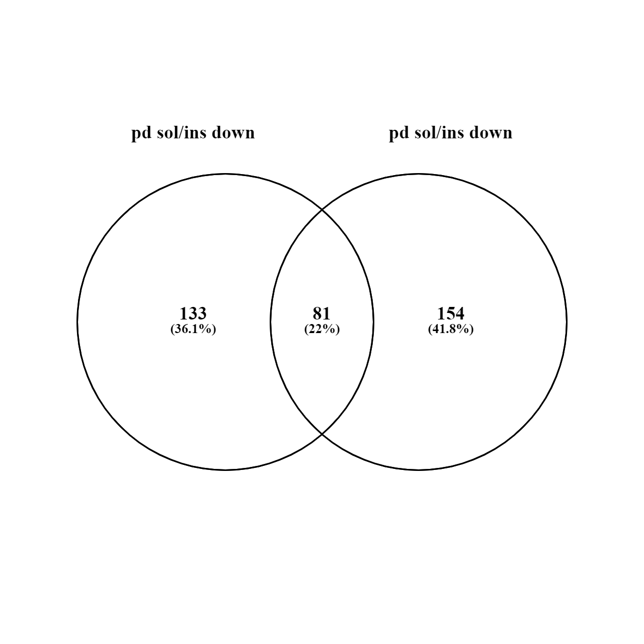

 | Pd-dppf-mpo under-represented soluble and insoluble proteins |  |  | Pt-dppf-mpo under-represented soluble and insoluble proteins

133 elements included exclusively in under-represented proteins in Pd-dppf-mpo |  | 81 common elements in under-represented proteins between Pd-dppf-mpo and Pt-dppf-mpo |  |  | 154 elements included exclusively in under-represented proteins in Pt-dppf-mpo
Gene ID | Description | Gene ID | Description |  | Gene ID | Description
TcCLB.506413.20 | 40S ribosomal protein S33, putative | TcCLB.507671.30 | 25 kDa translation elongation factor 1-beta |  | TcCLB.503793.10 | #REF!
TcCLB.510663.19 | 60S ribosomal subunit protein L31, putative | TcCLB.510943.80 | ABC transporter, putative |  | TcCLB.457251.10 | #REF!
TcCLB.507099.80 | ABC transporter, putative | TcCLB.504867.20 | ABC transporter, putative |  | TcCLB.508231.20 | #REF!
TcCLB.510149.80 | ABC transporter, putative | TcCLB.510105.170 | Acetyltransferase component of pyruvate dehydrogenase complex |  | TcCLB.503395.50 | #REF!
TcCLB.511021.70 | ABC transporter, putative | TcCLB.509717.20 | Acetyltransferase component of pyruvate dehydrogenase complex |  | TcCLB.507817.80 | #REF!
TcCLB.509331.200 | ABC transporter, putative | TcCLB.508831.120 | Acetyltransferase, putative |  | TcCLB.509165.40 | #REF!
TcCLB.504057.140 | ADP/ATP mitochondrial carrier protein, putative | TcCLB.507585.10 | Amino acid transporter, putative |  | TcCLB.504121.39 | #REF!
TcCLB.511249.10 | ADP/ATP mitochondrial carrier protein, putative | TcCLB.506945.240 | ATP synthase, epsilon chain, putative |  | TcCLB.504121.30 | #REF!
TcCLB.508153.60 | Aminopeptidase | TcCLB.510801.10 | Calpain-like cysteineptidase, putative (Fragment) |  | TcCLB.506579.10 | #REF!
TcCLB.511051.70 | Aminopeptidase, putative | TcCLB.506211.240 | Clathrin light chain |  | TcCLB.507241.39 | #REF!
TcCLB.504115.30 | Beta galactofuranosyl glycosyltransferase, putative | TcCLB.510687.149 | Coatomer alpha subunit, putative (Fragment) |  | TcCLB.508971.40 | #REF!
TcCLB.509749.10 | Biotin/lipoate protein ligase, putative | TcCLB.511529.68 | Cyclin-dependent kinases regulatory subunit |  | TcCLB.511867.140 | #REF!
TcCLB.509777.70 | Calcium-transporting ATPase | TcCLB.511907.200 | Cysteine peptidase inhibitor, putative |  | TcCLB.507519.140 | #REF!
TcCLB.509003.40 | Calpain-like cysteine peptidase, putative | TcCLB.504069.20 | Cytochrome C oxidase subunit VI, putative |  | TcCLB.506605.59 | #REF!
TcCLB.508675.29 | Calpain-like cysteine peptidase, putative | TcCLB.510307.330 | Dispersed gene family protein 1 (DGF-1), putative |  | TcCLB.510575.180 | #REF!
TcCLB.509597.20 | Carbonic anhydrase-like protein, putative | TcCLB.510607.80 | Dispersed gene family protein 1 (DGF-1), putative |  | TcCLB.509683.130 | #REF!
TcCLB.510761.60 | Casein kinase II, putative | TcCLB.508879.30 | Dynein heavy chain, putative |  | TcCLB.506691.14 | #REF!
TcCLB.503843.40 | Chaperone DnaJ protein, putative (Fragment) | TcCLB.508257.170 | Dynein heavy chain, putative |  | TcCLB.511313.40 | #REF!
TcCLB.511287.160 | Clathrin light chain | TcCLB.511725.180 | Dynein, putative |  | TcCLB.511717.170 | #REF!
TcCLB.511691.20 | Cystathionine beta-synthase | TcCLB.509445.30 | Farnesyl synthetase, putative |  | TcCLB.507483.50 | #REF!
TcCLB.508177.110 | Cystathionine beta-synthase | TcCLB.506829.100 | Fatty acyl CoA syntetase 1, putative |  | TcCLB.507483.30 | #REF!
TcCLB.508177.129 | Cystathionine beta-synthase, putative | TcCLB.510655.30 | Helicase, putative |  | TcCLB.505985.9 | #REF!
TcCLB.510381.10 | Cystathionine beta-synthase, putative | TcCLB.509693.80 | Hypoxanthine-guanine phosphoribosyltransferase, putative |  | TcCLB.506721.30 | #REF!
TcCLB.509401.30 | Cysteine peptidase, putative | TcCLB.510315.10 | Inosine-adenosine-guanosine-nucleoside hydrolase, putative |  | TcCLB.508323.60 | #REF!
TcCLB.507949.4 | Cytidine triphosphate synthase, putative (Fragment) | TcCLB.508895.80 | Intraflagellar transport protein component, putative |  | TcCLB.506167.50 | #REF!
TcCLB.506263.20 | D-isomer specific 2-hydroxyacid dehydrogenase-protein, putative | TcCLB.508153.330 | Katanin-like protein, putative |  | TcCLB.503581.39 | #REF!
TcCLB.511381.40 | DNA-directed RNA polymerase I largest subunit, putative | TcCLB.506211.114 | Kinesin-like protein |  | TcCLB.506753.110 | #REF!
TcCLB.504203.60 | DNA-J protein, putative (Fragment) | TcCLB.509247.50 | Methionyl-tRNA synthetase, putative |  | TcCLB.508651.20 | #REF!
TcCLB.506925.104 | Dynein light chain, putative | TcCLB.506203.129 | Mitochondrial DNA-directed RNA polymerase, putative (Fragment) |  | TcCLB.511145.10 | #REF!
TcCLB.511277.70 | Elongation factor TU, putative | TcCLB.506839.70 | NADH dehydrogenase, putative |  | TcCLB.510351.90 | #REF!
TcCLB.506661.30 | Elongation of fatty acids protein | TcCLB.504017.10 | Nascent polypeptide-associated complex subunit beta |  | TcCLB.506263.30 | #REF!
TcCLB.508041.60 | Eukaryotic release factor 3, putative | TcCLB.506247.70 | Nuclear pore complex protein (NUP155), putative |  | TcCLB.508277.370 | #REF!
TcCLB.503945.10 | Eukaryotic translation initiation factor 1A, putative (Fragment) | TcCLB.508173.180 | Nuclear transport factor 2 protein(NFT2), putative |  | TcCLB.509585.10 | #REF!
TcCLB.511391.120 | Glutamamyl carboxypeptidase, putative | TcCLB.507583.20 | Nucleolar protein, putative |  | TcCLB.508689.20 | #REF!
TcCLB.507669.150 | Glycosomal membrane protein, putative | TcCLB.507649.80 | Nucleolar RNA-binding protein, putative |  | TcCLB.506925.120 | #REF!
TcCLB.510877.180 | Glycosylphosphatidylinositol (GPI) anchor, putative | TcCLB.508405.30 | Phosphatase-like protein, putative |  | TcCLB.511287.150 | #REF!
TcCLB.503923.50 | Glycosylphosphatidylinositol (GPI) anchor, putative (Fragment) | TcCLB.503513.40 | Proteasome regulatory non-ATPase subunit 6, putative (Fragment) |  | TcCLB.510149.120 | #REF!
TcCLB.506135.9 | Heat shock 70 kDa protein, putative (Fragment) | TcCLB.509219.20 | Retrotransposon hot spot (RHS) protein, putative |  | TcCLB.506633.90 | #REF!
TcCLB.503721.39 | Heat shock 70 kDa protein, putative (Fragment) | TcCLB.507167.240 | Retrotransposon hot spot (RHS) protein, putative |  | TcCLB.506559.300 | #REF!
TcCLB.504427.260 | Kinesin-like protein | TcCLB.506327.90 | Serine/threonine protein kinase, putative |  | TcCLB.511025.50 | #REF!
TcCLB.509793.30 | Kinetoplast DNA-associated protein, putative | TcCLB.507897.30 | Serine/threonine-protein kinase A, putative |  | TcCLB.509445.39 | #REF!
TcCLB.505183.30 | Malic enzyme | TcCLB.507601.10 | Serine/threonine-protein phosphatase |  | TcCLB.508175.370 | #REF!
TcCLB.509551.30 | Mitochondrial phosphate transporter, putative | TcCLB.511189.80 | Small nuclear ribonucleoprotein SmD2, putative |  | TcCLB.510155.70 | #REF!
TcCLB.509229.80 | Mitochondrial processing peptidase alpha subunit, putative | TcCLB.508257.150 | Small nuclear ribonucleoprotein SmD3, putative |  | TcCLB.509233.80 | #REF!
TcCLB.506735.10 | Mitochondrial processing peptidase alpha subunit, putative | TcCLB.506573.30 | Tyrosyl or methionyl-tRNA synthetase, putative |  | TcCLB.506355.10 | #REF!
TcCLB.506755.260 | Mitochondrial RNA-binding protein 2, putative | TcCLB.509965.250 | Ubiquitin fusion degradation protein 2, putative |  | TcCLB.508323.100 | #REF!
TcCLB.510123.20 | Mitogen activated protein kinase, putative | TcCLB.510409.39 | Ubiquitin/ribosomal protein S27a, putative |  | TcCLB.506207.50 | #REF!
TcCLB.507609.60 | Myo-inositol-1-phosphate synthase, putative | TcCLB.503999.50 | Ubiquitin-conjugating enzyme-like, putative |  | TcCLB.509797.40 | #REF!
TcCLB.511527.70 | Myosin heavy chain, putative | TcCLB.509247.30 | Uncharacterized protein |  | TcCLB.507929.10 | #REF!
TcCLB.509617.20 | Paraflagellar rod protein 3, putative | TcCLB.507711.200 | Uncharacterized protein |  | TcCLB.506239.30 | #REF!
TcCLB.508461.140 | Polyadenylate-binding protein | TcCLB.506357.130 | Uncharacterized protein |  | TcCLB.511049.40 | #REF!
TcCLB.511635.40 | Protein tyrosine phosphatase, putative | TcCLB.504089.60 | Uncharacterized protein |  | TcCLB.510649.24 | #REF!
TcCLB.509759.19 | Pumilio/PUF RNA binding protein 1, putative (Fragment) | TcCLB.507093.300 | Uncharacterized protein |  | TcCLB.507795.10 | #REF!
TcCLB.510125.10 | Pumilio/PUF RNA binding protein 6, putative | TcCLB.503999.30 | Uncharacterized protein |  | TcCLB.506491.20 | #REF!
TcCLB.508479.120 | Pumilio/PUF RNA binding protein 8, putative | TcCLB.508347.120 | Uncharacterized protein |  | TcCLB.510215.10 | #REF!
TcCLB.506811.160 | R27-2 protein, putative | TcCLB.511381.60 | Uncharacterized protein |  | TcCLB.506989.160 | #REF!
TcCLB.504013.60 | Regulatory subunit of protein kinase a-like protein, putative | TcCLB.509695.90 | Uncharacterized protein |  | TcCLB.508299.70 | #REF!
TcCLB.510879.50 | Regulatory subunit of protein kinase a-like protein, putative | TcCLB.506825.210 | Uncharacterized protein |  | TcCLB.511483.40 | #REF!
TcCLB.511667.20 | Retrotransposon hot spot (RHS) protein, putative | TcCLB.507511.40 | Uncharacterized protein |  | TcCLB.510911.10 | #REF!
TcCLB.504505.20 | Retrotransposon hot spot (RHS) protein, putative | TcCLB.511409.10 | Uncharacterized protein |  | TcCLB.506779.50 | #REF!
TcCLB.510307.220 | Retrotransposon hot spot (RHS) protein, putative | TcCLB.506517.149 | Uncharacterized protein |  | TcCLB.509611.160 | #REF!
TcCLB.506595.149 | Retrotransposon hot spot (RHS) protein, putative (Fragment) | TcCLB.511807.200 | Uncharacterized protein |  | TcCLB.509109.120 | #REF!
TcCLB.509875.11 | Retrotransposon hot spot (RHS) protein, putative (Fragment) | TcCLB.508045.70 | Uncharacterized protein |  | TcCLB.510247.10 | #REF!
TcCLB.508475.10 | Ribosomal protein S20, putative | TcCLB.505943.40 | Uncharacterized protein |  | TcCLB.509805.60 | #REF!
TcCLB.509177.30 | RNA cytidine acetyltransferase | TcCLB.508507.50 | Uncharacterized protein |  | TcCLB.504109.200 | #REF!
TcCLB.507511.30 | RNA guanylyltransferase, putative | TcCLB.506753.230 | Uncharacterized protein |  | TcCLB.507167.20 | #REF!
TcCLB.506619.10 | Sedoheptulose-1,6-bisphosphatase, putative | TcCLB.511535.20 | Uncharacterized protein |  | TcCLB.510983.19 | #REF!
TcCLB.506945.220 | Serine/arginine-rich protein specific kinase SRPK, putative | TcCLB.510285.20 | Uncharacterized protein |  | TcCLB.507501.10 | #REF!
TcCLB.506297.350 | S-phase kinase-associated protein, putative | TcCLB.510861.40 | Uncharacterized protein |  | TcCLB.511101.19 | #REF!
TcCLB.511511.150 | Sphingosine phosphate lyase-like protein, putative | TcCLB.506465.14 | Uncharacterized protein |  | TcCLB.507611.110 | #REF!
TcCLB.509589.20 | Squalene monooxygenase, putative | TcCLB.507771.90 | Uncharacterized protein |  | TcCLB.507611.10 | #REF!
TcCLB.511649.70 | Structural maintenance of chromosomes protein | TcCLB.511807.290 | Uncharacterized protein |  | TcCLB.508325.60 | #REF!
TcCLB.511909.40 | Succinate dehydrogenase [ubiquinone] flavoprotein subunit, mitochondrial | TcCLB.510431.220 | Uncharacterized protein |  | TcCLB.509917.19 | #REF!
TcCLB.511237.10 | Thimet oligopeptidase, putative | TcCLB.507003.60 | Uncharacterized protein |  | TcCLB.511277.160 | #REF!
TcCLB.506411.10 | Thimet oligopeptidase, putative | TcCLB.506829.90 | Uncharacterized protein |  | TcCLB.506963.10 | #REF!
TcCLB.511903.120 | Transketolase | TcCLB.509693.170 | Uncharacterized protein |  | TcCLB.510767.10 | #REF!
TcCLB.507099.140 | Transmembrane 9 superfamily member | TcCLB.510519.149 | Uncharacterized protein (Fragment) |  | TcCLB.508119.144 | #REF!
TcCLB.511583.40 | Tricarboxylate carrier, putative | TcCLB.510861.14 | Uncharacterized protein (Fragment) |  | TcCLB.506593.30 | #REF!
TcCLB.509065.124 | U6 snRNA-associated Sm-like protein LSm5p | TcCLB.511823.79 | Uncharacterized protein (Fragment) |  | TcCLB.508307.170 | #REF!
TcCLB.509167.80 | Uncharacterized protein | TcCLB.507807.10 | Uncharacterized protein (Fragment) |  | TcCLB.508989.30 | #REF!
TcCLB.511293.90 | Uncharacterized protein | TcCLB.509767.70 | V-type proton ATPase subunit a |  | TcCLB.503715.30 | #REF!
TcCLB.507895.124 | Uncharacterized protein |  |  |  | TcCLB.510531.54 | #REF!
TcCLB.509231.23 | Uncharacterized protein |  |  |  | TcCLB.506577.120 | #REF!
TcCLB.507159.30 | Uncharacterized protein |  |  |  | TcCLB.509533.10 | #REF!
TcCLB.505555.20 | Uncharacterized protein |  |  |  | TcCLB.411235.9 | #REF!
TcCLB.506925.14 | Uncharacterized protein |  |  |  | TcCLB.511293.40 | #REF!
TcCLB.509569.44 | Uncharacterized protein |  |  |  | TcCLB.507053.100 | #REF!
TcCLB.509509.50 | Uncharacterized protein |  |  |  | TcCLB.508971.50 | #REF!
TcCLB.510731.80 | Uncharacterized protein |  |  |  | TcCLB.506425.40 | #REF!
TcCLB.510339.54 | Uncharacterized protein |  |  |  | TcCLB.508355.330 | #REF!
TcCLB.506147.170 | Uncharacterized protein |  |  |  | TcCLB.508153.1050 | #REF!
TcCLB.504103.20 | Uncharacterized protein |  |  |  | TcCLB.507933.10 | #REF!
TcCLB.506357.120 | Uncharacterized protein |  |  |  | TcCLB.485683.10 | #REF!
TcCLB.508479.216 | Uncharacterized protein |  |  |  | TcCLB.509563.50 | #REF!
TcCLB.510103.24 | Uncharacterized protein |  |  |  | TcCLB.503897.20 | #REF!
TcCLB.509631.140 | Uncharacterized protein |  |  |  | TcCLB.507681.210 | #REF!
TcCLB.506367.174 | Uncharacterized protein |  |  |  | TcCLB.506559.550 | #REF!
TcCLB.506211.130 | Uncharacterized protein |  |  |  | TcCLB.509049.40 | #REF!
TcCLB.508805.20 | Uncharacterized protein |  |  |  | TcCLB.510101.350 | #REF!
TcCLB.510397.10 | Uncharacterized protein |  |  |  | TcCLB.507765.130 | #REF!
TcCLB.506587.70 | Uncharacterized protein |  |  |  | TcCLB.508739.90 | #REF!
TcCLB.509399.120 | Uncharacterized protein |  |  |  | TcCLB.509671.10 | #REF!
TcCLB.503789.70 | Uncharacterized protein |  |  |  | TcCLB.503479.70 | #REF!
TcCLB.506625.240 | Uncharacterized protein |  |  |  | TcCLB.508647.110 | #REF!
TcCLB.507765.100 | Uncharacterized protein |  |  |  | TcCLB.507077.50 | #REF!
TcCLB.510947.30 | Uncharacterized protein |  |  |  | TcCLB.506145.40 | #REF!
TcCLB.505171.60 | Uncharacterized protein |  |  |  | TcCLB.511165.50 | #REF!
TcCLB.511725.120 | Uncharacterized protein |  |  |  | TcCLB.511809.90 | #REF!
TcCLB.511807.250 | Uncharacterized protein |  |  |  | TcCLB.506773.20 | #REF!
TcCLB.510861.125 | Uncharacterized protein |  |  |  | TcCLB.505073.10 | #REF!
TcCLB.508837.130 | Uncharacterized protein |  |  |  | TcCLB.508461.10 | #REF!
TcCLB.509213.40 | Uncharacterized protein |  |  |  | TcCLB.508879.80 | #REF!
TcCLB.507769.30 | Uncharacterized protein |  |  |  | TcCLB.424123.20 | #REF!
TcCLB.508319.30 | Uncharacterized protein |  |  |  | TcCLB.510357.130 | #REF!
TcCLB.509649.50 | Uncharacterized protein |  |  |  | TcCLB.507649.20 | #REF!
TcCLB.504005.54 | Uncharacterized protein |  |  |  | TcCLB.506435.150 | #REF!
TcCLB.510089.210 | Uncharacterized protein |  |  |  | TcCLB.508241.130 | #REF!
TcCLB.507529.50 | Uncharacterized protein |  |  |  | TcCLB.508601.100 | #REF!
TcCLB.508323.20 | Uncharacterized protein |  |  |  | TcCLB.511807.190 | #REF!
TcCLB.508989.90 | Uncharacterized protein |  |  |  | TcCLB.507927.100 | #REF!
TcCLB.506513.100 | Uncharacterized protein |  |  |  | TcCLB.509721.30 | #REF!
TcCLB.506789.160 | Uncharacterized protein |  |  |  | TcCLB.506177.10 | #REF!
TcCLB.506127.150 | Uncharacterized protein |  |  |  | TcCLB.509627.40 | #REF!
TcCLB.507709.120 | Uncharacterized protein |  |  |  | TcCLB.509837.10 | #REF!
TcCLB.508231.170 | Uncharacterized protein |  |  |  | TcCLB.509033.100 | #REF!
TcCLB.504147.330 | Uncharacterized protein |  |  |  | TcCLB.504427.140 | #REF!
TcCLB.503593.30 | Uncharacterized protein |  |  |  | TcCLB.508153.164 | #REF!
TcCLB.506201.120 | Uncharacterized protein |  |  |  | TcCLB.508699.20 | #REF!
TcCLB.503565.10 | Uncharacterized protein (Fragment) |  |  |  | TcCLB.510329.170 | #REF!
TcCLB.504175.9 | Uncharacterized protein (Fragment) |  |  |  | TcCLB.510885.160 | #REF!
TcCLB.509761.10 | Uncharacterized protein (Fragment) |  |  |  | TcCLB.503899.80 | #REF!
TcCLB.511385.30 | Vacuolar-type proton translocating pyrophosphatase 1, putative |  |  |  | TcCLB.510099.20 | #REF!
TcCLB.507811.60 | Vesicle-associated membrane protein, putative |  |  |  | TcCLB.510729.160 | #REF!
 |  |  |  |  | TcCLB.511751.160 | #REF!
 |  |  |  |  | TcCLB.508879.120 | #REF!
 |  |  |  |  | TcCLB.511577.44 | #REF!
 |  |  |  |  | TcCLB.511545.70 | #REF!
 |  |  |  |  | TcCLB.508355.160 | #REF!
 |  |  |  |  | TcCLB.506925.280 | #REF!
 |  |  |  |  | TcCLB.507073.40 | #REF!
 |  |  |  |  | TcCLB.510663.40 | #REF!
 |  |  |  |  | TcCLB.511311.80 | #REF!
 |  |  |  |  | TcCLB.509647.13 | #REF!
 |  |  |  |  | TcCLB.506697.80 | #REF!
 |  |  |  |  | TcCLB.504827.21 | #REF!
 |  |  |  |  | TcCLB.504703.20 | #REF!
 |  |  |  |  | TcCLB.511385.14 | #REF!
 |  |  |  |  | TcCLB.503681.9 | #REF!
 |  |  |  |  | TcCLB.510565.179 | #REF!
 |  |  |  |  | TcCLB.510771.9 | #REF!
 |  |  |  |  | TcCLB.507093.229 | #REF!
 |  |  |  |  | TcCLB.504045.110 | #REF!
 |  |  |  |  | TcCLB.508397.10 | #REF!
 |  |  |  |  | TcCLB.507969.10 | #REF!

