Supplementary Figure 1
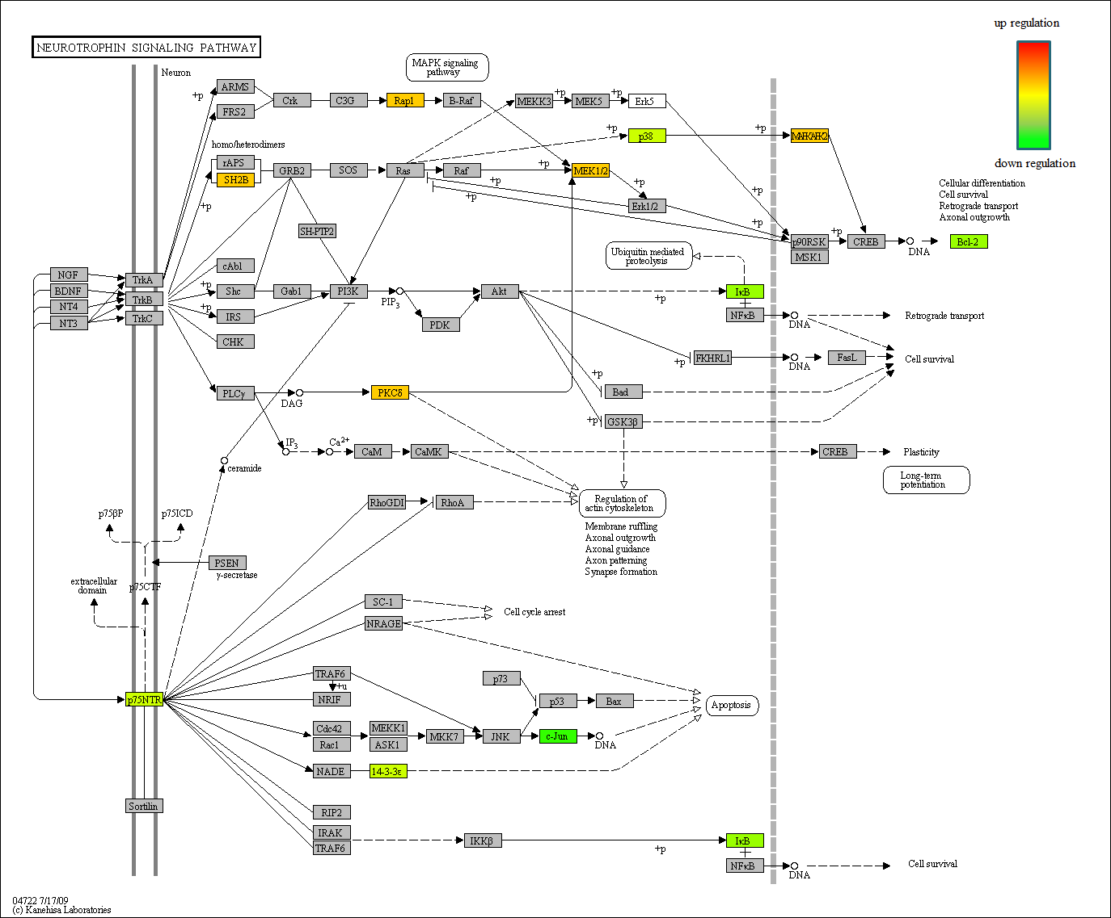
Supplementary Figure 1A

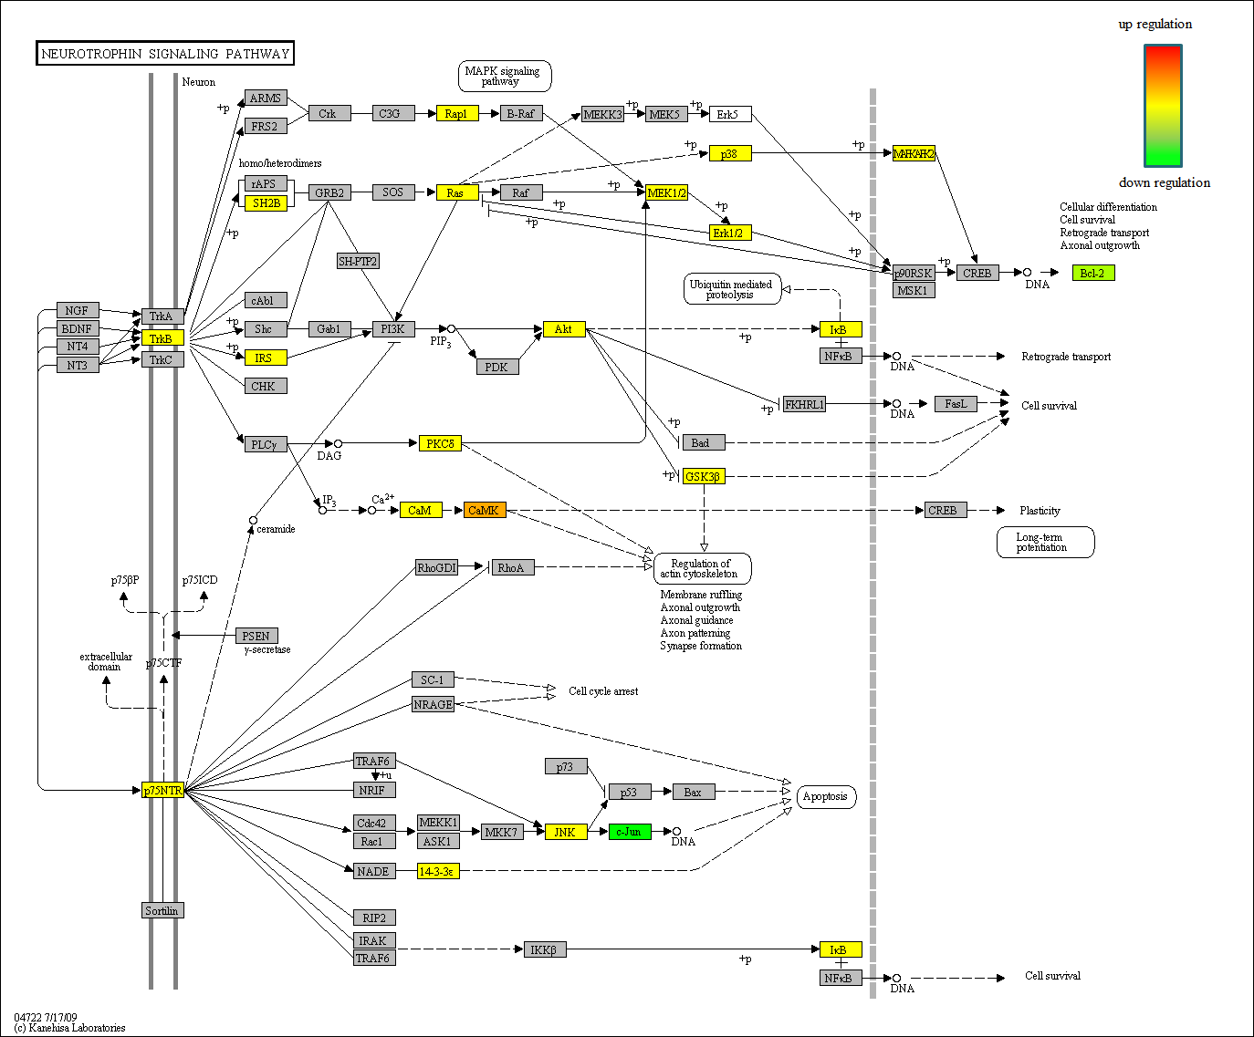

Supplementary Figure 1B

Supplementary Figure 2
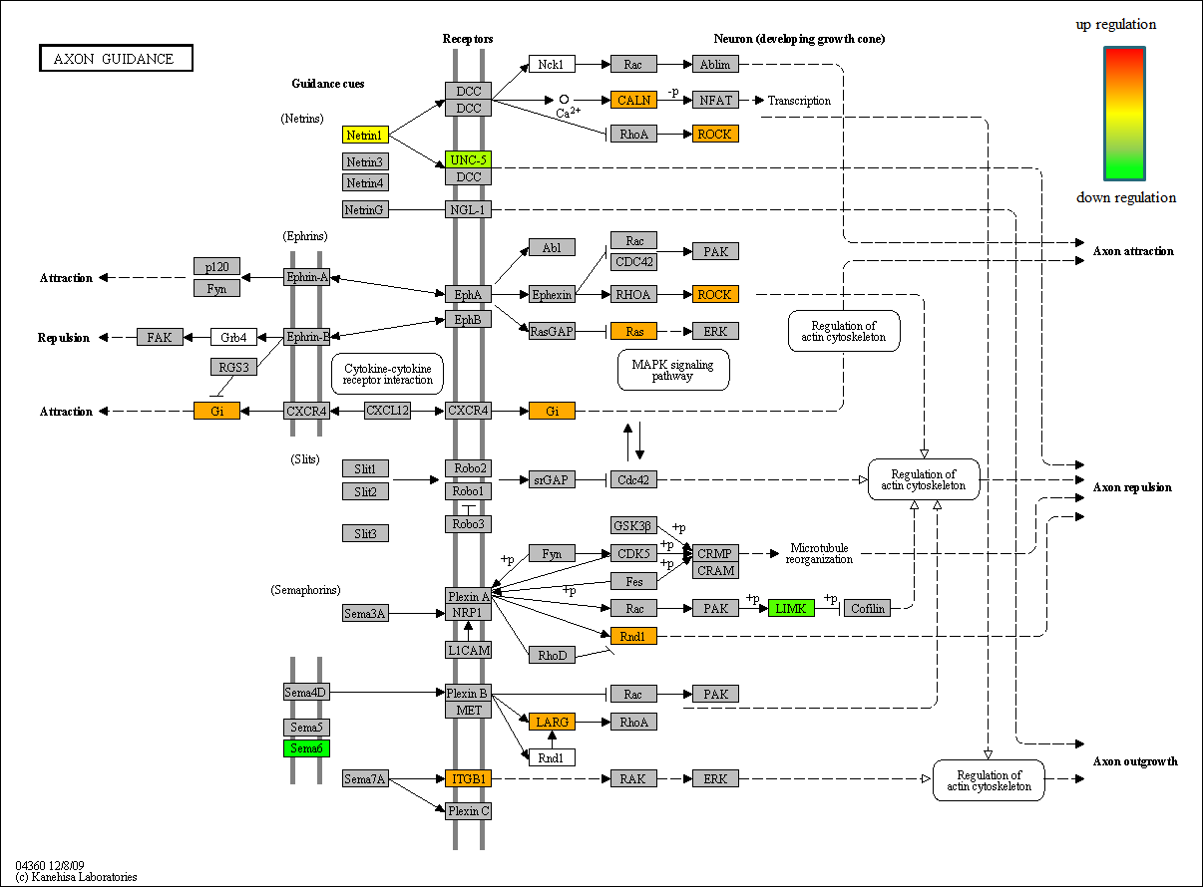
Supplementary Figure 2A

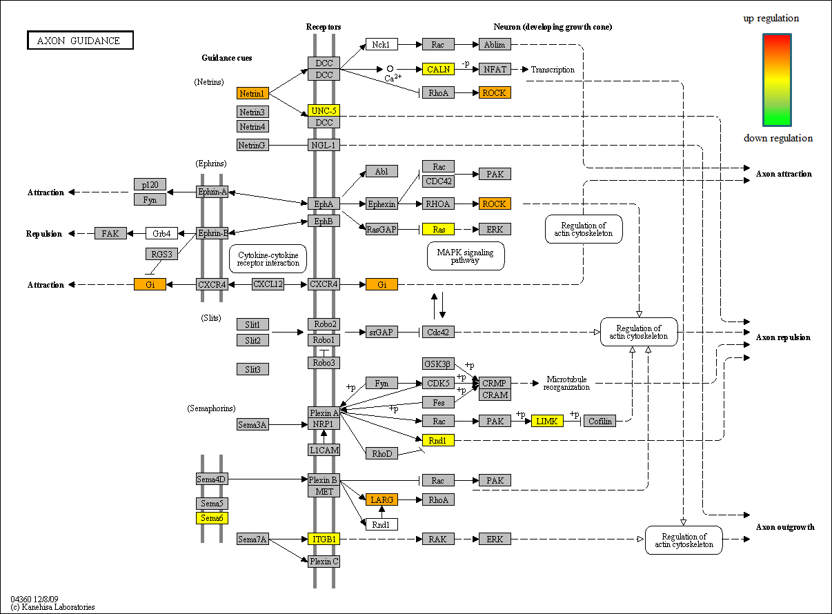

Supplementary Figure 2B

Supplementary Figure 3
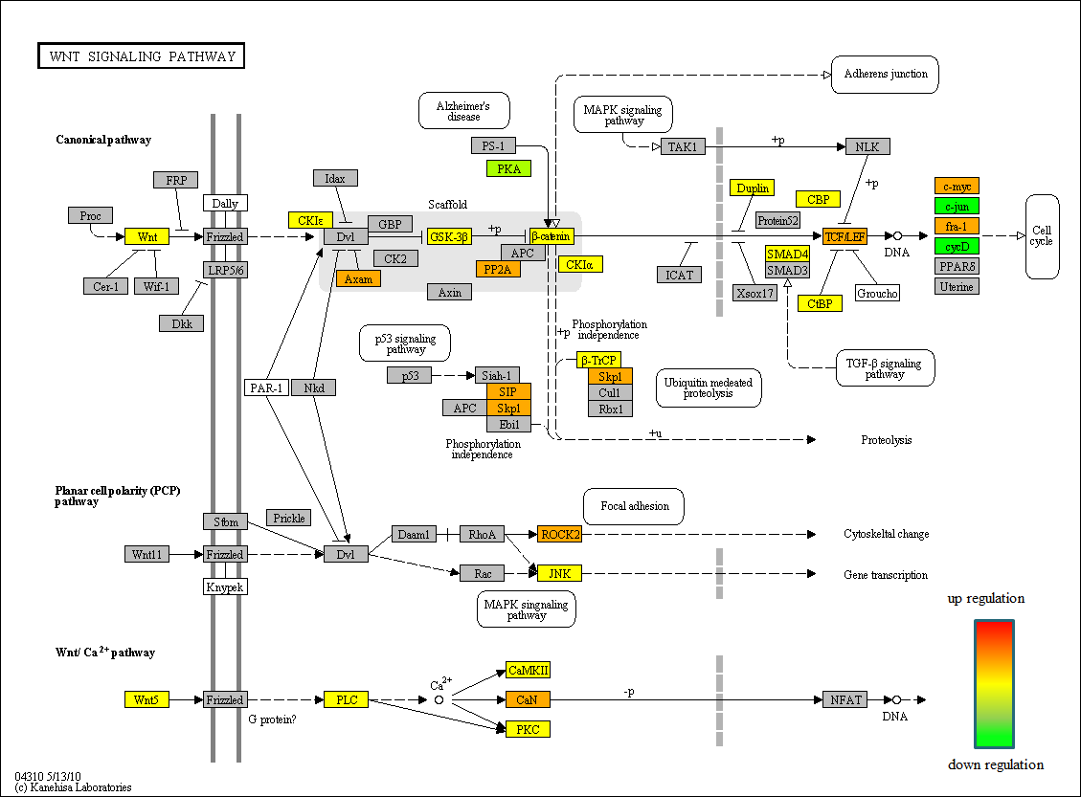
Supplementary Figure 3A

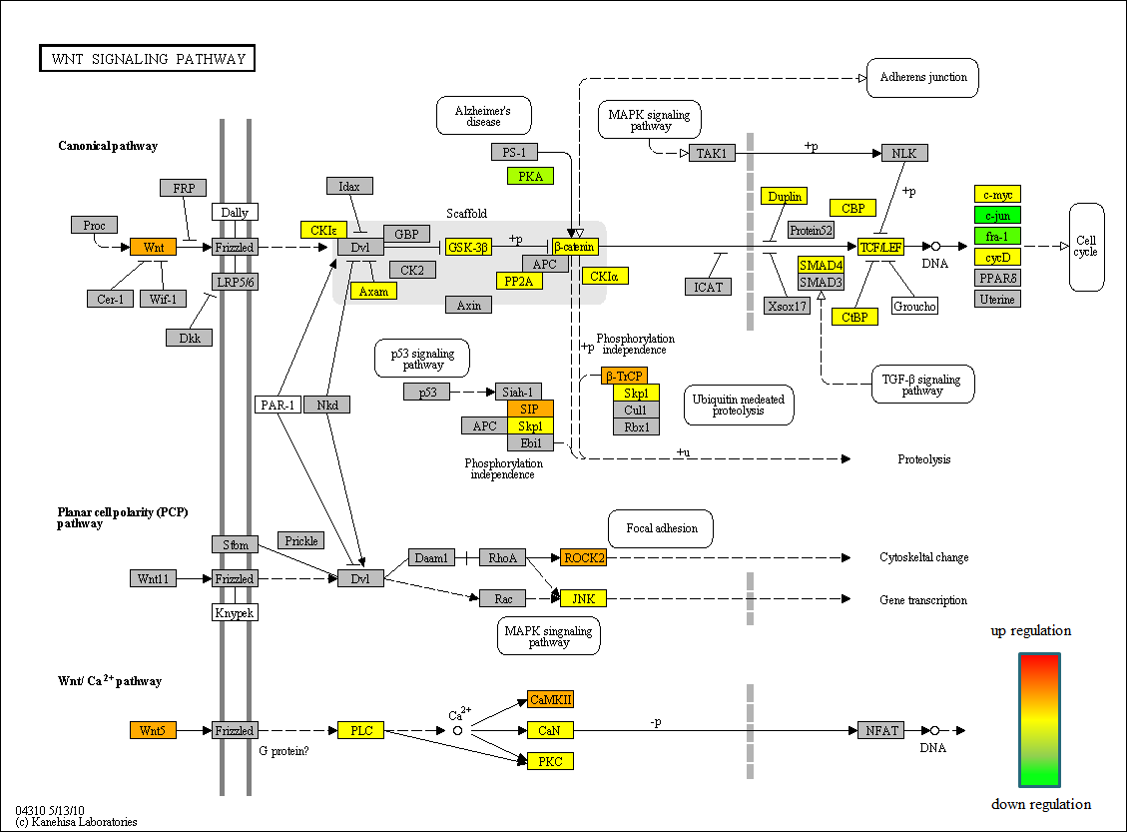

Supplementary Figure 3B

Supplementary Figure 5
Supplementary Figure 5

Cellular Components
cell part | 58.30
macromolecular complex | 15.05
synapse | 10.00
synapse part | 9.02
organelle | 2.45
cell | 2.09
extracellular region | 2.02
extracellular region part | 0.58
organelle part | 0.49

Biological Process
cellular process | 20.87
establishment of localization | 18.80
developmental process | 17.34
metabolic process | 14.55
biological regulation | 8.55
multicellular organismal process | 4.75
biological adhesion | 4.66
rhythmic process | 3.52
response to stimulus | 2.38
growth | 1.31
pigmentation | 0.90
multi-organism process | 0.89
locomotion | 0.61
immune system process | 0.31
reproduction | 0.25
localization | 0.20
reproductive process | 0.12

Molecular function
binding | 38.04
catalytic activity | 23.64
transporter activity | 14.03
transcription regulator activity | 10.57
molecular transdcer activity | 4.02
structural molecule activity | 3.67
enzyme regulator activity | 2.36
auxilary transport protein activity | 1.10
antioxidant activity | 0.69
chemoattractant activity | 0.69
proteasome regulator activity | 0.49
electron carrier activity | 0.38
translation regulator activity | 0.31

