Info
Color Legend

MOFs
 | MOF-5 degenerate structures (total: 46)
 | PCN-68 degenerate structures
 | HKUST-1 degenerate structures

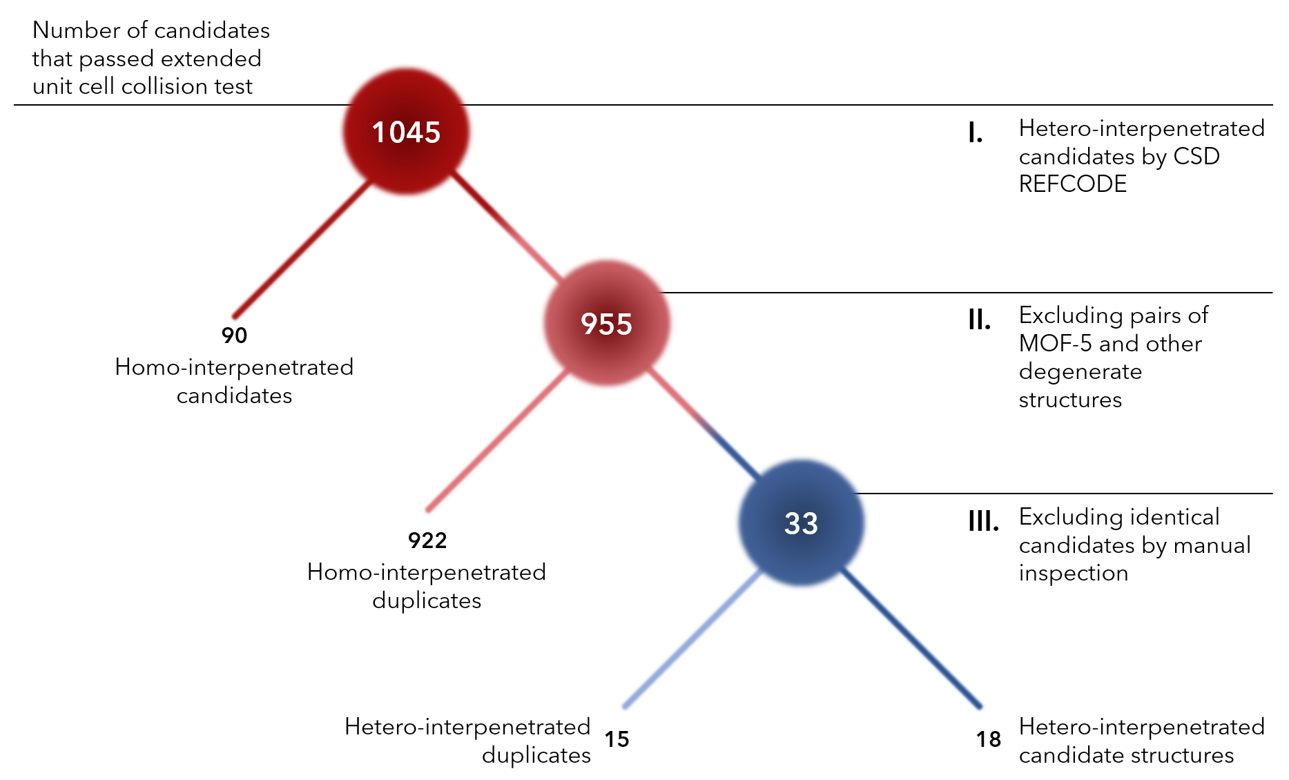
Analysis of candidate structures to find hetero-interpenetrated pairs (Starting from 1,045 candidates that passed the extended collision test, 90 of them were pairs of same MOFs according to their CSD reference codes [Step I]. From the remaining 955 candidates pairs of MOFs that have different reference codes but degenerate structures (922) are removed [Step II]. Remaining 33 candidates were inspected manually by comparing chemical formulas, crystallographic information and visually examining image renders of MOFs [Step III]. 15 more candidates were removed and 18 candidates were presented as hetero-interpenetrated candidate MOFs.
---------------------------------------------------------------------------------------------------------------------------------------
In All Candidates sheet, more information on all interpenetrated candidates (1,045) are provided and candidates are highlighted according to colors seen in figure.
Hetero-interpenetarting Candidates
The blue candidates are novel hetero-interpenetrating structures. Additional information on these 18 candidates are also provided in Hetero-IP Candidates sheet. Crystallographic information files (cif) can be accessed from github.com/kbsezginel/IPMOF.
Candidates

