Consenso
Known Chalcone Targets in ChEMBL |  |  |  | PharmMapper predictions |  |  |  | Protein Data Bank |  | Docking
Target (organism) | SMILES | Activity data | Reference | Target (organism) | Fit Score | Normalized Fit Score | Pharmacophore | PDB ID | Resolution | Grid Dimensions (x, y, z) | Box volume (Å3) | Score FRED | Score Hybrid | Consensus Score
Retinoic acid receptor beta (Mus musculus) | 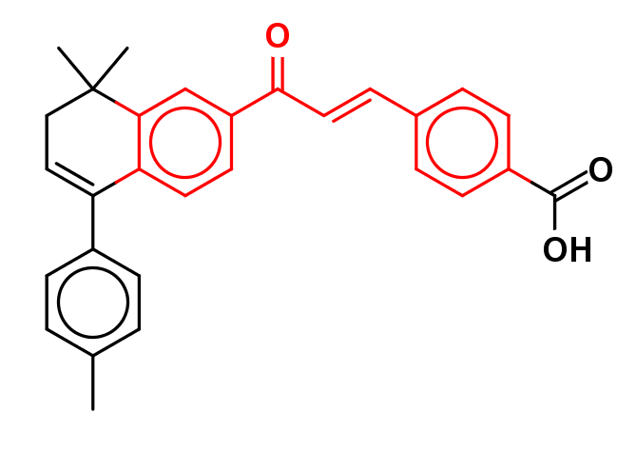 Cc1ccc(cc1)C2=CCC(C)(C)c3cc(ccc23)C(=O)\C=C\c4ccc(cc4)C(=O)O | IC50 = 0.40 µM | Álvarez et al. Bioorg Med Chem. 2009;17: 4345–4359. | Retinoic acid receptor beta (Homo sapiens) | 3.86 | 0.43 | 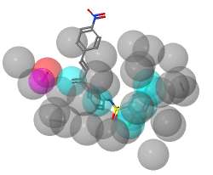 | 4DM6 | 1.90 | 16.24 x 19.73 x 23.13 | 7413 | -17.78 | -17.12 | -17.45
Retinoic acid receptor alpha (Mus musculus) | Cc1ccc(cc1)C2=CCC(C)(C)c3cc(ccc23)C(=O)\C=C\c4ccc(cc4)C(=O)O | IC50 < 0.30 µM | Álvarez et al. Bioorg Med Chem. 2009;17: 4345–4359. | Retinoic acid receptor alpha (Homo sapiens) | 3.68 | 0.53 | 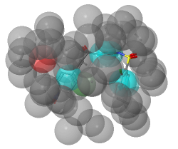 | 3A9E | 2.75 | 25.27 x 15.68 x 18.93 | 7499 | -16.46 | -15.70 | -16.08
Aldose reductase (Homo sapiens) | Oc1ccc(\C=C\C(=O)c2ccc(O)cc2O)cc1 | IC50 = 0.32 µM | Naeem et al. Bioorg Med Chem. 2012;20: 1251–1258. | Aldose reductase (Homo sapiens) | 2.85 | 0.95 | 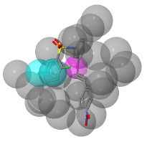 | 1US0 | 0.66 | 18.32 x 19.12 x 23.06 | 8077 | -13.67 | -10.33 | -12.00
Dihydrofolate reductase (Homo sapiens) | 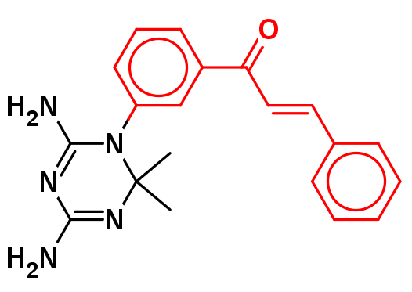 CC1(C)N=C(N)N=C(N)N1c2cccc(c2)C(=O)\C=C\c3ccccc3 | IC50 = 2.40 µM | Ng et al. Eur J Med Chem. 2016;115: 63–74. | Dihydrofolate reductase (Homo sapiens) | 3.46 | 0.43 | 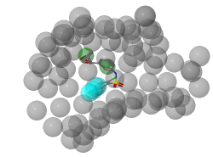 | 1KMV | 1.05 | 25.17 x 14.67 x 20.33 | 7505 | -13.20 | -9.93 | -11.56
Phosphodiesterase 4 (Homo sapiens) | 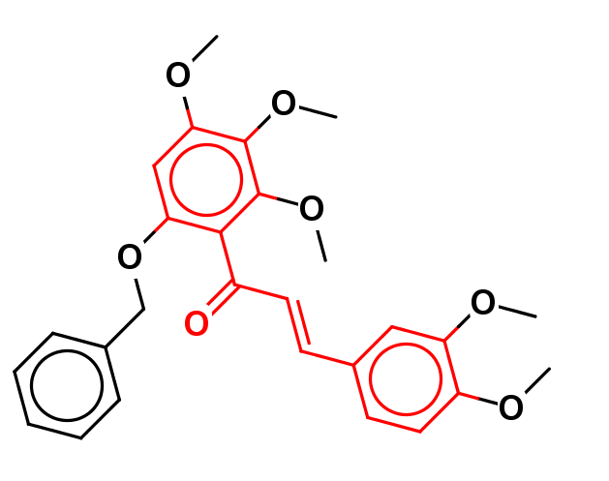 COc1ccc(\C=C\C(=O)c2c(OCc3ccccc3)cc(OC)c(OC)c2OC)cc1OC | IC50 = 2.30 µM | Nam et al. Bioorg Med Chem Lett. 2012;22: 3983–3987. | Phosphodiesterase 4D (Homo sapiens) | 4.89 | 0.49 | 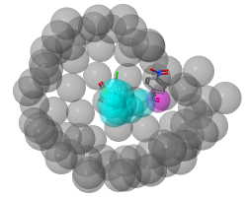 | 1Y2K | 1.36 | 16.88 x 16.63 x 22.45 | 6302 | -11.64 | -11.30 | -11.47
Bcr/Abl fusion protein (Homo sapiens) | 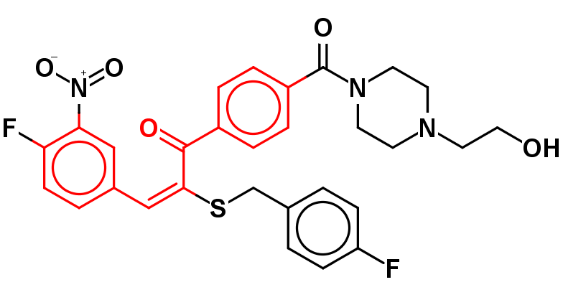 OCCN1CCN(CC1)C(=O)c2ccc(cc2)C(=O)\C(=C/c3ccc(F)c(c3)[N+](=O)[O-])\SCc4ccc(F)cc4 | IC50 = 0.50 µM | Reddy et al. Bioorg Med Chem. 2010;18: 2317–2326. | Bcr/Abl fusion protein (Homo sapiens) | 3.87 | 0.43 |  | 2HYY | 2.40 | 26.97 x 22.13 x 18.65 | 11131 | -12.92 | -9.28 | -11.10
Dihydroorotate dehydrogenase (Homo sapiens) | OC(=O)c1cc(\C=C\C(=O)c2ccc(Cl)cc2)ccc1O | IC50 = 6.06 µM | Diao et al. J Med Chem. 2012;55: 8341–8349. | Dihydroorotate dehydrogenase (Homo sapiens) | 3.49 | 0.58 | 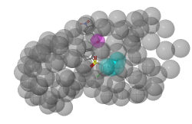 | 4OQV | 1.23 | 19.69 x 20.65 x 17.95 | 7297 | -12.89 | -8.81 | -10.85
Histone deacetylase (Homo sapiens) | 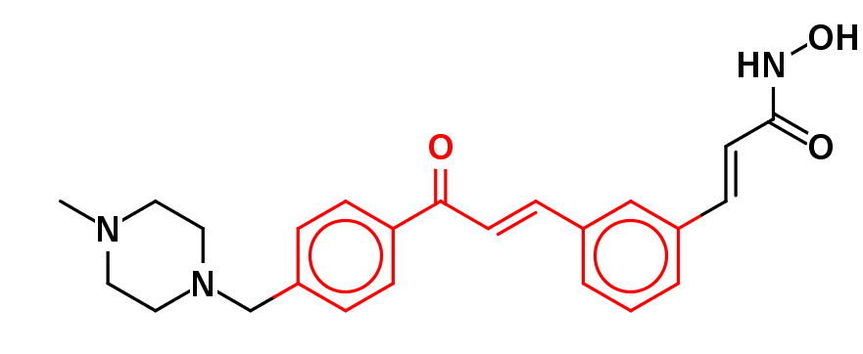 CN1CCN(Cc2ccc(cc2)C(=O)\C=C\c3cccc(\C=C\C(=O)NO)c3)CC1 | IC50 = 0.02 µM | Thaler et al. J Med Chem. 2010;53: 822–839. | Histone deacetylase 8 (Homo sapiens) | 3.61 | 0.60 |  | 5BWZ | 1.59 | 18.81 x 21.71 x 16.26 | 5579 | -12.46 | -8.80 | -10.63
MAP kinase-activated protein kinase 5 (Homo sapiens) | 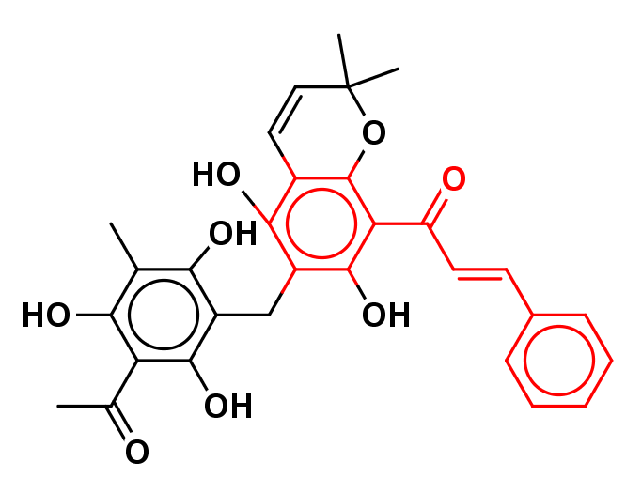 CC(=O)c1c(O)c(C)c(O)c(Cc2c(O)c3C=CC(C)(C)Oc3c(C(=O)\C=C\c4ccccc4)c2O)c1O | IC50 = 1.90 µM | Davies et al Biochem J. 2000;351: 95–105. | MAP kinase ERK2 (Homo sapiens) | 2.95 | 0.98 | 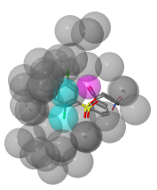 | 2OJG | 2.00 | 24.26 x 15.40 x 15.60 | 5830 | -10.41 | -10.20 | -10.31
Beta-secretase 1 (Homo sapiens) | Oc1ccc(C(=O)\C=C\c2cccc(O)c2O)c(O)c1 | IC50 = 0.27 µM | Anand P, Singh B. Med Chem Res. 2013;22: 3061–3075. | Beta-secretase 1 (Homo sapiens) | 4.82 | 0.54 | 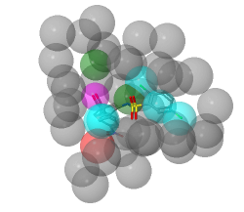 | 5UYU | 1.90 | 20.67 x 17.67 x 22.67 | 8275 | -11.73 | -9.60 | -9.60
Vascular endothelial growth factor receptor 2 (Homo sapiens) | Oc1ccc(\C=C/2\Oc3ccccc3C2=O)cc1O | IC50 = 5.96 µM | Xie et al. Eur J Med Chem. 2015;89: 310–319. | Vascular endothelial growth factor receptor 2 (Homo sapiens) | 4.26 | 0.61 | 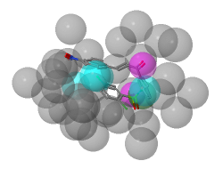 | 2XIR | 1.25 | 28.27 x 19.35 x 18.23 | 9972 | -9.85 | -8.97 | -9.41
3-phosphoinositide dependent protein kinase-1 (Homo sapiens) | COc1cc(O)c(CC=C(C)C)c(O)c1C(=O)\C=C\c2ccc(O)cc2 | IC50 = 6.60 µM | Lauro et al. Bioorg Med Chem. 2012;20: 3596–3602. | 3-phosphoinositide dependent protein kinase-1 (Homo sapiens) | 4.32 | 0.48 | 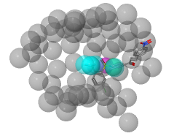 | 3NAX | 2.15 | 17.09 x 21.78 x 21.18 | 7883 | -10.28 | -8.40 | -9.34
Fibroblast growth factor receptor (Homo sapiens) | COC(=O)C1=C(c2ccccc2)c3ccccc3C1=O | IC50 = 5.10 µM | Barvian et al. Bioorg Med Chem Lett. 1997;7: 2903–2908. | Fibroblast growth factor receptor 2 (Homo sapiens) | 3.70 | 0.74 |  | 3RI1 | 2.10 | 20.19 x 14.91 x 21.32 | 6416 | -9.85 | -8.74 | -9.29
Angiotensin-converting enzyme (Oryctolagus cuniculus) | Oc1ccc(C(=O)\C=C\c2ccc(O)c(O)c2)c(O)c1 | IC50 = 0.73 µM | Bonesi et al. Bioorg Med Chem Lett. 2010;20: 1990–1993. | Angiotensin-converting enzyme (Homo sapiens) | 3.50 | 0.50 | 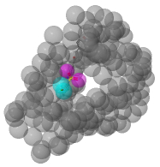 | 1UZE | 1.82 | 16.26 x 16.80 x 23.39 | 6387 | -9.49 | -8.47 | -8.98
Phosphodiesterase 5A (Rattus norvegicus) | COc1cc(O)c(C[C@@H](CC=C(C)C)C(=C)C)c(O)c1C(=O)\C=C\c2ccc(O)cc2O | IC50 = 0.64 µM | Shin et al. Bioorg Med Chem Lett. 2002;12: 2313–2316. | Phosphodiesterase 5A (Homo sapiens) | 2.95 | 0.98 | 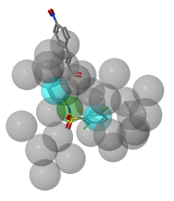 | 1TBF | 1.30 | 23.65 x 17.81 x 19.03 | 8011 | -11.11 | -6.70 | -8.90
Cyclin-dependent kinase 2 (Homo sapiens) | 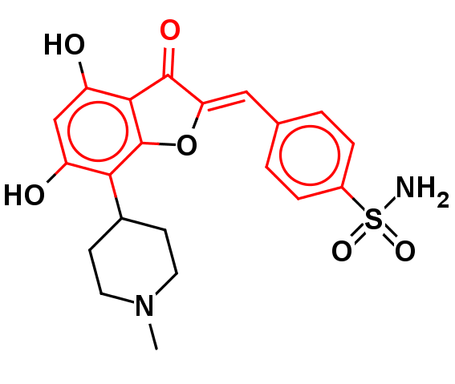 CN1CCC(CC1)c2c(O)cc(O)c3C(=O)\C(=C\c4ccc(cc4)S(=O)(=O)N)\Oc23 | IC50 = 0.03 µM | Schoepfer et al. J Med Chem. 2002;45: 1741–1747. | Cyclin-dependent kinase 2 (Homo sapiens) | 4.62 | 0.77 | 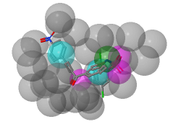 | 2R3I | 1.28 | 17.22 x 20.46 x 19.13 | 6740 | -9.43 | -8.37 | -8.90
Nitric oxide synthase, inducible (Mus musculus) | COc1ccc(\C=C\C(=O)c2cc(C(=O)\C=C\c3ccc(OC)c(OC)c3)c(O)cc2O)cc1OC | IC50 = 0.95 µM | Vijaya et al. Eur J Med Chem. 2012;47: 97–103. | Nitric oxide synthase (Homo sapiens) | 2.71 | 0.68 |  | 1M9M | 1.96 | 18.67 x 18.33 x 17.00 | 5817 | -10.22 | -7.05 | -8.64
Tyrosine-protein kinase LCK (Homo sapiens) | Nc1ccc2C(=O)\C(=C/c3cc(Br)c(O)c(Br)c3)\C(=O)c2c1 | IC50 = 0.03 µM | Bullington et al. Bioorg Med Chem Lett. 1998;8: 2489–2494. | Tyrosine-protein kinase LCK (Homo sapiens) | 3.92 | 0.39 |  | 3MPM | 1.95 | 24.18 x 19.23 x 15.69 | 7297 | -8.87 | -7.89 | -8.38
Cathepsin L (Homo sapiens) | [O-][N+](=O)c1ccc(cc1)C(=O)\C=C\c2ccc(cc2)N3CCCC3 | IC50 = 9.42 µM | Kim et al. Bioorg Med Chem Lett. 2013;23: 3320–3324. | Cathepsin L (Homo sapiens) | 4.17 | 0.42 | 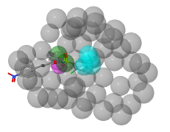 | 2XU3 | 0.90 | 19.83 x 20.67 x 22.00 | 9017 | -6.74 | -6.23 | -6.49
Cathepsin B (Homo sapiens) | Oc1ccc(cc1)C(=O)\C=C\c2ccc(cc2)N3CCCC3 | IC50 = 1.81 µM | Kim et al. Bioorg Med Chem Lett. 2013;23: 3320–3324. | Cathepsin B (Homo sapiens) | 4.23 | 0.47 | 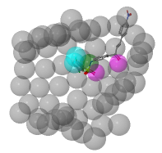 | 3AI8 | 2.11 | 19.67 x 25.67 x 18.33 | 9254 | -5.47 | -4.07 | -4.77
Tyrosine-protein kinase SYK (Homo sapiens) | Oc1ccc(cc1)C2=CC(=O)c3c(O)cc(O)cc3O2 | IC50 = 4.20 µM | Singh et al. J Med Chem. 2012;55: 3614–3643. | Tyrosine-protein kinase SYK (Homo sapiens) | 3.15 | 0.63 | 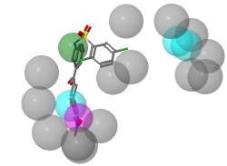 | 1XBB | 1.57 | 22.14 x 21.12 x 18.50 | 8649 | -5.72 | -2.51 | -4.11
Cyclooxygenase-2 (Homo sapiens) | 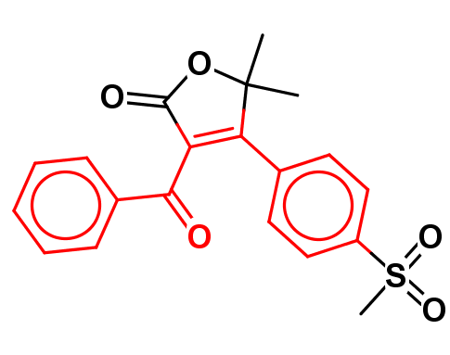 CC1(C)OC(=O)C(=C1c2ccc(cc2)S(=O)(=O)C)C(=O)c3ccccc3 | IC50 = 0.60 µM | Li et al. Bioorg Med Chem Lett. 1999;9: 3181–3186. | Cyclooxygenase 2 (Homo sapiens) | 3.79 | 0.54 | 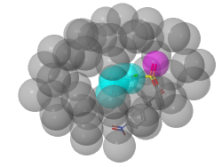 | 5KIR | 2.70 | 17.16 x 17.00 x 22.83 | 6857 | -3.34 | -1.96 | -2.65

