Overview-sheet 1
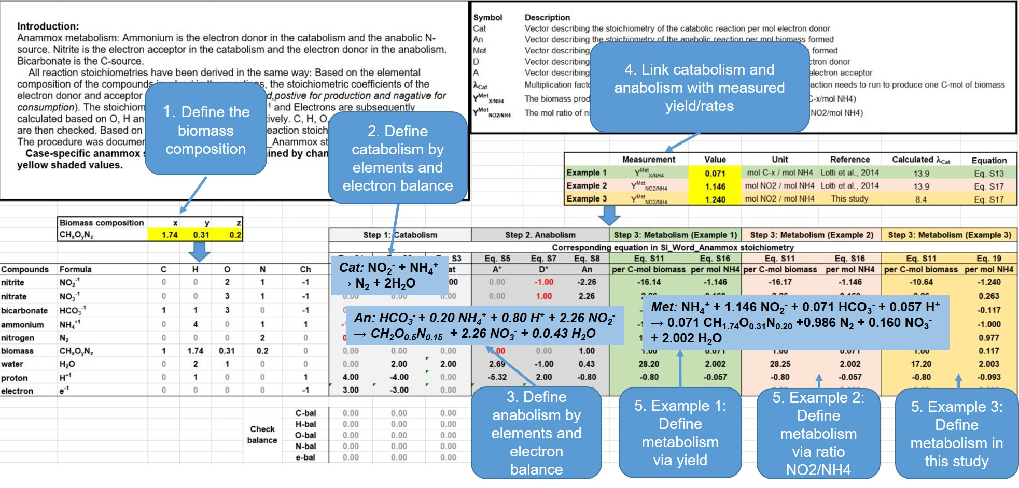

Sheet 1
Introduction:
Anammox metabolism: Ammonium is the electron donor in the catabolism and the anabolic N-source. Nitrite is the electron acceptor in the catabolism and the electron donor in the anabolism. Bicarbonate is the C-source.
All reaction stoichiometries have been derived in the same way: Based on the elemental composition of the compounds involved in the reactions, the stoichiometric coefficients of the electron donor and acceptor couples are identified (in red,postive for production and nagative for consumption). The stoichiometric coefficients of H₂O, H⁺¹ and Electrons are subsequently calculated based on O, H and Charged balance, respectively. C, H, O, N, and Charge balance are then checked. Based on the half reactions all other reaction stoichiometries are calculated. The procedure was documented in stepwise in SI_Word_Anammox stoichiometry.docx.
Case-specific anammox stoichiometry can be obtained by changing the corresponding yellow shaded values.
 |  |  |  |  |  |  |  |  |  | Symbol | Description
 |  |  |  |  |  |  |  |  |  | Cat | Vector describing the stoichiometry of the catabolic reaction per mol electron donor
 |  |  |  |  |  |  |  |  |  | An | Vector describing the stoichiometry of the anabolic reaction per mol biomass formed
 |  |  |  |  |  |  |  |  |  | Met | Vector describing the stoichiometry of the metabolic reaction per mol biomass formed
 |  |  |  |  |  |  |  |  |  | D | Vector describing the stoichiometry of the electron donor reaction per mol electron donor
 |  |  |  |  |  |  |  |  |  | A | Vector describing the stoichiometry of the electron acceptor reaction per mol electron acceptor
 |  |  |  |  |  |  |  |  |  | lCat | Multiplication factor of the catabolism, i.e. the number of times the catabolic reaction needs to run to produce one C-mol of biomass
 |  |  |  |  |  |  |  |  |  | YMetX/NH4 | The biomass production per unit of ammonium in the metabolic reaction (mol C-x/mol NH4)
 |  |  |  |  |  |  |  |  |  | YMetNO2/NH4 | The mol ratio of nitrite and ammonium consumption in metabolic reaction (mol NO2/mol NH4)

 |  |  |  |  |  |  |  |  |  |  |  |  | Measurement | Value | Unit | Reference | Calculated lCat | Equation
 |  |  |  |  |  |  |  |  |  |  |  | Example 1a | YMetX/NH4 | 0.071 | mol C-x / mol NH4 | Lotti et al., 2014 | 13.9 | Eq. S13
 |  |  |  |  |  |  |  |  |  |  |  | Example 1b | YMetNO2/NH4 | 1.146 | mol NO2 / mol NH4 | Lotti et al., 2014 | 13.9 | Eq. S17
 |  |  |  |  |  |  |  |  |  |  |  | Example 2 | YMetNO2/NH4 | 1.240 | mol NO2 / mol NH4 | This study | 8.4 | Eq. S17

 | Biomass composition | x | y | z
 | CHxOyNz | 1.74 | 0.31 | 0.2 |  |  | Step 1: Catabolism |  |  | Step 2. Anabolism |  |  | Step 3: Metabolism (Example 1) |  | Step 3: Metabolism (Example 2) |  | Step 3: Metabolism (Example 3)
 |  |  |  |  |  |  | Corresponding equation in SI_Word_Anammox stoichiometry
 |  |  |  |  |  |  | Eq. S1 | Eq. S2 | Eq. S3 | Eq. S5 | Eq. S7 | Eq. S8 | Eq. S11 | Eq. S16 | Eq. S11 | Eq. S16 | Eq. S11 | Eq. 19
Compounds | Formula | C | H | O | N | Ch | D | A | Cat | A* | D* | An | per C-mol biomass | per mol NH4 | per C-mol biomass | per mol NH4 | per C-mol biomass | per mol NH4
nitrite | NO2-1 | 0 | 0 | 2 | 1 | -1 | 0.00 | -1.00 | -1.00 | 0.00 | -1.00 | -2.26 | -16.14 | -1.146 | -16.17 | -1.146 | -10.64 | -1.240
nitrate | NO3-1 | 0 | 0 | 3 | 1 | -1 | 0.00 | 0.00 | 0.00 | 0.00 | 1.00 | 2.26 | 2.26 | 0.160 | 2.26 | 0.160 | 2.26 | 0.263
bicarbonate | HCO3-1 | 1 | 1 | 3 | 0 | -1 | 0.00 | 0.00 | 0.00 | -1.00 | 0.00 | -1.00 | -1.00 | -0.071 | -1.00 | -0.071 | -1.00 | -0.117
ammonium | NH4+1 | 0 | 4 | 0 | 1 | 1 | -1.00 | 0.00 | -1.00 | -0.20 | 0.00 | -0.20 | -14.08 | -1.000 | -14.11 | -1.000 | -8.58 | -1.000
nitrogen | N2 | 0 | 0 | 0 | 2 | 0 | 0.50 | 0.50 | 1.00 | 0.00 | 0.00 | 0.00 | 13.88 | 0.986 | 13.91 | 0.986 | 8.38 | 0.977
biomass | CHxOyNz | 1 | 1.74 | 0.31 | 0.2 | 0 | 0.00 | 0.00 | 0.00 | 1.00 | 0.00 | 1.00 | 1.00 | 0.071 | 1.00 | 0.071 | 1.00 | 0.117
water | H2O | 0 | 2 | 1 | 0 | 0 | 0.00 | 2.00 | 2.00 | 2.69 | -1.00 | 0.43 | 28.20 | 2.002 | 28.25 | 2.002 | 17.20 | 2.003
proton | H+1 | 0 | 1 | 0 | 0 | 1 | 4.00 | -4.00 | 0.00 | -5.32 | 2.00 | -0.80 | -0.80 | -0.057 | -0.80 | -0.057 | -0.80 | -0.093
electron | e-1 | 0 | 0 | 0 | 0 | -1 | 3.00 | -3.00 | 0.00 | -4.52 | 2.00 | 0.00 | 0.00 | 0.000 | 0.00 | 0.000 | 0.00 | 0.000

 |  |  |  |  | Check balance | C-bal | 0.00 | 0.00 | 0.00 | 0.00 | 0.00 | 0.00 | 0.00 | 0.00 | 0.00 | 0.00 | 0.00 | 0.00
 |  |  |  |  |  | H-bal | 0.00 | 0.00 | 0.00 | 0.00 | 0.00 | 0.00 | 0.00 | 0.00 | 0.00 | 0.00 | 0.00 | 0.00
 |  |  |  |  |  | O-bal | 0.00 | 0.00 | 0.00 | 0.00 | 0.00 | 0.00 | 0.00 | 0.00 | 0.00 | 0.00 | 0.00 | 0.00
 |  |  |  |  |  | N-bal | 0.00 | 0.00 | 0.00 | 0.00 | 0.00 | 0.00 | 0.00 | 0.00 | 0.00 | 0.00 | 0.00 | 0.00
 |  |  |  |  |  | e-bal | 0.00 | 0.00 | 0.00 | 0.00 | 0.00 | 0.00 | 0.00 | 0.00 | 0.00 | 0.00 | 0.00 | 0.00

References:
Lotti, T., et al. (2014). "Physiological and kinetic characterization of a suspended cell anammox culture." Water Research 60(0): 1-14.
Kleerebezem, R. and M. C. Van Loosdrecht (2010). "A generalized method for thermodynamic state analysis of environmental systems." Critical Reviews in Environmental Science and Technology 40(1): 1-54.

Sheet 2
Step 1: Stoichiometric matrix of possible processes

Aij | i component → | SS | SNH | SNO2 | SNO3 | SN2 | XAN | XH | XI | Procee rate |  |  |  |  |  |  | Aij | i component → | SS | SNH | SNO2 | SNO3 | SN2 | XAN | XH | XI | Procee rate
j process ↓ |  | [gCOD.m‑3] | [gN.m‑3] | [gN.m‑3] | [gN.m‑3] | [gN.m‑3] | [gCOD. m‑3] | [gCOD.m‑3] | [gCOD. m‑3] | [gCOD. m‑3.d-1] |  | Parameter | Value | Unit | Source |  | j process ↓ |  | [gCOD.m‑3] | [gN.m‑3] | [gN.m‑3] | [gN.m‑3] | [gN.m‑3] | [gCOD. m‑3] | [gCOD.m‑3] | [gCOD. m‑3] | [gCOD. m‑3.d-1]
 |  | Expression | Expression | Expression | Expression | Expression | Expression | Expression | Expression |  |  |  | 0.301 | g COD.g-1 N | This study |  |  |  | Value | Value | Value | Value | Value | Value | Value | Value
1. Anammox |  |  |  |  | 1/1.14 | 2*( | 1 |  |  | ρ1 |  | YH, NO2 | 0.53 | g COD.g-1 COD | [4] |  | 1. Anammox |  |  | -3.322 | -4.122 | 0.877 | 6.491 | 1 |  |  | ρ1
2. Decay of anammox |  | 1-fI | iNXB,AN- - fI iNXI – (1-fI) iNSS |  |  |  | -1 |  | fI | ρ2 |  | YH, NO3 | 0.53 | g COD.g-1 COD | [4] |  | 2. Decay of anammox |  | 0.920 | 0.044 |  |  |  | -1 |  | 0.080 | ρ2
3. Denitritation |  |  | -iNXB+1/ YH. iNSS |  |  |  |  | 1 |  | ρ3 |  | i_NXB_AN | 0.077 | g N.g-1 COD | [2] |  | 3. Denitritation |  | -1.887 | -0.026 | -0.519 |  | 0.519 |  | 1 |  | ρ3
4. Partial Denitrification |  |  | -iNXB+1/ YH. iNSS |  |  |  |  | 1 |  | ρ4 |  | i_NXB_H | 0.083 | g N.g-1 COD | [1] |  | 4. Partial Denitrification |  | -1.887 | -0.026 | 0.778 | -0.778 |  |  | 1 |  | ρ4
5. Decay of heterotrophs |  | 1-fI | iNXB - fI iNXI – (1-fI) iNSS |  |  |  |  | -1 | fI | ρ5 |  | iNXI | 0.07 | g N.g-1 COD | [1] |  | 5. Decay of heterotrophs |  | 0.920 | 0.050 |  |  |  |  | -1 | 0.080 | ρ5
gCOD/unit comp |  | 1 | 0 | -3.43 | -4.57 | -1.715 | 1 | 1 | 1 |  |  | iNSS | 0.03 | g N.g-1 COD | [3] |  | gCOD/unit comp |  | 1 | 0 | -3.43 | -4.57 | -1.715 | 1 | 1 | 1
gN/unit comp |  | iNSS | 1 | 1 | 1 | 1 | iNXB | iNXB | iNXI |  |  | fI | 0.08 | g COD.g-1 COD | [3] |  | gN/unit comp |  | iNSS | 1 | 1 | 1 | 1 | iNXB | iNXB | iNXI

Step 2: Mass balance set-up and calculation

Principal:
Mass balances over measured NH4-N, NO2-N, NO3-N and COD, following the equations below:
$$A∙ρ=r$$
where,$A$ is the matrix of the stoichiometric coefficients (Table S1), $ρ$ is the vector of unknown process rates (g COD.m^{‑3}d⁻¹ , e.g. the $ρ_{i}$ is the process rate for process $i$, expressed as g COD m^{‑3} d⁻¹) and $r$ is the measured net conversion rate of substrate in the reactor (g N or COD.m^{‑3} d⁻¹, e.g. $r_{NH4}$ is the net conversion rate of NH₄-N expressed as g NH₄-N m^{‑3} d⁻¹; $r_{NH4}^{i}$ is the conversion rate of NH₄-N in process $i$; $r_{NH4}^{i}/r_{NH4}$ is the contribution of process $i$ in the net conversion of NH₄-N)
The goal is to caculate the process rate ($ρ_{j}$) for each process in the table above. By setting up mass balances for NH4-N, NO2-N, NO3-N and COD, we can get 4 equations with 5 unknown process rates ($ρ_{j}$) of which the process rate for Decay of anammox($ρ_{2}$) can be first caculated, resulting in 4 equations with 4 unknown process rate ($ρ_{j}$) to slove.
 |  |  |  |  |  |  |  |  |  |  |  |  |  | Process rate of decay of Anammox (ρ2) |  |  |  | Reactor operation |  |  | Measurement |  | ΔC* | Unit | -ΔC*Q/V | Unit
 |  |  |  |  |  |  |  |  |  |  |  |  |  | Measured VSS | 2.7 | g VSS/L |  | Q (m3/d) | 0.0065 |  | 1 | Ss(COD) | 12.0 | [gCOD.m‑3] | -12.00 | [gCOD.m‑3.d-1]
 |  |  |  |  |  |  |  |  |  |  |  |  |  | Unit convertion | 3.60 | g COD/L |  | V (m3) | 0.0065 |  | 2 | NH4-N | 137.6 | [gN.m‑3] | -137.60 | [gN.m‑3.d-1]
 |  |  |  |  |  |  |  |  |  |  |  |  |  | b_AN | 0.003 | d-1 |  | HRT:V/Q (d) | 1.00 |  | 3 | NO2-N | 169 | [gN.m‑3] | -169.00 | [gN.m‑3.d-1]
 |  |  |  |  |  |  |  |  |  |  |  |  |  | Procee rate | 10.8 | gCOD.m‑3.d-1 |  |  |  |  | 4 | NO3-N | -30.00 | [gN.m‑3] | 30.00 | [gN.m‑3.d-1]
 |  |  |  |  |  |  |  |  |  |  |  |  |  |  |  |  |  | *Note: ΔC was taken from the average values of measurement from day 362-383. For COD, it should be in the range of 0-40 mgCOD/L

ρ2 = 10.8
 |  |  |  | Solution: |  |  |  |  |  |  |  |  |  |  |  |  | Equation systems:
 |  |  |  |  | r' = A'*ρ' |  |  |  |  |  |  |  |  |  |  |  |  | r = A*𝝆 |  |  |  |  |  |  | = | -ΔC*Q/V
 |  |  |  |  | A' |  |  |  |  | ρ' |  | r' |  |  |  |  |  | A |  |  |  |  |  | ρ |  | r
 |  |  |  |  | 0.0000 | -1.8868 | -1.8868 | 0.9200 |  | ρ1 |  | -21.936 | Ss(COD) |  |  |  |  | 0.0000 | 0.9200 | -1.8868 | -1.8868 | 0.9200 |  | ρ1 |  | -12.00 | Ss(COD)
 |  |  |  |  | -3.3223 | -0.0264 | -0.0264 | 0.0498 | * | ρ3 | = | -138.073 | NH4-N |  |  |  |  | -3.3223 | 0.0438 | -0.0264 | -0.0264 | 0.0498 | * | ρ2 | = | -137.60 | NH4-N
 |  |  |  |  | -4.1225 | -0.5186 | 0.7779 | 0.0000 |  | ρ4 |  | -169.000 | NO2-N |  |  |  |  | -4.1225 | 0.0000 | -0.5186 | 0.7779 | 0.0000 |  | ρ3 |  | -169.00 | NO2-N
 |  |  |  |  | 0.8772 | 0.0000 | -0.7779 | 0.0000 |  | ρ5 |  | 30.000 | NO3-N |  |  |  |  | 0.8772 | 0.0000 | 0.0000 | -0.7779 | 0.0000 |  | ρ4 |  | 30.00 | NO3-N
 |  |  |  |  |  |  |  |  |  |  |  |  |  |  |  |  |  |  |  |  |  |  |  | ρ5
 |  |  |  | To solve |  |  |  |  |  |  | To check
 |  |  |  |  | (A’)-1 |  |  |  |  | ρ'=(A')-1*r'
 |  |  |  |  | 0.0146 | -0.2695 | -0.0394 | -0.0656 |  | 41.57 |  | -21.936
 |  |  |  |  | -0.0913 | 1.6864 | -1.6820 | -1.5178 |  | 7.88 |  | -138.073
 |  |  |  |  | 0.0164 | -0.3039 | -0.0444 | -1.3595 |  | 8.31 |  | -169.000
 |  |  |  |  | 0.9335 | 2.8353 | -3.5406 | -5.9010 |  | 9.37 |  | 30.000

Step 3: Brief summary of the results

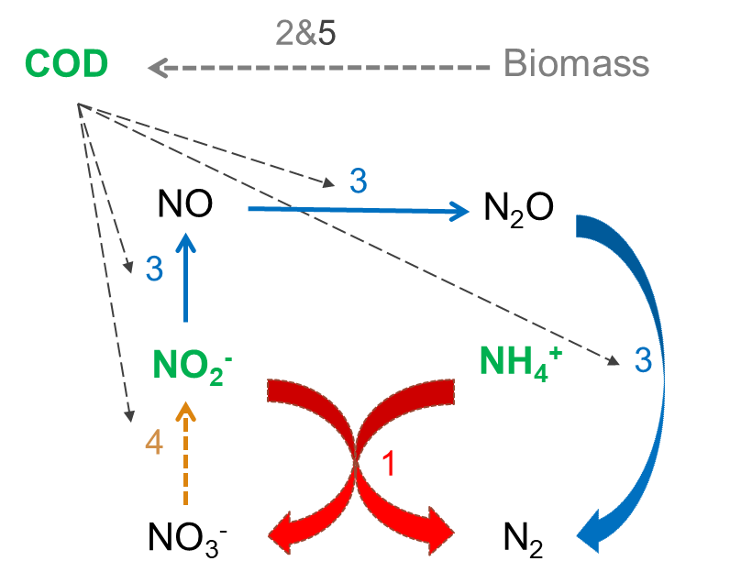
 | Process rates:
 |  | unit | P1: Anammox | P2: Decay of anammox | P3: Denitritation | P4: Partial DEN | P5: Decay of H
 | Process rate | [gCOD.m‑3.d-1] | 41.57 | 10.80 | 7.88 | 8.31 | 9.37

 | Conversion rates:
 |  | unit | P1: Anammox | P2: Decay of anammox | P3: Denitritation | P4: Partial DEN | P5: Decay of H | SUM (-ΔC*Q/V )
 | Ss | [gCOD.m‑3.d-1] | 0.00 | 9.94 | -14.88 | -15.68 | 8.62 | -12.00
 | NH4 | [g N m‑3 d-1] | -138.11 | 0.47 | -0.21 | -0.22 | 0.47 | -137.60
 | NO2 | [g N m‑3 d-1] | -171.38 | 0.00 | -4.09 | 6.47 | 0.00 | -169.00
 | NO3 | [g N m‑3 d-1] | 36.47 | 0.00 | 0.00 | -6.47 | 0.00 | 30.00

