Intro
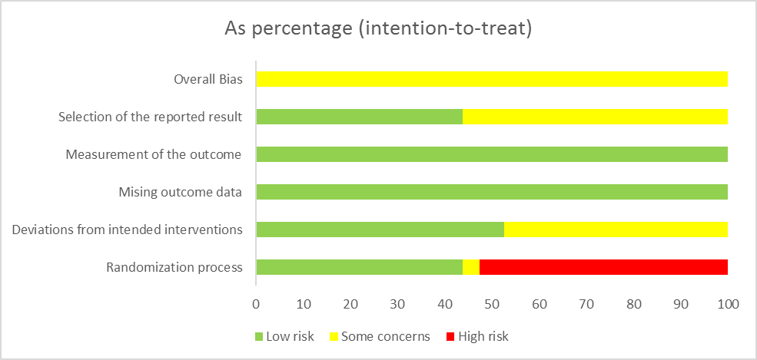
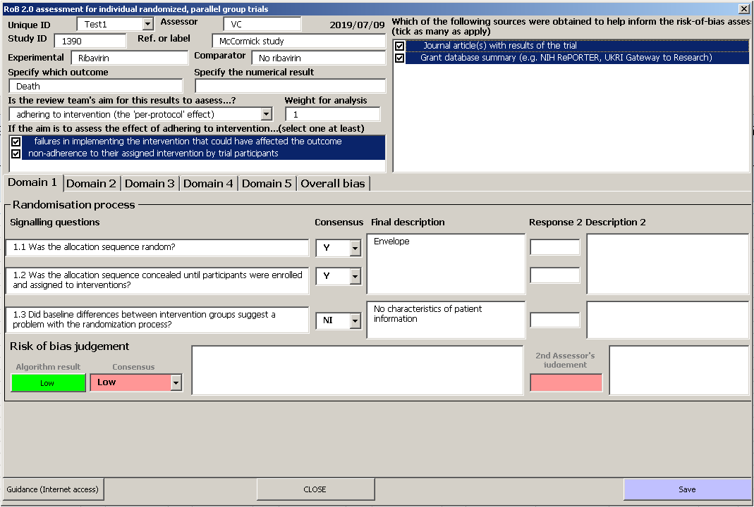
Instructions for the assessment form | Instructions for the summary | Instructions for the figure | Instructions for generating a print view | Instructions for the discrepancy check

1. General notices
1. Enable Macros before you start.
2. Each workbook can take a maximum of 300 assessments.
2. Getting started with your first RoB 2 assessment
1. Click the 'Rob 2 Assessment Form' button to initialise the user form (note: the form will look slightly different in Microsoft Excel for Mac but functionality is not affected).
2. Give each assessment an ‘Unique ID’, and enter this in the relevant space on the form. The ID can be letters or numbers or a combination of both.
3. Complete the assessment. Each domain of RoB 2 is on a separate tab in the form. Answers to the signalling questions can be selected from a drop-down menu, and there is space for justification for your answers.
4. Click the 'Save' button.
Tips:
• Double-clicking on the signalling question causes guidance on answering the signalling question to appear.
• RoB 2 incorporates an algorithm to produce risk of bias judgements for each domain based on the answers to the signalling questions. Clicking the ‘Algorithm’ button will cause such suggested judgements to appear. These can be approved or over-ridden.
• There is box which enables you to input the weight a study has in the meta-analysis. This is set to 1.00 by default (each study has equal weighting), but can be edited to reflect the weight a study has in the meta-analysis. This is only relevant for the plots that can be created by clicking the ‘Summary’ button on the ‘Intro’ sheet (explained below). Note that weights should be entered in the same format for all studies (e.g. decimal or percentage )
• If two reviewers are performing the assessments independently in duplicate, ensure that the ‘Unique ID’ used by both reviewers is the same for the assessment of the same outcome from the same study, as this is a requirement for the ‘Discrepancy check’ function (explained below).
3. Editing existing assessments
There are two ways to edit an existing entry: by using the interactive form; or by directly editing the excel sheet containing the results:
a. Using the interactive form
1. Find or type the ‘Unique ID’ on the user form. The saved version of the assessment will be loaded.
2. Make the necessary edits.
Note: the suggested risk of bias judgement for the domain will not update automatically. If you have made edits to your answers to your signalling questions you may wish to click on the ‘Algorithm’ button again.
Note: Double-click in the sources column if you have consulted new sources and need to select them.
3. Click the 'Save' button.
b. Edit the Results sheet directly
1. Find the sheet 'Results'.
2. Make the necessary edits.
3. Save the excel file.
Note: If you are editing this way you will not be able to obtain suggested risk of bias judgements without opening the interactive form again and clicking on the ‘Algorithm’ button.
4. Deleting an existing assessment
You will need to delete an existing assessment in the 'Results' sheet:
1. Find the row corresponding to the assessment you wish to delete in the 'Results' sheet.
2. Delete the whole row.
3. Save the excel file.
5. Creating a summary and risk of bias graph
This outputs details of each assessment (Unique ID, Study ID, Reference, Outcome, Result, Weight) plus study-by-study domain level and overall risk of bias judgements. It also outputs risk of bias graphs that illustrate the proportions of studies or information at low risk, some concerns or high risk of bias for each domain (example risk of bias graph shown below).
1. Click the 'Summary' button on the ‘Intro’ sheet.
2. All assessments should appear in the 'Summary' sheet.
3. A plot of the percentage of risk of bias assessments at each level of risk of bias per domain will be displayed on the right-hand side of the sheet. The default setting results in equal weighting for each study (and the plot can be interpreted as a percentage of the summary at each level of risk of bias), but if the meta-analysis weight has been entered the plot is weighted by this (and can be interpreted as the proportion of information at low risk, some concerns and high risk of bias).
4. Cross-check the results if necessary.
Tips:
• Change the order of studies by sorting results in the ‘Results’ sheet.
6. Risk of bias figures
This outputs Cochrane-style risk of bias figures, which display the domain and overall judgements study-by-study, as shown to the side. Figures are displayed separately according to effect of interest ('assignment to intervention ' or 'adhereing to intervention')
1. Click the 'Figures' button on the ‘Intro’ sheet.
2. Figures will be produced in the ‘Figures’ sheet.
3. Figures can be further edited, for example by adding borders and lines using normal excel functionality, before being copied and pasted into manuscripts (we suggest pasting as 'picture' to avoid distortion in format).
Tips:
• Change the order of studies by sorting results in the ‘Results’ sheet.
7. Populate results for printing
This outputs the full results for each study assessment, including the answers to signalling questions and the justifications given for answers, into a template. This may facilitate double-checking or allow the creation of supplementary materials for publications.
1. Click 'Populate printing' on the ‘Intro’ sheet.
2. Results will be copied and pasted in the 'Print (ITT)' or ‘Print (PP)’ sheets.
3. You may need to adjust the height and width of columns and rows to accommodate text used for justification of answers.
4. Change page breaks for printing if necessary.
Tips:
• Change the order of studies by sorting results in the ‘Results’ sheet
• To ensure that the width of the template prints on one A4 sheet, we suggest selecting the option of scaling so that all columns fit on one page when printing.
8. Discrepancy check
This facilitates the discrepancy check between two reviewers' answers and allows the output of agreed (final) judgements. IT IS IMPORTANT BACK UP YOUR RESULTS (first reviewer’s results) BEFORE USING THIS FUNCTION as the first reviewer’s results will be replaced with the agreed judgements!
Setup
1. Copy and paste ALL Reviewer 2's results into the 'Check' sheet.
2. Ensure that the ‘Unique ID’ corresponds to same study and outcome assessments in BOTH reviewers' results.
Use
1. Click the 'Discrepancy Check' button on the ‘Intro’ sheet.
2. A user form should appear.
3. Both reviewers' answers should be displayed side-by-side. Judgements will be coloured in red if the judgements reached by the two reviewers are different.
4. Reviewer 2's results cannot be edited in this form. Edit Consensus with final decisions and save. Results can then be produced using the ‘Summary’, ‘Figures’ and ‘Print’ functions as described previously.
9. System and software requirements
Microsoft Excel 2016 in Windows or Macintosh operating systems.
The compatibility with older versions of Microsoft Excel has not yet been tested.
10. Contact
This is a beta version based on the RoB 2 version dated 15 March 2019. If you have any problems while using this form or any suggestions, please contact:
Vincent Cheng
vincent.cheng@bristol.ac.uk
The development of the RoB 2 tool was supported by the MRC Network of Hubs for Trials Methodology Research (MR/L004933/2- N61), with the support of the host MRC ConDuCT-II Hub (Collaboration and innovation for Difficult and Complex randomised controlled Trials In Invasive procedures - MR/K025643/1), by MRC research grant MR/M025209/1, and by a grant from The Cochrane Collaboration.
This work is licensed under a Creative Commons Attribution-NonCommercial-ShareAlike 4.0 International License.
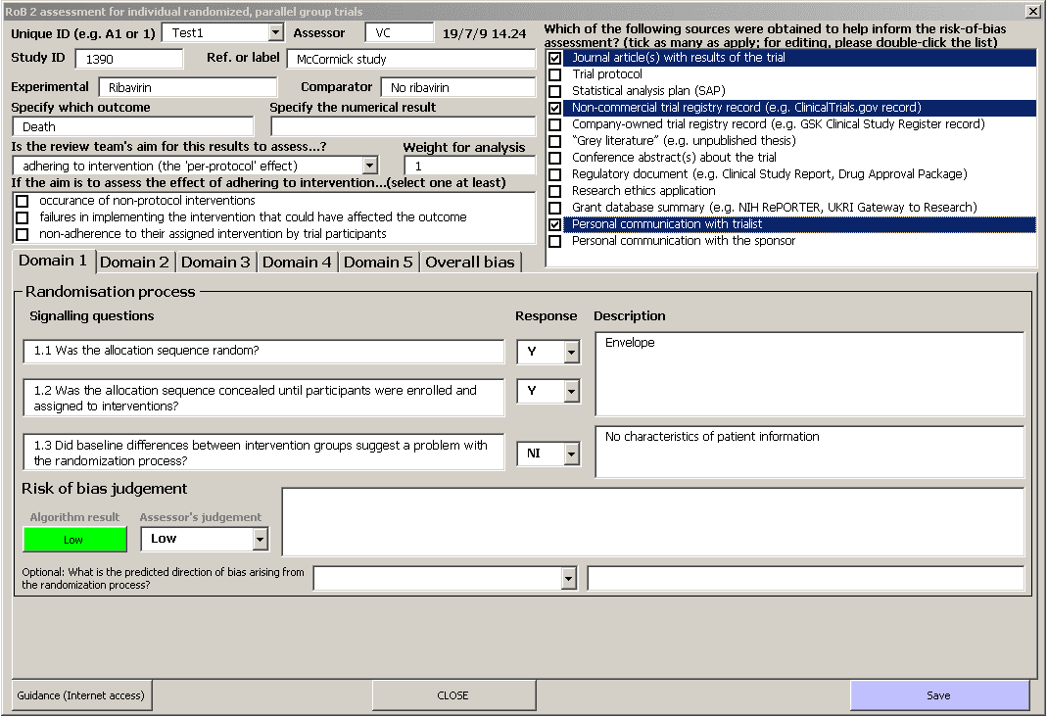
a.
b.
c.
d.

Summary
Unique ID | Reviewer | Study ID | Reference | Experimental | Comparator | Outcome | Result | Aim | Effect of adhering to intervention? | Weight | Randomization process | Deviations from intended interventions | Mising outcome data | Measurement of the outcome | Selection of the reported result | Overall Bias |  | Randomization process | Deviations from intended interventions | Mising outcome data | Measurement of the outcome | Selection of the reported result | Overall Bias
A1 | Wang | IRCT201511015623N59 | Clin Nutr. 2017;36(5):1245-1249 | probiotic | placebo | EDSS, parameters of mental health, inflammatory factors, markers of insulin |  | assignment to intervention (the 'intention-to-treat' effect) | NA | 1 | Low | Low | Low | Low | Low | Low | Assignment to intervention (the 'intention-to-treat' effect)
A2 | Wang | IRCT2017082234497N2 | FF. 52(2019):8-13. | probiotic | placebo | Expanded disability status scale, parameters of mental health, biomarkers of inflammation and oxidative stress, and insulin |  | assignment to intervention (the 'intention-to-treat' effect) | NA | 1 | Low | Low | Low | Low | Low | Low | Total number of study = 3
A3 | Wang | Project Code: NRC-9719 | 10.1080/1028415X.2020 | Probiotic | placebo | circulating levels of BDNF, NGF, IL-6 and mental health |  | assignment to intervention (the 'intention-to-treat' effect) | NA | 1 | Some concerns | Low | Low | Low | Low | Some concerns | Low risk | 66.7 | 100 | 100 | 100 | 100 | 66.7
 |  |  |  |  |  |  |  |  |  |  |  |  |  |  |  |  | Some concerns | 33.3 | 0 | 0 | 0 | 0 | 33.3
 |  |  |  |  |  |  |  |  |  |  |  |  |  |  |  |  | High risk | 0 | 0 | 0 | 0 | 0 | 0
 |  |  |  |  |  |  |  |  |  |  |  |  |  |  |  |  | Adhering to intervention (the 'per-protocol' effect)
 |  |  |  |  |  |  |  |  |  |  |  |  |  |  |  |  | Total number of study = 0
 |  |  |  |  |  |  |  |  |  |  |  |  |  |  |  |  | Low risk
 |  |  |  |  |  |  |  |  |  |  |  |  |  |  |  |  | Some concerns
 |  |  |  |  |  |  |  |  |  |  |  |  |  |  |  |  | High risk

As percentage (intention-to-treat)

As precentage (Per protocol)
 | Low risk | Some concerns | High risk
Randomization process
Deviations from intended interventions
Mising outcome data
Measurement of the outcome
Selection of the reported result
Overall Bias

Figures
+
+
+
+
+
+
+
+
+
+
+
+
+
?
Studies with intention-to-treat | Unique ID | Study ID | Experimental | Comparator | Outcome | Weight | Randomization process | Deviations from intended interventions | Missing outcome data | Measurement of the outcome | Selection of the reported result | Overall |  | Studies with pre-protocol | Unique ID | Study ID | Experimental | Comparator | Outcome | Weight | Randomization process | Deviations from intended interventions | Missing outcome data | Measurement of the outcome | Selection of the reported result | Overall
 | A1 | IRCT201511015623N59 | probiotic | placebo | EDSS, parameters of mental health, inflammatory factors, markers of insulin | 1 |  |  |  |  |  |  | Low risk
 | A2 | IRCT2017082234497N2 | probiotic | placebo | Expanded disability status scale, parameters of mental health, biomarkers of inflammation and oxidative stress, and insulin | 1 |  |  |  |  |  |  | Some concerns
?
+
+
+
+
!
?
 | A3 | Project Code: NRC-9719 | Probiotic | placebo | circulating levels of BDNF, NGF, IL-6 and mental health | 1 |  |  |  |  |  |  | High risk

