Table S2
Supplementary Table S2. Internal standards and standard curve in determination of Ce content by ICP/MS

Internal Standards
 | In 115
1
2
3 | 100.0%
4 | 99.5%
5 | 99.2%
6 | 98.8%
7 | 99.3%
8 | 99.6%
10 | 95.3%
11 | 91.2%
12 | 106.6%
13 | 107.9%
14 | 108.1%
15 | 106.7%
16 | 105.1%
17 | 102.7%
18 | 106.2%
19 | 104.1%
20 | 108.1%
21 | 110.9%
22 | 110.4%
23 | 111.6%
24 | 107.3%
25 | 104.6%
26 | 103.8%
27 | 103.0%
28 | 103.3%
29 | 105.8%
30 | 105.1%
31 | 100.0%
32 | 98.2%
33 | 103.0%
34 | 102.9%
35 | 103.0%
36 | 103.0%
37 | 100.0%
38 | 98.2%
39 | 103.0%
40 | 102.9%
41 | 103.0%
42 | 103.0%
43 | 101.4%
44 | 100.4%
45 | 93.2%
46 | 89.1%
47 | 87.6%
48 | 94.4%
49 | 98.3%
50 | 98.1%
51 | 100.0%
...
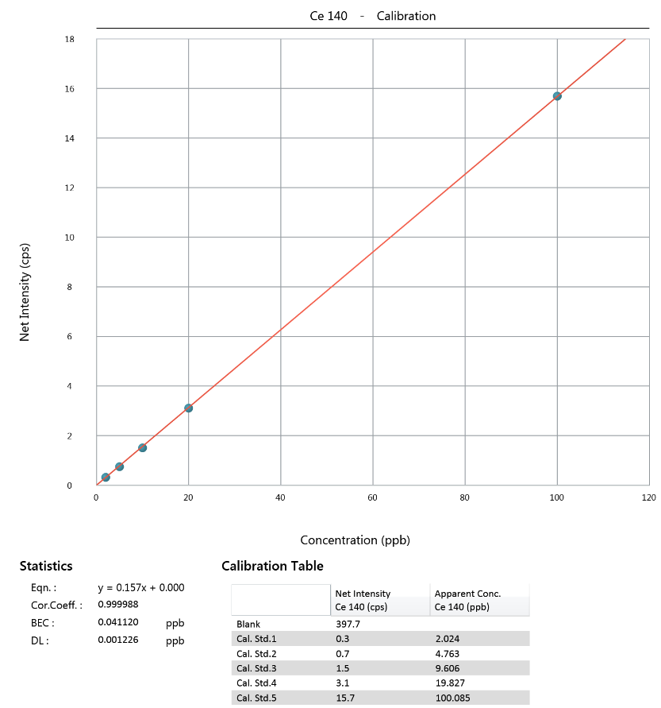
Row Index Number | In 115
1
2
3 | 100.0%
4 | 99.5%
5 | 99.2%
6 | 98.8%
7 | 99.3%
8 | 99.6%
10 | 95.3%
11 | 91.2%
12 | 106.6%
13 | 107.9%
14 | 108.1%
15 | 106.7%
16 | 105.1%
17 | 102.7%
18 | 106.2%
19 | 104.1%
20 | 108.1%
21 | 110.9%
22 | 110.4%
23 | 111.6%
24 | 107.3%
25 | 104.6%
26 | 103.8%
27 | 103.0%
28 | 103.3%
29 | 105.8%
30 | 105.10%
31 | 100.0%
32 | 98.2%
33 | 103.0%
34 | 102.9%
35 | 103.0%
36 | 103.0%
37 | 100.0%
38 | 98.2%
39 | 103.0%
40 | 102.9%
41 | 103.0%
42 | 103.0%
43 | 101.4%
44 | 100.4%
45 | 93.2%
46 | 89.1%
47 | 87.6%
48 | 94.4%
49 | 98.3%
50 | 98.1%
51 | 100.0%
52 | 96.2%
53 | 94.5%
54 | 92.9%
55 | 89.2%
56 | 83.8%
57 | 80.3%
58 | 90.1%
59 | 90.2%
60 | 92.5%
61 | 90.8%
62 | 92.9%
63 | 92.9%
64 | 94.1%
65 | 82.1%
66 | 82.5%
67 | 83.0%

Table S4
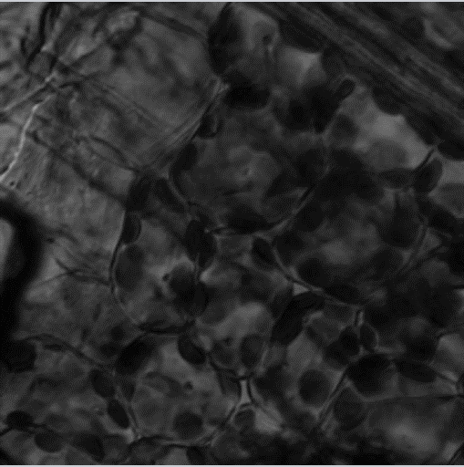

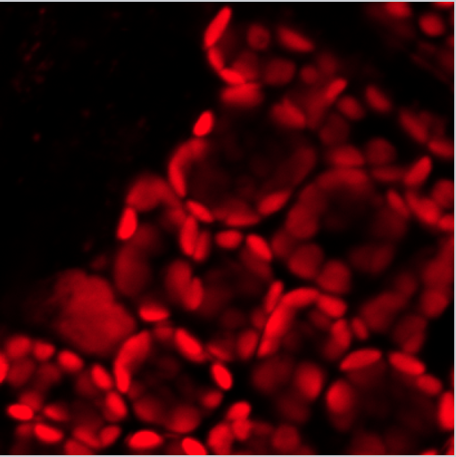
Supplementary Table S4. Confocal imaging of rice seedling leaves without DAF-FM DA staining

DAF-FM
Chlorophyll
Bright Field

