GCMS Spectra
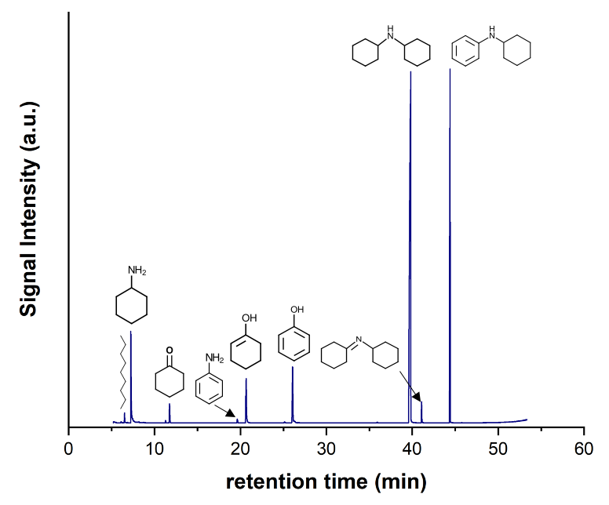

nonane (6.53)
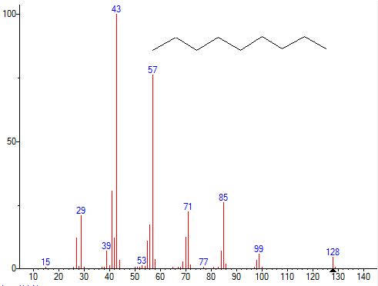
tret | 6.513 | Nonane
Area | 54542200 | Formula: C9H20
%Area | 0.5430 | MW: 128 Exact Mass: 128.156501 CAS#: 111-84-2 NIST#: 228006 ID#: 8228 DB: mainlib
 |  | Other DBs: Fine, TSCA, RTECS, HODOC, NIH, EINECS, IRDB
 |  | Contributor: Japan AIST/NIMC Database- Spectrum MS-NW-3673
 |  | InChIKey: BKIMMITUMNQMOS-UHFFFAOYSA-N Non-stereo
 |  | 10 largest peaks:
 |  |  | 43 | 999 | | 57 | 761 | | 41 | 305 | | 85 | 259 | | 71 | 223 |
 |  |  | 29 | 206 | | 56 | 170 | | 70 | 123 | | 42 | 120 | | 27 | 119 |

CyA (7.24 min)
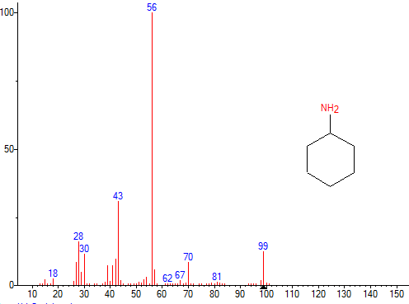
tret | 7.315 | Cyclohexylamine
Area | 658603328 | Formula: C6H13N
 |  | MW: 99 Exact Mass: 99.1047993 CAS#: 108-91-8 NIST#: 125147 ID#: 23891 DB: mainlib
 |  | Other DBs: Fine, TSCA, RTECS, EPA, HODOC, EINECS, IRDB
 |  | Contributor: NIST Mass Spectrometry Data Center, 1992
 |  | Related CAS#: 143247-75-0; 157973-60-9
 |  | InChIKey: PAFZNILMFXTMIY-UHFFFAOYSA-N Non-stereo
 |  | 10 largest peaks:
 |  |  | 56 | 999 | | 43 | 306 | | 28 | 160 | | 99 | 123 | | 30 | 113 |
 |  |  | 42 | 95 | | 27 | 84 | | 70 | 84 | | 39 | 72 | | 41 | 70 |

CyO (11.75 min)
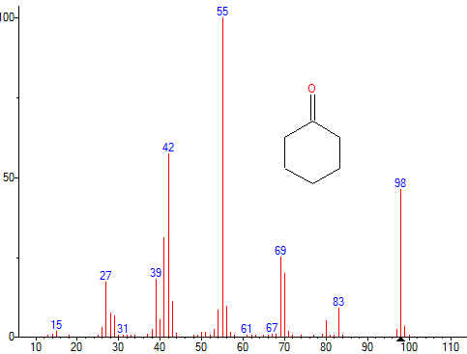
tret | 11.747 | Cyclohexanone
Area | 120394456 | Formula: C6H10O
 |  | MW: 98 Exact Mass: 98.073165 CAS#: 108-94-1 NIST#: 227787 ID#: 5581 DB: replib
 |  | Other DBs: Fine, TSCA, RTECS, EPA, HODOC, NIH, EINECS, IRDB
 |  | Contributor: Japan AIST/NIMC Database- Spectrum MS-NW-5501
 |  | InChIKey: JHIVVAPYMSGYDF-UHFFFAOYSA-N Non-stereo
 |  | 10 largest peaks:
 |  |  | 55 | 999 | | 42 | 574 | | 98 | 461 | | 41 | 311 | | 69 | 249 |
 |  |  | 70 | 199 | | 39 | 179 | | 27 | 171 | | 43 | 111 | | 56 | 94 |

Aniline (19.65)
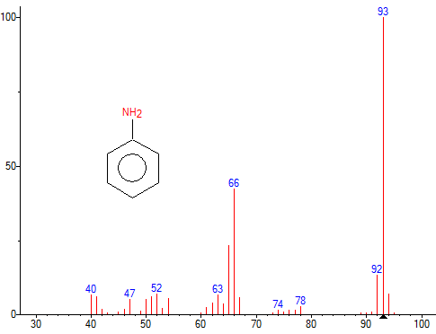
tret | 19.65 | Aniline
Area | 27809168 | Formula: C6H7N
 |  | MW: 93 Exact Mass: 93.0578494 CAS#: 62-53-3 NIST#: 379437 ID#: 16180 DB: replib
 |  | Other DBs: Fine, TSCA, RTECS, EPA, HODOC, EINECS, IRDB
 |  | Contributor: Drug Lab
 |  | Related CAS#: 146997-94-6; 37342-16-8
 |  | InChIKey: PAYRUJLWNCNPSJ-UHFFFAOYSA-N Non-stereo
 |  | 10 largest peaks:
 |  |  | 93 | 999 | | 66 | 422 | | 65 | 232 | | 92 | 130 | | 52 | 68 |
 |  |  | 94 | 67 | | 40 | 64 | | 63 | 64 | | 41 | 58 | | 51 | 58 |

PhOHxy (20.65)

Name: 2-Cyclohexen-1-ol
Formula: C6H10O
MW: 98 Exact Mass: 98.073165 CAS#: 822-67-3 NIST#: 125103 ID#: 40617 DB: mainlib
Other DBs: Fine, HODOC, NIH, EINECS, IRDB
Contributor: NIST Mass Spectrometry Data Center, 1992
InChIKey: PQANGXXSEABURG-UHFFFAOYSA-N Non-stereo
10 largest peaks:
 | 70 | 999 | | 83 | 471 | | 39 | 413 | | 55 | 369 | | 41 | 352 |
 | 69 | 346 | | 97 | 342 | | 98 | 316 | | 27 | 290 | | 42 | 266 |

PhOH (26.06 min)
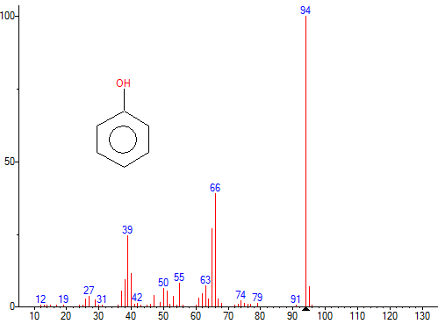
tret | 26.185 | Phenol
Area | 534631744 | Formula: C6H6O
 |  | MW: 94 Exact Mass: 94.041865 CAS#: 108-95-2 NIST#: 133909 ID#: 73738 DB: mainlib
 |  | Other DBs: Fine, TSCA, RTECS, EPA, USP, HODOC, NIH, EINECS, IRDB
 |  | Contributor: NIST Mass Spectrometry Data Center, 1994
 |  | Related CAS#: 14534-23-7; 50356-25-7; 8002-07-1
 |  | InChIKey: ISWSIDIOOBJBQZ-UHFFFAOYSA-N Non-stereo
 |  | 10 largest peaks:
 |  |  | 94 | 999 | | 66 | 387 | | 65 | 266 | | 39 | 243 | | 40 | 114 |
 |  |  | 38 | 92 | | 55 | 79 | | 63 | 71 | | 95 | 68 | | 50 | 63 |

DCyA (39.82 min)
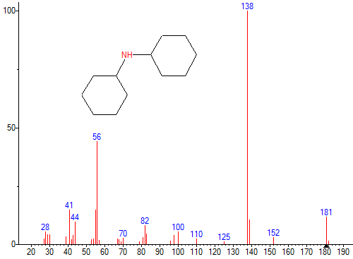
tret | 39.64 | Cyclohexanamine, N-cyclohexyl-
Area | 5921377280 | Formula: C12H23N
 |  | MW: 181 Exact Mass: 181.18305 CAS#: 101-83-7 NIST#: 424164 ID#: 25520 DB: replib
 |  | Other DBs: Fine, TSCA, RTECS, HODOC, NIH, EINECS
 |  | Contributor: TAJIMA S, GUNMA COLLEGE OF TECHNOLOGY; Used with permission, courtesy of Funatsu Laboratory, University of Tokyo.The copyright reserved by Funatsu Laboratory.
 |  | Related CAS#: 111487-88-8; 157973-63-2; 111522-94-2; 856793-27-6; 111487-93-5
 |  | InChIKey: XBPCUCUWBYBCDP-UHFFFAOYSA-N Non-stereo
 |  | 10 largest peaks:
 |  |  | 138 | 999 | | 56 | 441 | | 41 | 148 | | 55 | 146 | | 181 | 116 |
 |  |  | 139 | 103 | | 44 | 94 | | 82 | 79 | | 100 | 53 | | 28 | 52 |

Imine (41.09 min)
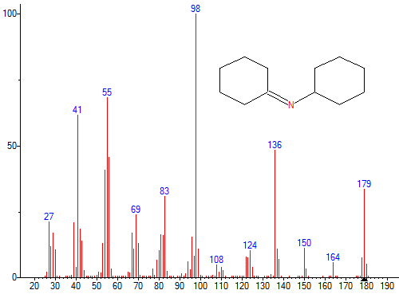
tret | 41.082 | Cyclohexanamine, N-cyclohexylidene-
Area | 103486920 | Formula: C12H21N
 |  | MW: 179 Exact Mass: 179.167399 CAS#: 10468-40-3 NIST#: 149265 ID#: 77908 DB: mainlib
 |  | Other DBs: None
 |  | Contributor: Chemical Concepts
 |  | InChIKey: QAFRYXRYDOBFEF-UHFFFAOYSA-N Non-stereo
 |  | 10 largest peaks:
 |  |  | 98 | 999 | | 55 | 680 | | 41 | 614 | | 136 | 483 | | 56 | 456 |
 |  |  | 54 | 405 | | 179 | 335 | | 83 | 308 | | 69 | 237 | | 27 | 209 |

CyPhA (44.40 min)
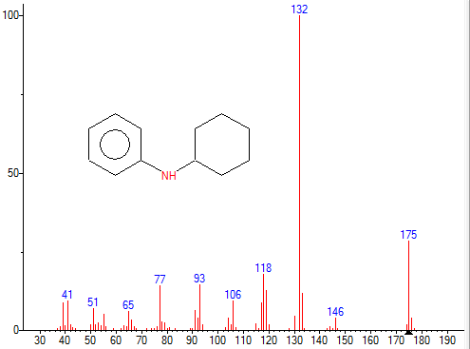
tret | 44.399 | N-Phenylcyclohexylamine
Area | 2098931200 | Formula: C12H17N
 |  | MW: 175 Exact Mass: 175.1361 CAS#: 1821-36-9 NIST#: 270961 ID#: 127751 DB: mainlib
 |  | Other DBs: Fine, TSCA, HODOC, NIH, EINECS
 |  | Contributor: A.A.Kutin, Moscow, Russia
 |  | InChIKey: TXTHKGMZDDTZFD-UHFFFAOYSA-N Non-stereo
 |  | 10 largest peaks:
 |  |  | 132 | 999 | | 175 | 283 | | 118 | 177 | | 93 | 143 | | 77 | 139 |
 |  |  | 119 | 126 | | 133 | 115 | | 41 | 93 | | 106 | 93 | | 117 | 87 |

