Sheet1
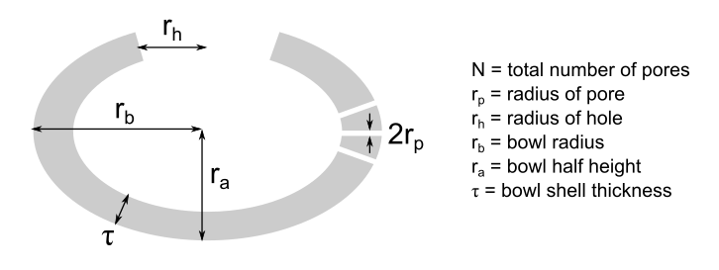
Change values in GREEN squares only!

Bowl shaped particles |  |  | Area calculation

r_a | 80 | nm | Outer surface | 63412.5 | nm^2
r_b | 100 | nm | Inner surface | 22944.0 | nm^2
r_p | 5 | nm | Lid correction | 1099.6 | nm^2
r_h | 35 | nm | Pore correction | 298451.3 | nm^2
tau | 40 | nm | Total SA | 385907.4 | nm^2
N | 100 |  | Total SA | 0.3859 | um^2
e | 0.6 |  | Total SA | 3.86E-13 | m^2
f | 0.7453559925
 |  |  | Volume calculation
Polymer density | 1.26 | g/cm^3
Polymer density | 1260 | kg/m^3 | Shell volume | 2747846.4 | nm^3
 |  |  | Lid correction | -153938.0 | nm^3 | Spherical counterpart (r_b = r) |  | Porous sphere (r_b = r; same pore dimensions)
 |  |  | Pore correction | -314159.3 | nm^3 |  |  | -785398.1634 | nm^3
 |  |  | Total volume | 2279749.1 | nm^3 | 4188790.2048 | nm^3 | 3403392.0 | nm^3
 |  |  | Total volume | 0.002280 | um^3 | 0.004189 | um^3 | 0.003403 | um^3
 |  |  | Total volume | 2.28E-21 | m^3 | 4.19E-21 | m^3 | 3.40E-21 | m^3

 |  |  | Number density calculation | Bowls |  | Spheres |  | Golf balls

 |  |  | Mass of a particle | 2.87E-18 | kg | 5.28E-18 | kg | 4.29E-18 | kg
 |  |  | Mass of a particle | 2.87E-15 | g | 5.28E-15 | g | 4.29E-15 | g
 |  |  | Number of particles/gram | 3.48E+14 |  | 1.89E+14 |  | 2.33E+14

