WB
抗体名 | 产 地 | 货 号 | 分子量（KD） | 种 属 | 一抗稀释比 | 分离胶浓度 | 封 闭 | 二抗稀释比
ACTIN | Servicebio | GB12001 | 42 | Mouse | 1: 3000 | 10% | 5%脱脂奶粉 | 1：5000
IGF2 | 正能生物 | 820814 | 20（17） | Rabbit | 1: 1000 | 10% | 5%脱脂奶粉 | 1：5000

蛋白上样量
标本号 | 1-2 | 2-6 | 3-4 | 1-7 | 2-8 | 3-10 | 1-18 | 2-13 | 3-20
上样量(μl) | 5.00 | 5.00 | 5.50 | 8.00 | 9.00 | 7.50 | 6.50 | 5.50 | 8.50
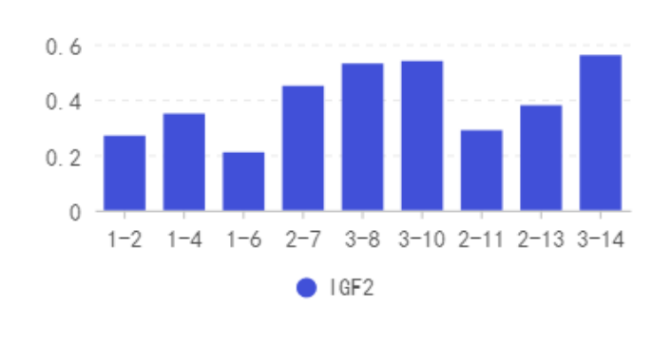
标本灰度值（以AlphaEase FC软件取值。灰度值取值误差较大，以下数据仅供参考！）
Strip gray value |  |  |  | Ratio of the gray value of the target strip to the gray value of the internal reference strip
标本号 | ACTIN | IGF2 |  |  | IGF2
1-2 | 394060 | 106875 |  | 1-2 | 0.27
1-4 | 358937 | 126270 |  | 1-4 | 0.35
1-6 | 408456 | 85800 |  | 1-6 | 0.21
2-7 | 376915 | 168168 |  | 2-7 | 0.45
3-8 | 405314 | 216000 |  | 3-8 | 0.53
3-10 | 391867 | 213435 |  | 3-10 | 0.54
2-11 | 415480 | 118726 |  | 2-11 | 0.29
2-13 | 373520 | 142800 |  | 2-13 | 0.38
3-14 | 385826 | 216108 |  | 3-14 | 0.56

 |  |  | 条带灰度值 | 标本号 | 1-2 | 1-4 | 1-6 | 2-7 | 3-8 | 3-10 | 2-11 | 2-13 | 3-14
 |  |  |  | ACTIN | 394060 | 358937 | 408456 | 376915 | 405314 | 391867 | 415480 | 373520 | 385826
 |  |  |  | IGF2 | 106875 | 126270 | 85800 | 168168 | 216000 | 213435 | 118726 | 142800 | 216108

