Table S3
Yield, AE, RME, MI/PMI and OE
Reactant (Umiting Reactant first) | Mass(g) | MW | Mol | Catalyst | Mass(g) | Reagent | Mass(g) | Reaction solvent | Volume(cm3) | Density(g/ml) | Mass(g) | Work up chemical | Mass(g) | Work up solvent | Volume(cm3) | Density(g/ml) | Mass(g)
TBMP | 20.00 | 259.30 | 0.077 |  |  |  |  | H2O | 118.80 | 1.00 | 118.80 | (2S,4S)-TBMP monohydrate | 0.06 | water | 30.00 | 1.00 | 30.00
H2O | 1.20 | 18.00 | 0.067

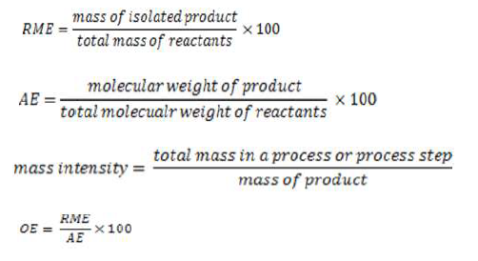
Total | 21.20 | 277.30 |  |  | 0.00 |  | 0.00 |  |  |  | 118.80 |  | 0.06 |  |  |  | 30.00
 |  |  |  |  |  |  |  |  | Flag
 |  |  |  |  |  |  | Yield | 87.70 | 87.70
 |  |  |  |  |  |  | Conversion | 100.00 | 100.00
 |  |  |  |  |  |  | Selectivity | 87.70 | 87.70 |  |  |  |  | Mass | Mw | Mol
 |  |  |  |  |  |  | AE | 93.51 |  |  |  | Product |  | 15.16 | 259.30 | 0.058
 |  |  |  |  |  |  | RME | 71.51 | OE | 76.47 |  |  |  | Mass
 |  |  |  |  |  |  | PMI toal | 11.22 | Em | -0.99 |  | Unreacted limiting reactant
 |  |  |  |  |  |  | PMI Reaction | 9.23
 |  |  |  |  |  |  | PMI reactants, reagents, catalyst | 1.40
 |  |  |  |  |  |  | PMI solvents | 7.84
 |  |  |  |  |  |  | PMI Workup | 1.98
 |  |  |  |  |  |  | PMI Workup chemical | 0.00
 |  |  |  |  |  |  | PMI Workup solvents | 1.98
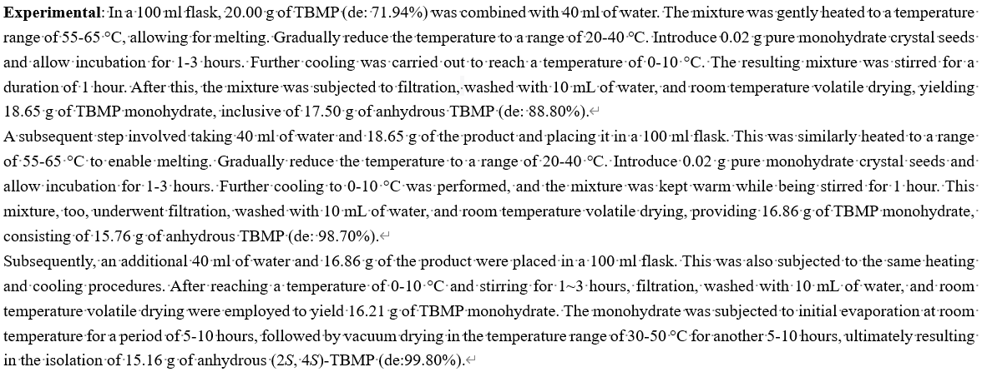
Solvents(First Pass) |  |  |  |  |  |  | List solvents below
Preferred solvents |  | water, EtOH, nBuOH, AcOipr, AcOnBu, PhOMe, MeOH, tBuOH, BnOH, ethylene glycol, acetone, MEK, MIBK, AcOEt, sulfolane |  |  |  |  | water
Problematic solvents: (acceptable only if substitution does not offer advantages) |  | DMSO, cyclohexanone, DMPU, AcOH, Ac2O, Acetonitrile, AcOMe, THF, heptane, Mecyclohexane, toluene, xylene, MTBE, cyclohexane, chlorobenzene, formic acid, pyridine, Me-THF
Hazardous solvents: These solvents have significant health and/or safety concerns. |  | dioxane, pentane, TEA, diisopropyl ether, DME, DCM, DMF, DMA, NMP, methoxyethanol, hexanewater
Highly hazardous solvents: The solvents which are agreed not to be used, even in screening |  | Et2O, Benzene, CCl4, chloroform, DCE, nitromethane, CS2, HMPA

Catalyst/enzyme (First Pass) |  |  |  | Tick |  |  |  |  |  | Tick
Catalyst or enzyme used, or reaction takes place without any catalyst/reagents. |  |  | Green flag | x |  | Facile recovery of catalyst/enzyme |  |  | Green flag | x
Use of stoichiometric quantities of reagents |  |  | Amber flag |  |  | catalyst/enzyme not recovered |  |  | Amber flag
Use of reagents in excess |  |  | Red flag

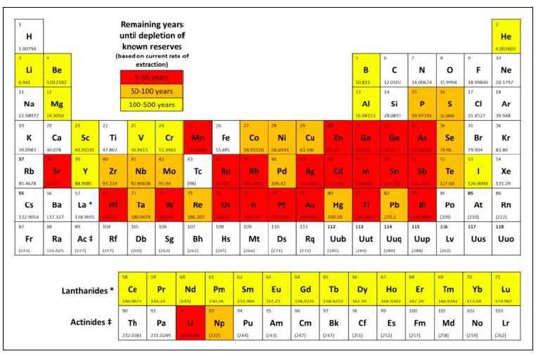
Critical elements
Supply remaining | Flga colour | Note element
5-50 years | Red flag
50-500 years | Amber flag
﹢500 years | Green flag

Energy(First pass) |  |  | Tick |  |  |  |  |  | Tick
Reaction run between 0 to 70°C |  | Green flag | x |  | Reaction run at reflux |  |  | Red flag
Reaction run between -20 to 0 or 70 to 140°C |  | Amber flag |  |  | Reaction run 5°C or more below the solvent boiling point |  |  | Green flag | x
Reaction run below -20 or ab 140°C |  | Red flag

Batch/flow | Flga colour |  | Tick |  | Work up |  |  |  | list
Flow | Green flag |  |  |  | quenching |  |  | Green flag | x
Batch | Amber flag |  | x |  | filtration
 |  |  |  |  | centrifugation
 |  |  |  |  | crystallisation
 |  |  |  |  | low temperature distillation/evaporation/sublimation((<140 °C at atmospheric pressure)
 |  |  |  |  | solvent exchange, quenching into aqueous solvent |  |  | Amber flag
 |  |  |  |  | chromatograhy/ion exchange |  |  | Red flag
 |  |  |  |  | high temperature
 |  |  |  |  | multiple recrystallisation

Health & safety
 | Red Flag |  | Amber Flag |  | Green Flag |  | List substances and H-codes |  | List substances and H-codes |  | List substances and H-codes
Highly explosvie | H200, H201, H202, H203 |  | H205, H220, H224 |  | If no red or amber flagged H codes present then green flag |  |  |  |  |  | x
Explosive thermal runaway | H230, H240, H250 |  | H241
Toxic | H300, H310, H330 |  | H301, H311, H331
Long Term toxicity | H340, H350, H3560, H370, H372 |  | H341, H351, H361, H371, H373
Environmental implications | H400, H410, H411, H420 |  | H401, H412

Use of chemicals of environmental concern |  |  |  |  | List substances and H-codes
chemical identified as Substances of Very High Concern by ChemSec which are utilised |  |  |  | Red flag | none

Table S4
Yield, AE, RME, MI/PMI and OE
Reactant (Umiting Reactant first) | Mass(g) | MW | Mol | Catalyst | Mass(g) | Reagent | Mass(g) | Reaction solvent | Volume(cm3) | Density(g/ml) | Mass(g) | Work up chemical | Mass(g) | Work up solvent | Volume(cm3) | Density(g/ml) | Mass(g)
TBMP | 15.20 | 259.30 | 0.059 |  |  |  |  | tert-Butyl methyl ether | 270.00 | 0.74 | 199.80 | Na2SO4 | 1.60 | tert-Butyl methyl ether | 60.00 | 0.74 | 44.40
Dicyclohexylamine | 8.77 | 181.32 | 0.048 |  |  |  |  | H2O | 80.58 | 1.00 | 80.58
NaOH | 1.76 | 40.00 | 0.044 |  |  |  |  | Dichloromethane | 5.00 | 1.33 | 6.65
Hydrochloric acid | 5.58 | 36.46 | 0.153 |  |  |  |  | Heptane | 25.00 | 0.68 | 17.00
Total | 31.31 | 517.08 |  |  | 0.00 |  | 0.00 |  |  |  | 304.03 |  | 1.60 |  |  |  | 44.40
 |  |  |  |  |  |  |  |  | Flag
 |  |  |  |  |  |  | Yield | 70.33 | 70.73
 |  |  |  |  |  |  | Conversion | 100.00 | 100.00
 |  |  |  |  |  |  | Selectivity | 70.33 | 70.73 |  |  |  |  | Mass | Mw | Mol
 |  |  |  |  |  |  | AE | 50.15 |  |  |  | Product |  | 8.82 | 259.30 | 0.034
 |  |  |  |  |  |  | RME | 28.17 | OE | 56.17 |  |  |  | Mass
 |  |  |  |  |  |  | PMI toal | 43.24 | Em | -0.96 |  | Unreacted limiting reactant
 |  |  |  |  |  |  | PMI Reaction | 38.02
 |  |  |  |  |  |  | PMI reactants, reagents, catalyst | 3.55
 |  |  |  |  |  |  | PMI solvents | 34.47
 |  |  |  |  |  |  | PMI Workup | 5.22
 |  |  |  |  |  |  | PMI Workup chemical | 0.18
 |  |  |  |  |  |  | PMI Workup solvents | 5.03

Solvents(First Pass) |  |  |  |  |  |  | List solvents below
Preferred solvents |  | water, EtOH, nBuOH, AcOipr, AcOnBu, PhOMe, MeOH, tBuOH, BnOH, ethylene glycol, acetone, MEK, MIBK, AcOEt, sulfolane |  |  |  |  | water
Problematic solvents: (acceptable only if substitution does not offer advantages) |  | DMSO, cyclohexanone, DMPU, AcOH, Ac2O, Acetonitrile, AcOMe, THF, heptane, Mecyclohexane, toluene, xylene, MTBE, cyclohexane, chlorobenzene, formic acid, pyridine, Me-THF |  |  |  |  | MTBE
Hazardous solvents: These solvents have significant health and/or safety concerns. |  | dioxane, pentane, TEA, diisopropyl ether, DME, DCM, DMF, DMA, NMP, methoxyethanol, hexanewater |  |  |  |  | DCM, pentane
Highly hazardous solvents: The solvents which are agreed not to be used, even in screening |  | Et2O, Benzene, CCl4, chloroform, DCE, nitromethane, CS2, HMPA

Catalyst/enzyme (First Pass) |  |  |  | Tick |  |  |  |  |  | Tick
Catalyst or enzyme used, or reaction takes place without any catalyst/reagents. |  |  | Green flag | x |  | Facile recovery of catalyst/enzyme |  |  | Green flag | x
Use of stoichiometric quantities of reagents |  |  | Amber flag |  |  | catalyst/enzyme not recovered |  |  | Amber flag
Use of reagents in excess |  |  | Red flag

Critical elements
Supply remaining | Flga colour | Note element
5-50 years | Red flag
50-500 years | Amber flag
﹢500 years | Green flag

Energy(First pass) |  |  | Tick |  |  |  |  |  | Tick
Reaction run between 0 to 70°C |  | Green flag | x |  | Reaction run at reflux |  |  | Red flag
Reaction run between -20 to 0 or 70 to 140°C |  | Amber flag |  |  | Reaction run 5°C or more below the solvent boiling point |  |  | Green flag
Reaction run below -20 or ab 140°C |  | Red flag

Batch/flow | Flga colour |  | Tick |  | Work up |  |  |  | list
Flow | Green flag |  |  |  | quenching |  |  | Green flag
Batch | Amber flag |  | x |  | filtration
 |  |  |  |  | centrifugation
 |  |  |  |  | crystallisation
 |  |  |  |  | low temperature distillation/evaporation/sublimation((<140 °C at atmospheric pressure)
 |  |  |  |  | solvent exchange, quenching into aqueous solvent |  |  | Amber flag | x
 |  |  |  |  | chromatograhy/ion exchange |  |  | Red flag
 |  |  |  |  | high temperature
 |  |  |  |  | multiple recrystallisation

Health & safety
 | Red Flag |  | Amber Flag |  | Green Flag |  | List substances and H-codes |  | List substances and H-codes |  | List substances and H-codes
Highly explosvie | H200, H201, H202, H203 |  | H205, H220, H224 |  | If no red or amber flagged H codes present then green flag |  | dicyclohexylamine:H410 Heptane:H410 |  | DCM:H351 Hydrochloric acid:H331 |  | MTBE water
Explosive thermal runaway | H230, H240, H250 |  | H241
Toxic | H300, H310, H330 |  | H301, H311, H331
Long Term toxicity | H340, H350, H3560, H370, H372 |  | H341, H351, H361, H371, H373
Environmental implications | H400, H410, H411, H420 |  | H401, H412

Use of chemicals of environmental concern |  |  |  |  | List substances and H-codes
chemical identified as Substances of Very High Concern by ChemSec which are utilised |  |  |  | Red flag | none

