Instructions
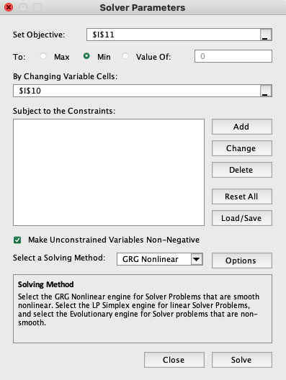
Before Calculation 1. Perform a stress relaxation or SAOS experiment on a sample; extend the range by time-temperature superposition if possible 2. If the data do not contain information from the terminal relaxation regime (see paper for experimental signatures), then STOP. - In such a case, the worksheet will produce numbers. But they likely will be meaningless since the relevant information is absent 3. If the terminal regime is spanned, use pyReSpect to compute discrete relaxation spectrum (DRS) - For G(t) use pyReSpect-time [https://github.com/shane5ul/pyReSpect-time] - For G*(ω) use pyReSpect-freq [https://github.com/shane5ul/pyReSpect-freq] 4. Paste the DRS {Gi, τi} in the shaded gray area in the "Calculations and Plot" sheet

To Do The Calculation 1. Sum up the corresponding DRS elements in columns B,D, E, J, and K - These quantities are shown in blue - Eight DRS modes are used by default. If your DRS has fewer or more modes, delete or add rows as needed 2. The relaxation times based on the 1st and 2nd moments are computed using - tau_term(1) = sum(Giτi)/sum(Gi) - tau_term(2) = sum(Giτi^2)/sum(Giτi) - ensure that cells C7 and C8 take the ratio of the appropriate terms 3. The longest relaxation time is simply max(τi) 4. The relaxation time based on the cross-over frequency first requires us to determine the cross over frequency, ωcross - This calculation requires a fair amount of manual intervention to get ωcross (blue shaded region) - At the cross-over frequency G' = G"; so ωcross [cell I10] is determined by minimizing the objective function fobj = (G'(ω) - G"(ω))^2 = 0 - Cell I11 corresponds to fobj = (G'(ω) - G"(ω))^2. ωcross may be estimated by finding the ω that minimizes I11 using Excel Solver - Select Data -> Solver. Ensure "Solver Parameters" are set as shown in the picture. Press "Solve" - If Solver finds solution, select "Keep Solver Solution" in the popup box - Note that this calculation might yield unexpected results if G' and G" cross-over multiple times - If that is the case, plot G' and G" over a range of frequencies and select the lowest cross-over frequency

Calculations and Plot
This sheet demonstrates how relaxation times based on different moments of the discrete relaxation spectrum (DRS) are computed, following section 4.2 of the review. The DRS {Gi, τi}, shaded in gray, is obtained using a program like pyReSpect. Important: These calculations are meaningful only if the DRS is extracted from observations that include the terminal relaxation regime Here, we use the DRS for the commercial polystyrene sample shown in Figure 5D of the tutorial review.

Relaxation time based on 1st moment | tau_term(1) [s] | 5.59E+00
Relaxation time based on 2nd moment | tau_term(2) [s] | 2.98E+02 |  |  | Helper for tau_cross calculation
Relaxtion based on G' and G" cross-over | tau_cross [s] | 1.60E+01 |  |  |  |  |  |  | Goal: use solver to find ω that minimizes fobj
Longest relaxation time* | tau_term(max) [s] | 1.01E+03 |  |  | ω = ωcross [rad/s] | 0.06255829295
 |  |  |  |  | fobj | 1.32E-23

 | Discrete Relaxation Spectrum |  |  |  |  |  | G' | G"
 | Gi [Pa] | τi [s] | Giτi2 [Pa s2] | Giτi [Pa s] | ωτi | (ωτi)2 | G'i [Pa] | G"i [Pa]
 | 3.33E+02 | 1.01E+03 | 3.42E+08 | 3.37E+05 | 6.34E+01 | 4.02E+03 | 3.33E+02 | 5.25E+00
 | 2.15E+03 | 1.99E+02 | 8.53E+07 | 4.28E+05 | 1.24E+01 | 1.55E+02 | 2.14E+03 | 1.72E+02
 | 6.36E+03 | 5.71E+01 | 2.08E+07 | 3.63E+05 | 3.57E+00 | 1.28E+01 | 5.90E+03 | 1.65E+03
 | 1.40E+04 | 1.74E+01 | 4.24E+06 | 2.43E+05 | 1.09E+00 | 1.19E+00 | 7.58E+03 | 6.95E+03
 | 3.18E+04 | 3.61E+00 | 4.15E+05 | 1.15E+05 | 2.26E-01 | 5.10E-02 | 1.54E+03 | 6.84E+03
 | 4.40E+04 | 5.98E-01 | 1.57E+04 | 2.63E+04 | 3.74E-02 | 1.40E-03 | 6.14E+01 | 1.64E+03
 | 5.28E+04 | 7.77E-02 | 3.19E+02 | 4.11E+03 | 4.86E-03 | 2.36E-05 | 1.25E+00 | 2.57E+02
 | 1.20E+05 | 5.58E-03 | 3.74E+00 | 6.69E+02 | 3.49E-04 | 1.22E-07 | 1.46E-02 | 4.19E+01
sum | 2.71E+05 |  | 4.52E+08 | 1.52E+06 |  |  | 1.76E+04 | 1.76E+04

Caveats 1. Experiments probe relaxation timescales over a finite window. Thus, the relaxation spectrum is not completely known 2. The discrete relaxation spectrum is not unique. Thus, individual weights and timescales should not be over-interpreted 3. From (2) it follows that the longest relaxation time obtained from experimental data is noisy; we caution against using it. 4. In contrast, if the terminal regime is sampled in stress relaxation or SAOS measurements, the first and second moments are relatively stable 5. Higher moments of the DRS are noisy, and rarely used 6. In principle, tau_cross can be obtained from the DRS, but remember that there can be multiple crossings of G' and G" 7. Just to be sure, we suggest plotting G' and G" using the inferred DRS, and verifying whether the (lowest) cross-over frequency is found

Arbitrary modulus value for plotting terminal relaxation times [Pa] | 1.00E+06

Discrete Relaxation Spectrum

