Figure S1
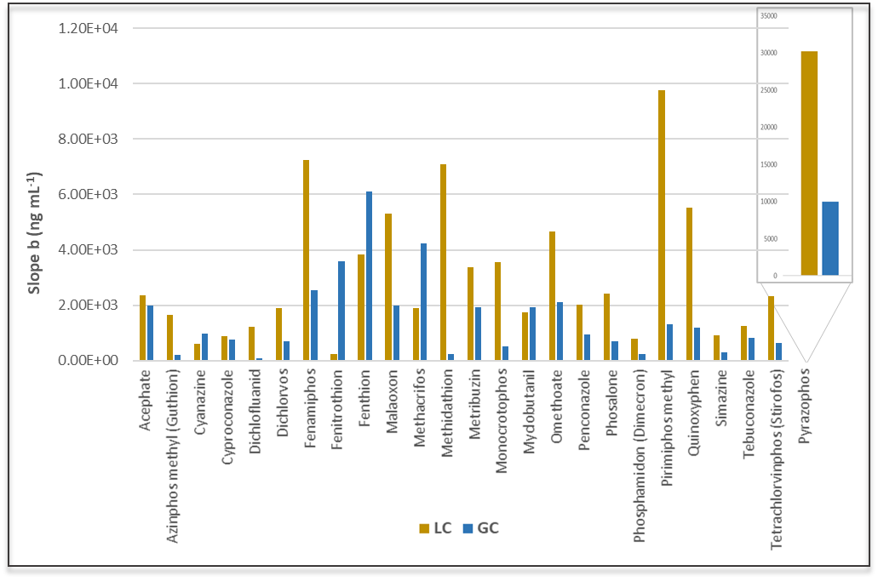 | Return to index

Figure S1. Evaluation of LC-(ESI)-QTOF MS and GC-(APCI)-QTOF MS sensitivity in terms of calibration slope, by comparing the mean absolute areas in 25 common analytes detected in positive ionization.

Figure S2
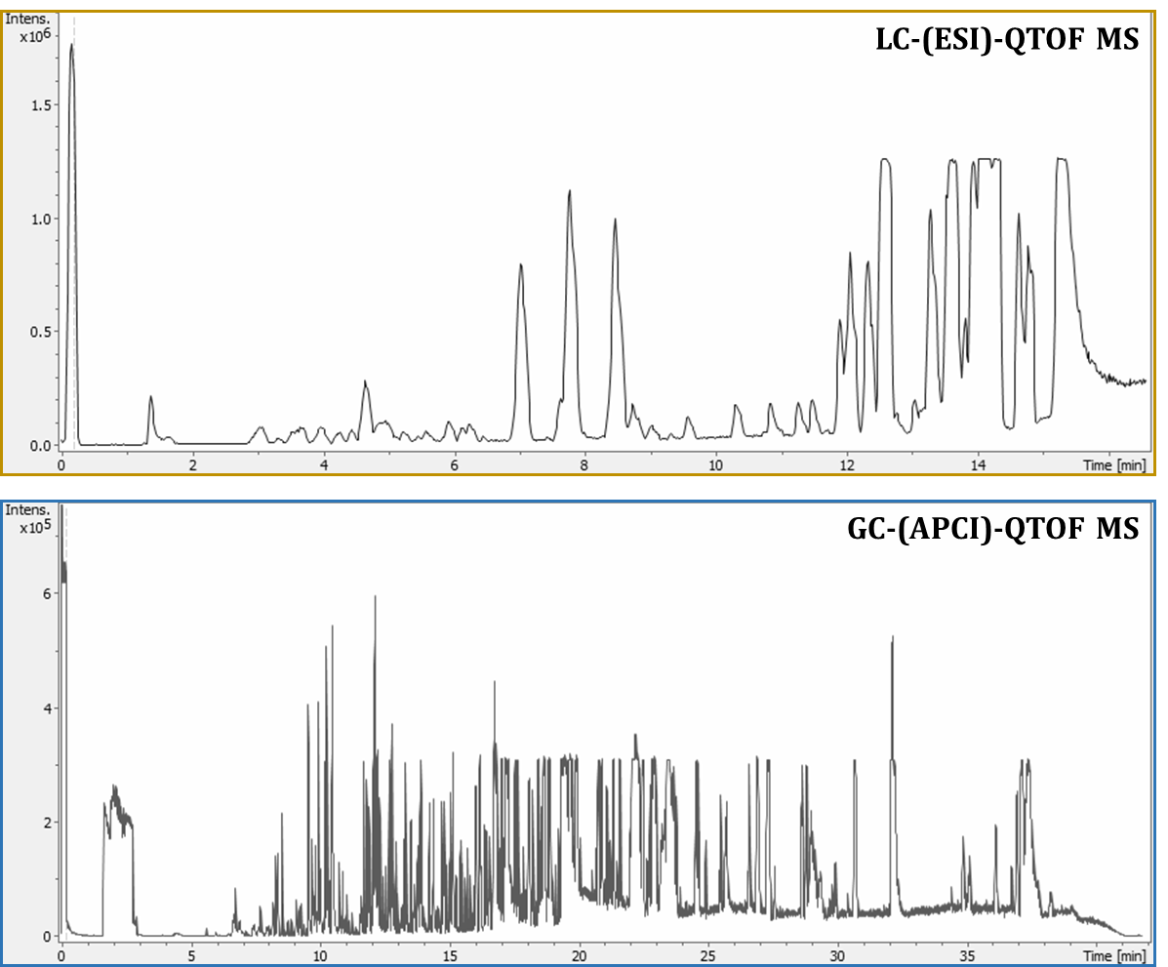 | Return to index

Figure S2. Base peak chromatograms of a blank sample from positive ionization in LC-(ESI)-QTOF MS and GC-(APCI)-QTOF MS

Figure S3
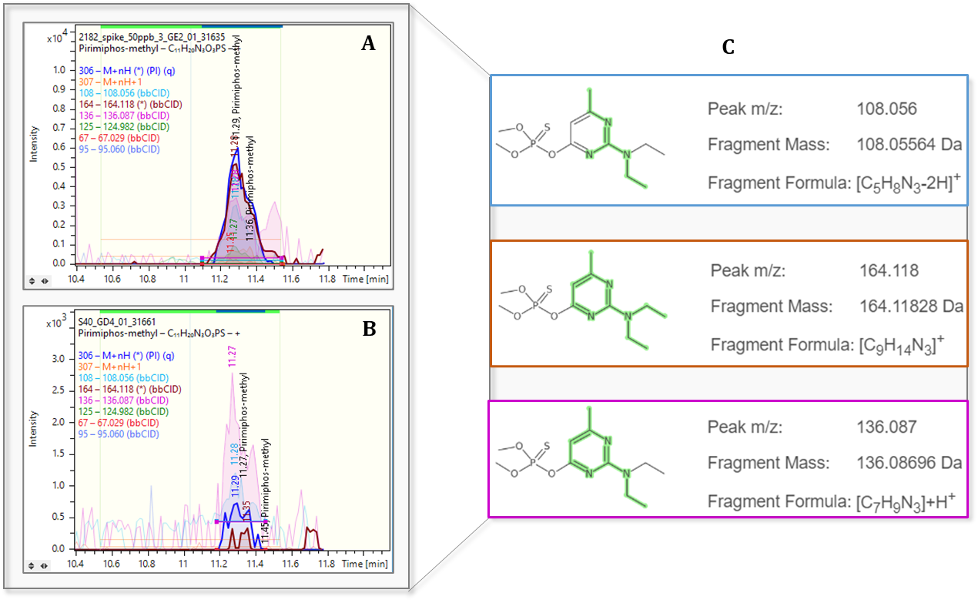 | Return to index

Figure S3. Identification of Pirimimphos-methyl, detected in LC-(ESI)-QTOF MS in positive ionization. Detection in A) spiked sample at 50ppb, and B) olive oil sample, along with C) compound's most abundant MS/MS fragments.

Figure S4
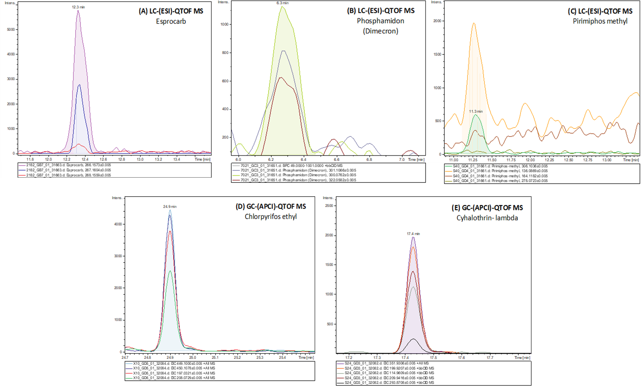 | Return to index

Figure S4. Extracted ion chromatograms (EICs) of pesticides detected in olive oil samples, in the cases of LC-(ESI)-QTOF MS (A-C), and GC-(APCI)-QTOF MS (D-E).

