Integration Data analysis
 |  |  |  |  | Et (ć) integral |  | CO (ć) integral |  | EtO (ć) integral |  | CO2 (ć) integral
Cycle | Start Index | Start Time, min | End Index | End Time, min | Start | End | Start | End | Start | End | Start | End | Conversion % | Selectivity %
1 | 9 | 5.6833333373 | 13 | 7.7166666761 | 0.01828048791 | 0.057315440658 | 5.2053074288E-05 | 5.2510486824E-05 | 0.0044743962001 | 0.0062781088552 | 0.21332481093 | 0.22659836178 | 17.8 | 21.4
2 | 41 | 26.56666667 | 45 | 28.666666664 | 0.10994814833 | 0.15053380173 | 0.00024434977493 | 0.0002447142163 | 0.034831982166 | 0.036397129825 | 1.4384638337 | 1.4454624341 | 11.1 | 30.9
3 | 73 | 47.516666666 | 77 | 49.550000004 | 0.19841559404 | 0.23829294116 | 0.00043608804896 | 0.00043649150584 | 0.060130980243 | 0.061663714129 | 2.5655176883 | 2.5719792654 | 10.7 | 32.2
4 | 105 | 68.433333337 | 109 | 70.516666658 | 0.28722125679 | 0.32728700552 | 0.00062140736964 | 0.00062170674978 | 0.083689481718 | 0.085193853049 | 3.6454420057 | 3.6516904081 | 10.4 | 32.5
5 | 137 | 89.416666664 | 141 | 91.5 | 0.3758879125 | 0.41562789344 | 0.00079558602952 | 0.00079592852876 | 0.10569654444 | 0.1071739766 | 4.6870462362 | 4.6933112408 | 10.4 | 32.0
6 | 169 | 110.4 | 173 | 112.48333333 | 0.46471892473 | 0.50449536531 | 0.0009814916264 | 0.00098183997837 | 0.12821018026 | 0.12965691576 | 5.7115232602 | 5.7172086173 | 9.7 | 33.7
7 | 201 | 131.31666667 | 205 | 133.45 | 0.55289440654 | 0.59284089272 | 0.0011358398234 | 0.0011362285829 | 0.14997907287 | 0.15145256481 | 6.7117451089 | 6.7181051097 | 10.4 | 31.7
8 | 234 | 152.76666666 | 238 | 154.85 | 0.65031347639 | 0.6895555029 | 0.001315207858 | 0.001315540182 | 0.17217501352 | 0.17340317734 | 7.6983486944 | 7.7030538449 | 8.4 | 34.3
9 | 266 | 173.71666667 | 270 | 175.79999999 | 0.73648446264 | 0.77465501072 | 0.0014869997539 | 0.0014873036198 | 0.19375013159 | 0.19497005322 | 8.6743666917 | 8.6791138294 | 8.6 | 33.9
10 | 298 | 194.65 | 302 | 196.73333333 | 0.82038170669 | 0.85985761467 | 0.0016488795269 | 0.0016492670478 | 0.21551649832 | 0.21681673216 | 9.6341282641 | 9.6394205912 | 9.1 | 32.9

Spent catalyst
Regenerated @650d
Emission 500-CO2
Emmission 500-EtO
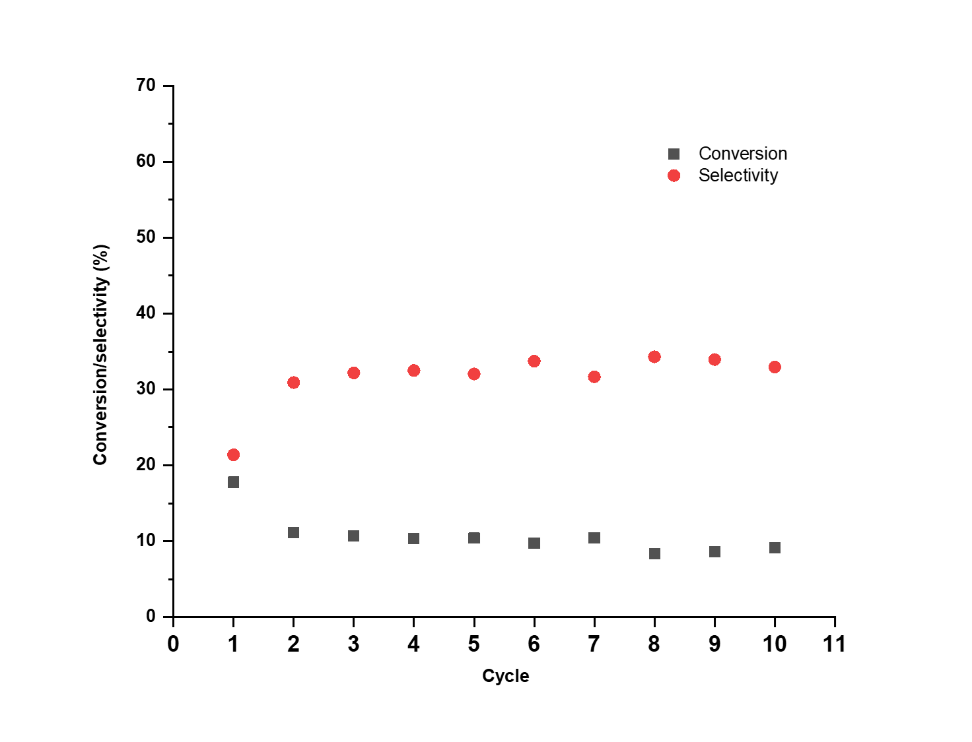
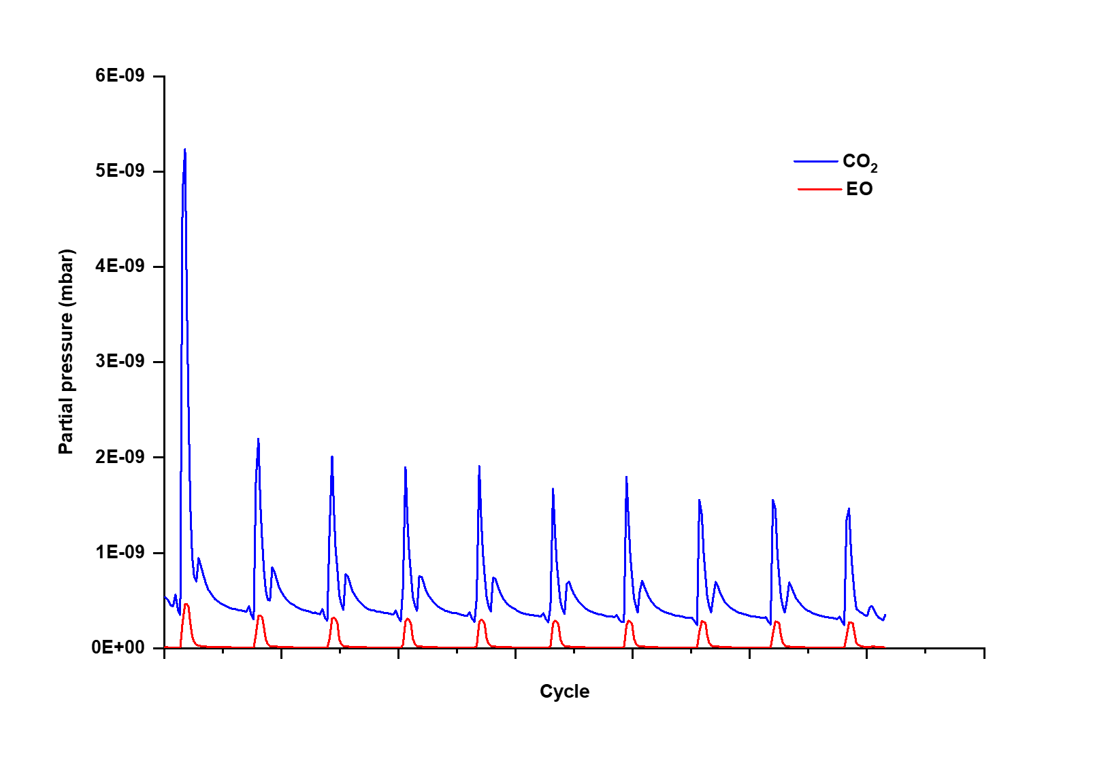
Ethylene in 5.4vol% |  | 54000
Reduction time |  | 2 | minutes
Cycles |  | 10
Carbon balance |  | 5.49E-06

