Figures S1 - S3
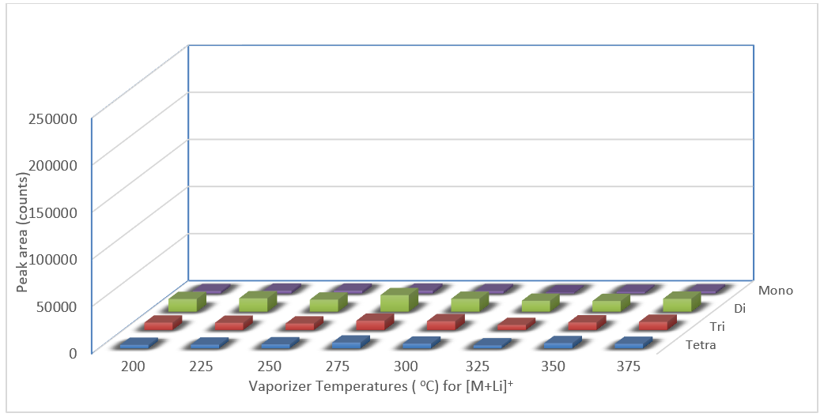
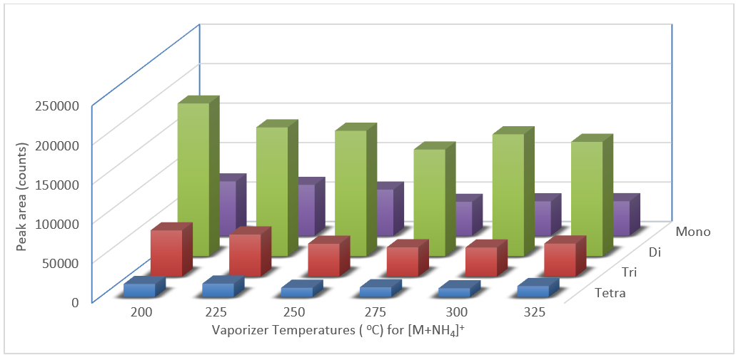

Fig S1. Peak sizes of saccharide adducts [M+Li]+ from lithium chloride. | Fig S2. Peak sizes of saccharide adducts [M+NH4]+ from ammonium chloride.

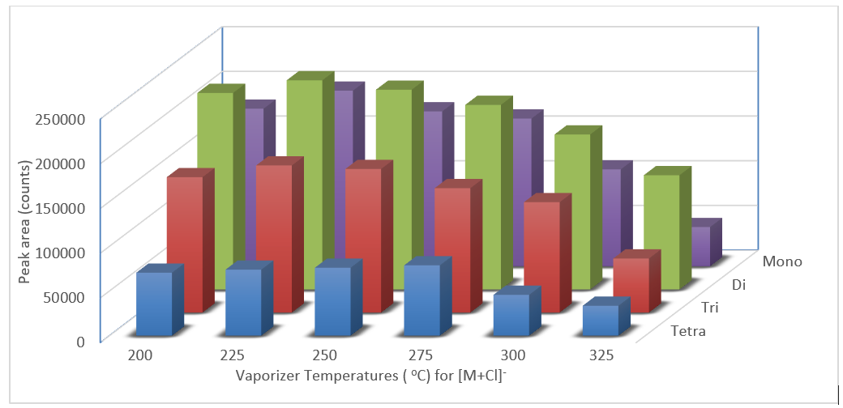

Fig S3. Peak sizes of saccharide adducts with regards to [M+35Cl]- from ammonium chloride.

