H3O+
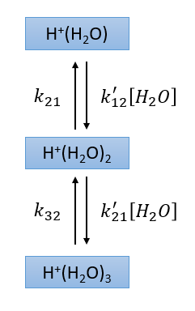
E/N | k'_12 | k_21 | k'_23 | k_32
0 | 3.0685E-15 | 1.3871E-09 | 2.6810E-15 | 7.4393E+00
2 | 3.0717E-15 | 1.4720E-09 | 2.6830E-15 | 7.6475E+00
4 | 3.0749E-15 | 1.5568E-09 | 2.6849E-15 | 7.8557E+00
6 | 3.0813E-15 | 1.7361E-09 | 2.6890E-15 | 8.3326E+00
8 | 3.0908E-15 | 2.0528E-09 | 2.6952E-15 | 9.1058E+00
10 | 3.1035E-15 | 2.5216E-09 | 2.7031E-15 | 1.0173E+01
12 | 3.1187E-15 | 3.2554E-09 | 2.7128E-15 | 1.1634E+01
14 | 3.1367E-15 | 4.4146E-09 | 2.7242E-15 | 1.3617E+01
16 | 3.1575E-15 | 6.2593E-09 | 2.7374E-15 | 1.6313E+01
18 | 3.1809E-15 | 9.1712E-09 | 2.7523E-15 | 1.9946E+01
20 | 3.2070E-15 | 1.4082E-08 | 2.7693E-15 | 2.4942E+01
22 | 3.2366E-15 | 2.2319E-08 | 2.7880E-15 | 3.1784E+01
24 | 3.2690E-15 | 3.6735E-08 | 2.8084E-15 | 4.1328E+01
26 | 3.3041E-15 | 6.2752E-08 | 2.8308E-15 | 5.4678E+01
28 | 3.3419E-15 | 1.1047E-07 | 2.8552E-15 | 7.3570E+01
30 | 3.3833E-15 | 1.9982E-07 | 2.8813E-15 | 1.0052E+02
32 | 3.4279E-15 | 3.7297E-07 | 2.9096E-15 | 1.3937E+02
34 | 3.4753E-15 | 7.1512E-07 | 2.9399E-15 | 1.9570E+02
36 | 3.5262E-15 | 1.4010E-06 | 2.9722E-15 | 2.7841E+02
38 | 3.5806E-15 | 2.8037E-06 | 3.0067E-15 | 4.0003E+02
40 | 3.6379E-15 | 5.7492E-06 | 3.0433E-15 | 5.8043E+02
42 | 3.6996E-15 | 1.1952E-05 | 3.0820E-15 | 8.4915E+02
44 | 3.7644E-15 | 2.5240E-05 | 3.1232E-15 | 1.2497E+03
46 | 3.8339E-15 | 5.4137E-05 | 3.1664E-15 | 1.8515E+03
48 | 3.9073E-15 | 1.1735E-04 | 3.2123E-15 | 2.7537E+03
50 | 3.9855E-15 | 2.5699E-04 | 3.2605E-15 | 4.1061E+03
52 | 4.0681E-15 | 5.6676E-04 | 3.3113E-15 | 6.1396E+03
54 | 4.1566E-15 | 1.2600E-03 | 3.3648E-15 | 9.1778E+03
56 | 4.2504E-15 | 2.8129E-03 | 3.4211E-15 | 1.3712E+04
58 | 4.3504E-15 | 6.2919E-03 | 3.4802E-15 | 2.0452E+04
60 | 4.4577E-15 | 1.4090E-02 | 3.5422E-15 | 3.0404E+04
62 | 4.5726E-15 | 3.1568E-02 | 3.6072E-15 | 4.5034E+04
64 | 4.6961E-15 | 7.0447E-02 | 3.6753E-15 | 6.6369E+04
66 | 4.8294E-15 | 1.5685E-01 | 3.7466E-15 | 9.7263E+04
68 | 4.9738E-15 | 3.4691E-01 | 3.8213E-15 | 1.4153E+05
70 | 5.1309E-15 | 7.6217E-01 | 3.8994E-15 | 2.0444E+05
72 | 5.3024E-15 | 1.6584E+00 | 3.9810E-15 | 2.9292E+05
74 | 5.4907E-15 | 3.5747E+00 | 4.0661E-15 | 4.1599E+05
76 | 5.6990E-15 | 7.6111E+00 | 4.1551E-15 | 5.8521E+05
78 | 5.9285E-15 | 1.5985E+01 | 4.2475E-15 | 8.1518E+05
80 | 6.1830E-15 | 3.3063E+01 | 4.3438E-15 | 1.1238E+06
82 | 6.4633E-15 | 6.7280E+01 | 4.4437E-15 | 1.5333E+06
84 | 6.7697E-15 | 1.3450E+02 | 4.5473E-15 | 2.0692E+06
86 | 7.1005E-15 | 2.6396E+02 | 4.6546E-15 | 2.7618E+06
88 | 7.4492E-15 | 5.0752E+02 | 4.7656E-15 | 3.6454E+06
90 | 7.8094E-15 | 9.5642E+02 | 4.8805E-15 | 4.7581E+06
92 | 8.1736E-15 | 1.7645E+03 | 4.9990E-15 | 6.1415E+06
94 | 8.5366E-15 | 3.1846E+03 | 5.1208E-15 | 7.8390E+06
96 | 8.8951E-15 | 5.6236E+03 | 5.2460E-15 | 9.8953E+06
98 | 9.2479E-15 | 9.7136E+03 | 5.3747E-15 | 1.2355E+07
100 | 9.5941E-15 | 1.6415E+04 | 5.5070E-15 | 1.5260E+07
102 | 9.9341E-15 | 2.7145E+04 | 5.6425E-15 | 1.8650E+07
104 | 1.0270E-14 | 4.3937E+04 | 5.7811E-15 | 2.2557E+07
106 | 1.0602E-14 | 6.9666E+04 | 5.9236E-15 | 2.7006E+07
108 | 1.0932E-14 | 1.0823E+05 | 6.0698E-15 | 3.2014E+07
110 | 1.1260E-14 | 1.6487E+05 | 6.2191E-15 | 3.7586E+07
112 | 1.1589E-14 | 2.4642E+05 | 6.3718E-15 | 4.3717E+07
114 | 1.1919E-14 | 3.6161E+05 | 6.5279E-15 | 5.0390E+07
116 | 1.2252E-14 | 5.2135E+05 | 6.6881E-15 | 5.7574E+07
118 | 1.2589E-14 | 7.3891E+05 | 6.8517E-15 | 6.5231E+07
120 | 1.2932E-14 | 1.0302E+06 | 7.0188E-15 | 7.3307E+07

BH+
E/N | k'_H1C | k_C1H | k'_H2C | k_C2H | k_C2.PTa | k_C2.PTb | k_C2.dehyd | k'_C1.hyd | k_C1.dehyd | k'_B.hyd | k'_exp
0 | 9.2590E-16 | 1.4104E-03 | 3.6124E-16 | 3.1107E+03 | 2.0764E-02 | 1.0106E+08 | 7.9912E+07 | 1.1971E-15 | 2.2912E+06 | 2.4365E-15
2 | 9.2842E-16 | 1.4413E-03 | 3.6209E-16 | 3.1493E+03 | 2.1123E-02 | 1.0106E+08 | 8.0086E+07 | 1.1976E-15 | 2.3054E+06 | 2.4376E-15
4 | 9.3093E-16 | 1.4732E-03 | 3.6294E-16 | 3.1894E+03 | 2.1495E-02 | 1.0106E+08 | 8.0260E+07 | 1.1981E-15 | 2.3200E+06 | 2.4388E-15
6 | 9.3593E-16 | 1.5532E-03 | 3.6473E-16 | 3.2893E+03 | 2.2424E-02 | 1.0106E+08 | 8.0699E+07 | 1.1992E-15 | 2.3564E+06 | 2.4417E-15
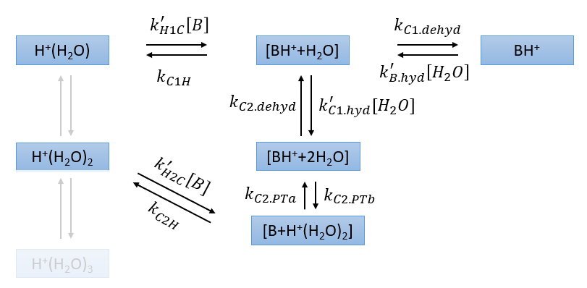
8 | 9.4338E-16 | 1.6713E-03 | 3.6740E-16 | 3.4315E+03 | 2.3770E-02 | 1.0107E+08 | 8.1300E+07 | 1.2009E-15 | 2.4071E+06 | 2.4457E-15
10 | 9.5321E-16 | 1.8371E-03 | 3.7081E-16 | 3.6247E+03 | 2.5632E-02 | 1.0107E+08 | 8.2080E+07 | 1.2030E-15 | 2.4742E+06 | 2.4509E-15
12 | 9.6509E-16 | 2.0603E-03 | 3.7500E-16 | 3.8740E+03 | 2.8098E-02 | 1.0107E+08 | 8.3033E+07 | 1.2056E-15 | 2.5577E+06 | 2.4571E-15
14 | 9.7902E-16 | 2.3587E-03 | 3.7991E-16 | 4.1889E+03 | 3.1294E-02 | 1.0107E+08 | 8.4158E+07 | 1.2086E-15 | 2.6595E+06 | 2.4646E-15
16 | 9.9503E-16 | 2.7527E-03 | 3.8564E-16 | 4.5813E+03 | 3.5413E-02 | 1.0108E+08 | 8.5455E+07 | 1.2121E-15 | 2.7805E+06 | 2.4732E-15
18 | 1.0130E-15 | 3.2738E-03 | 3.9232E-16 | 5.0659E+03 | 4.0690E-02 | 1.0108E+08 | 8.6923E+07 | 1.2161E-15 | 2.9225E+06 | 2.4829E-15
20 | 1.0344E-15 | 3.9665E-03 | 3.9976E-16 | 5.6621E+03 | 4.7452E-02 | 1.0109E+08 | 8.8562E+07 | 1.2206E-15 | 3.0873E+06 | 2.4939E-15 | 1.63E-16
22 | 1.0581E-15 | 4.8890E-03 | 4.0796E-16 | 6.3959E+03 | 5.6173E-02 | 1.0109E+08 | 9.0367E+07 | 1.2255E-15 | 3.2771E+06 | 2.5060E-15 | 1.9033333333E-16
24 | 1.0838E-15 | 6.1397E-03 | 4.1727E-16 | 7.2966E+03 | 6.7415E-02 | 1.0110E+08 | 9.2339E+07 | 1.2309E-15 | 3.4949E+06 | 2.5193E-15 | 2.0166666667E-16
26 | 1.1115E-15 | 7.8352E-03 | 4.2731E-16 | 8.4064E+03 | 8.2046E-02 | 1.0111E+08 | 9.4475E+07 | 1.2368E-15 | 3.7432E+06 | 2.5338E-15 | 2.19E-16
28 | 1.1435E-15 | 1.0156E-02 | 4.3843E-16 | 9.7770E+03 | 1.0120E-01 | 1.0111E+08 | 9.6770E+07 | 1.2431E-15 | 4.0250E+06 | 2.5494E-15 | 2.23E-16
30 | 1.1774E-15 | 1.3364E-02 | 4.5043E-16 | 1.1471E+04 | 1.2640E-01 | 1.0112E+08 | 9.9219E+07 | 1.2500E-15 | 4.3442E+06 | 2.5663E-15 | 2.47E-16
32 | 1.2137E-15 | 1.7846E-02 | 4.6356E-16 | 1.3572E+04 | 1.5978E-01 | 1.0113E+08 | 1.0182E+08 | 1.2573E-15 | 4.7047E+06 | 2.5843E-15 | 2.5433333333E-16
34 | 1.2544E-15 | 2.4157E-02 | 4.7760E-16 | 1.6186E+04 | 2.0431E-01 | 1.0114E+08 | 1.0456E+08 | 1.2651E-15 | 5.1107E+06 | 2.6037E-15 | 2.7033333333E-16
36 | 1.2970E-15 | 3.3107E-02 | 4.9296E-16 | 1.9448E+04 | 2.6414E-01 | 1.0115E+08 | 1.0744E+08 | 1.2734E-15 | 5.5668E+06 | 2.6242E-15 | 2.8833333333E-16
38 | 1.3441E-15 | 4.5897E-02 | 5.0935E-16 | 2.3530E+04 | 3.4496E-01 | 1.0116E+08 | 1.1044E+08 | 1.2821E-15 | 6.0780E+06 | 2.6460E-15 | 3.04E-16
40 | 1.3940E-15 | 6.4394E-02 | 5.2694E-16 | 2.8659E+04 | 4.5507E-01 | 1.0117E+08 | 1.1356E+08 | 1.2914E-15 | 6.6501E+06 | 2.6691E-15 | 3.2533333333E-16
42 | 1.4484E-15 | 9.1219E-02 | 5.4594E-16 | 3.5111E+04 | 6.0569E-01 | 1.0119E+08 | 1.1679E+08 | 1.3012E-15 | 7.2882E+06 | 2.6935E-15 | 3.4766666667E-16
44 | 1.5060E-15 | 1.3042E-01 | 5.6623E-16 | 4.3252E+04 | 8.1306E-01 | 1.0120E+08 | 1.2011E+08 | 1.3114E-15 | 7.9986E+06 | 2.7191E-15 | 3.6466666667E-16
46 | 1.5693E-15 | 1.8802E-01 | 5.8789E-16 | 5.3541E+04 | 1.0998E+00 | 1.0122E+08 | 1.2352E+08 | 1.3221E-15 | 8.7872E+06 | 2.7461E-15 | 3.8833333333E-16
48 | 1.6363E-15 | 2.7319E-01 | 6.1105E-16 | 6.6583E+04 | 1.4991E+00 | 1.0124E+08 | 1.2699E+08 | 1.3334E-15 | 9.6605E+06 | 2.7743E-15 | 4.13E-16
50 | 1.7090E-15 | 3.9946E-01 | 6.3578E-16 | 8.3116E+04 | 2.0564E+00 | 1.0126E+08 | 1.3051E+08 | 1.3451E-15 | 1.0624E+07 | 2.8039E-15 | 4.2566666667E-16
52 | 1.7876E-15 | 5.8770E-01 | 6.6221E-16 | 1.0411E+05 | 2.8382E+00 | 1.0128E+08 | 1.3408E+08 | 1.3573E-15 | 1.1685E+07 | 2.8348E-15 | 4.5866666667E-16
54 | 1.8721E-15 | 8.6923E-01 | 6.9042E-16 | 1.3078E+05 | 3.9381E+00 | 1.0130E+08 | 1.3766E+08 | 1.3701E-15 | 1.2849E+07 | 2.8670E-15 | 4.7E-16
56 | 1.9632E-15 | 1.2904E+00 | 7.2051E-16 | 1.6467E+05 | 5.4911E+00 | 1.0132E+08 | 1.4126E+08 | 1.3833E-15 | 1.4121E+07 | 2.9006E-15 | 4.9666666667E-16
58 | 2.0623E-15 | 1.9235E+00 | 7.5259E-16 | 2.0770E+05 | 7.6880E+00 | 1.0135E+08 | 1.4484E+08 | 1.3970E-15 | 1.5506E+07 | 2.9355E-15 | 5.0933333333E-16
60 | 2.1704E-15 | 2.8741E+00 | 7.8674E-16 | 2.6236E+05 | 1.0806E+01 | 1.0137E+08 | 1.4839E+08 | 1.4112E-15 | 1.7008E+07 | 2.9717E-15 | 5.35E-16
62 | 2.2881E-15 | 4.3024E+00 | 8.2307E-16 | 3.3166E+05 | 1.5237E+01 | 1.0140E+08 | 1.5191E+08 | 1.4259E-15 | 1.8630E+07 | 3.0094E-15 | 5.36E-16
64 | 2.4169E-15 | 6.4523E+00 | 8.6164E-16 | 4.1933E+05 | 2.1535E+01 | 1.0143E+08 | 1.5536E+08 | 1.4411E-15 | 2.0374E+07 | 3.0486E-15 | 5.6933333333E-16
66 | 2.5583E-15 | 9.6788E+00 | 9.0286E-16 | 5.3012E+05 | 3.0508E+01 | 1.0147E+08 | 1.5874E+08 | 1.4568E-15 | 2.2241E+07 | 3.0891E-15 | 5.8766666667E-16
68 | 2.7153E-15 | 1.4520E+01 | 9.4657E-16 | 6.6966E+05 | 4.3285E+01 | 1.0150E+08 | 1.6204E+08 | 1.4730E-15 | 2.4230E+07 | 3.1310E-15 | 6.1533333333E-16
70 | 2.8891E-15 | 2.1769E+01 | 9.9304E-16 | 8.4480E+05 | 6.1474E+01 | 1.0154E+08 | 1.6524E+08 | 1.4898E-15 | 2.6338E+07 | 3.1743E-15 | 6.2933333333E-16
72 | 3.0826E-15 | 3.2588E+01 | 1.0424E-15 | 1.0640E+06 | 8.7385E+01 | 1.0158E+08 | 1.6832E+08 | 1.5070E-15 | 2.8562E+07 | 3.2191E-15 | 6.6033333333E-16
74 | 3.3008E-15 | 4.8720E+01 | 1.0947E-15 | 1.3369E+06 | 1.2422E+02 | 1.0162E+08 | 1.7129E+08 | 1.5247E-15 | 3.0894E+07 | 3.2652E-15 | 6.87E-16
76 | 3.5467E-15 | 7.2656E+01 | 1.1502E-15 | 1.6751E+06 | 1.7655E+02 | 1.0166E+08 | 1.7413E+08 | 1.5429E-15 | 3.3327E+07 | 3.3128E-15 | 7.0866666667E-16
78 | 3.8252E-15 | 1.0804E+02 | 1.2089E-15 | 2.0921E+06 | 2.5082E+02 | 1.0171E+08 | 1.7684E+08 | 1.5616E-15 | 3.5851E+07 | 3.3618E-15 | 7.44E-16
80 | 4.1415E-15 | 1.6018E+02 | 1.2711E-15 | 2.6031E+06 | 3.5596E+02 | 1.0176E+08 | 1.7940E+08 | 1.5808E-15 | 3.8455E+07 | 3.4122E-15 | 7.86E-16
82 | 4.4993E-15 | 2.3655E+02 | 1.3367E-15 | 3.2248E+06 | 5.0452E+02 | 1.0181E+08 | 1.8182E+08 | 1.6004E-15 | 4.1126E+07 | 3.4641E-15 | 8.21E-16
84 | 4.9027E-15 | 3.4796E+02 | 1.4060E-15 | 3.9760E+06 | 7.1386E+02 | 1.0187E+08 | 1.8410E+08 | 1.6206E-15 | 4.3849E+07 | 3.5174E-15 | 8.9533333333E-16
86 | 5.3492E-15 | 5.0965E+02 | 1.4789E-15 | 4.8765E+06 | 1.0082E+03 | 1.0193E+08 | 1.8623E+08 | 1.6412E-15 | 4.6609E+07 | 3.5721E-15 | 9.6966666667E-16
88 | 5.8343E-15 | 7.4290E+02 | 1.5556E-15 | 5.9467E+06 | 1.4206E+03 | 1.0199E+08 | 1.8822E+08 | 1.6623E-15 | 4.9390E+07 | 3.6282E-15 | 1.0766666667E-15
90 | 6.3497E-15 | 1.0775E+03 | 1.6361E-15 | 7.2070E+06 | 1.9966E+03 | 1.0205E+08 | 1.9007E+08 | 1.6839E-15 | 5.2174E+07 | 3.6857E-15 | 1.1766666667E-15
92 | 6.8860E-15 | 1.5544E+03 | 1.7207E-15 | 8.6768E+06 | 2.7983E+03 | 1.0212E+08 | 1.9178E+08 | 1.7060E-15 | 5.4946E+07 | 3.7447E-15 | 1.3766666667E-15
94 | 7.4347E-15 | 2.2302E+03 | 1.8093E-15 | 1.0374E+07 | 3.9106E+03 | 1.0219E+08 | 1.9337E+08 | 1.7285E-15 | 5.7688E+07 | 3.8050E-15 | 1.58E-15
96 | 7.9901E-15 | 3.1814E+03 | 1.9018E-15 | 1.2312E+07 | 5.4476E+03 | 1.0226E+08 | 1.9482E+08 | 1.7515E-15 | 6.0384E+07 | 3.8667E-15 | 1.8533333333E-15
98 | 8.5490E-15 | 4.5115E+03 | 1.9986E-15 | 1.4500E+07 | 7.5621E+03 | 1.0234E+08 | 1.9616E+08 | 1.7749E-15 | 6.3019E+07 | 3.9299E-15 | 2.2466666667E-15
100 | 9.1101E-15 | 6.3586E+03 | 2.0995E-15 | 1.6943E+07 | 1.0461E+04 | 1.0242E+08 | 1.9738E+08 | 1.7988E-15 | 6.5579E+07 | 3.9943E-15 | 2.67E-15
102 | 9.6733E-15 | 8.9065E+03 | 2.2048E-15 | 1.9638E+07 | 1.4416E+04 | 1.0250E+08 | 1.9850E+08 | 1.8232E-15 | 6.8051E+07 | 4.0600E-15 | 3.2133333333E-15
104 | 1.0239E-14 | 1.2397E+04 | 2.3144E-15 | 2.2576E+07 | 1.9788E+04 | 1.0259E+08 | 1.9953E+08 | 1.8480E-15 | 7.0424E+07 | 4.1271E-15 | 3.78E-15
106 | 1.0810E-14 | 1.7143E+04 | 2.4284E-15 | 2.5739E+07 | 2.7053E+04 | 1.0268E+08 | 2.0046E+08 | 1.8732E-15 | 7.2689E+07 | 4.1955E-15 | 4.4133333333E-15
108 | 1.1386E-14 | 2.3553E+04 | 2.5472E-15 | 2.9104E+07 | 3.6835E+04 | 1.0278E+08 | 2.0132E+08 | 1.8989E-15 | 7.4839E+07 | 4.2651E-15 | 5.0966666667E-15
110 | 1.1971E-14 | 3.2147E+04 | 2.6706E-15 | 3.2642E+07 | 4.9937E+04 | 1.0287E+08 | 2.0210E+08 | 1.9250E-15 | 7.6868E+07 | 4.3361E-15 | 5.75E-15
112 | 1.2566E-14 | 4.3586E+04 | 2.7989E-15 | 3.6316E+07 | 6.7404E+04 | 1.0297E+08 | 2.0282E+08 | 1.9515E-15 | 7.8772E+07 | 4.4086E-15 | 6.4E-15
114 | 1.3173E-14 | 5.8702E+04 | 2.9322E-15 | 4.0089E+07 | 9.0581E+04 | 1.0308E+08 | 2.0348E+08 | 1.9783E-15 | 8.0551E+07 | 4.4821E-15 | 6.9866666667E-15
...

TH+
k_C2.PTb | k_C2.dehyd | k'_C1.hyd | k_C1.dehyd | k'_T.hyd | k'_exp
1.0107E+08 | 3.4314E+07 | 2.3705E-15 | 1.3973E+07 | 2.4022E-15
1.0107E+08 | 3.4395E+07 | 2.3713E-15 | 1.4025E+07 | 2.4032E-15
1.0107E+08 | 3.4482E+07 | 2.3722E-15 | 1.4080E+07 | 2.4043E-15
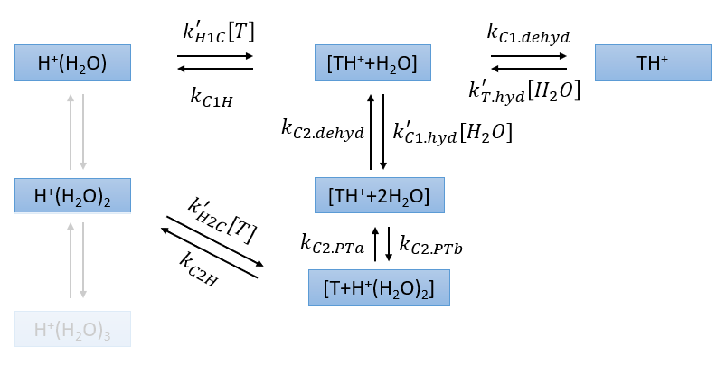
1.0108E+08 | 3.4692E+07 | 2.3743E-15 | 1.4216E+07 | 2.4070E-15
1.0108E+08 | 3.4981E+07 | 2.3773E-15 | 1.4402E+07 | 2.4106E-15
1.0108E+08 | 3.5357E+07 | 2.3811E-15 | 1.4647E+07 | 2.4152E-15
1.0109E+08 | 3.5815E+07 | 2.3858E-15 | 1.4948E+07 | 2.4209E-15
1.0109E+08 | 3.6360E+07 | 2.3913E-15 | 1.5308E+07 | 2.4277E-15
1.0110E+08 | 3.6988E+07 | 2.3977E-15 | 1.5729E+07 | 2.4354E-15
1.0111E+08 | 3.7702E+07 | 2.4049E-15 | 1.6214E+07 | 2.4443E-15
1.0112E+08 | 3.8502E+07 | 2.4130E-15 | 1.6763E+07 | 2.4542E-15 | 1.1916666667E-15
1.0113E+08 | 3.9388E+07 | 2.4219E-15 | 1.7381E+07 | 2.4651E-15 | 2.0633333333E-16
1.0114E+08 | 4.0358E+07 | 2.4317E-15 | 1.8070E+07 | 2.4771E-15 | 4.7733333333E-17
1.0115E+08 | 4.1414E+07 | 2.4423E-15 | 1.8832E+07 | 2.4902E-15 | -2.3266666667E-18
1.0116E+08 | 4.2554E+07 | 2.4538E-15 | 1.9671E+07 | 2.5043E-15 | -4.88E-17
1.0117E+08 | 4.3778E+07 | 2.4661E-15 | 2.0590E+07 | 2.5195E-15 | 5.23E-17
1.0119E+08 | 4.5083E+07 | 2.4793E-15 | 2.1591E+07 | 2.5357E-15 | 1.0135E-17
1.0121E+08 | 4.6468E+07 | 2.4934E-15 | 2.2677E+07 | 2.5531E-15 | 1.3766666667E-17
1.0122E+08 | 4.7930E+07 | 2.5083E-15 | 2.3851E+07 | 2.5716E-15 | 3.7733333333E-17
1.0124E+08 | 4.9467E+07 | 2.5240E-15 | 2.5115E+07 | 2.5912E-15 | 5.4633333333E-17
1.0126E+08 | 5.1073E+07 | 2.5406E-15 | 2.6471E+07 | 2.6118E-15 | 1.664E-16
1.0129E+08 | 5.2746E+07 | 2.5581E-15 | 2.7919E+07 | 2.6335E-15 | 1.95E-16
1.0131E+08 | 5.4480E+07 | 2.5764E-15 | 2.9460E+07 | 2.6565E-15 | 2.118E-16
1.0134E+08 | 5.6269E+07 | 2.5955E-15 | 3.1094E+07 | 2.6806E-15 | 2.0593333333E-16
1.0136E+08 | 5.8107E+07 | 2.6156E-15 | 3.2821E+07 | 2.7058E-15 | 3.07E-16
1.0139E+08 | 5.9987E+07 | 2.6365E-15 | 3.4638E+07 | 2.7321E-15 | 1.2433333333E-16
1.0142E+08 | 6.1901E+07 | 2.6583E-15 | 3.6541E+07 | 2.7595E-15 | 3.7733333333E-16
1.0146E+08 | 6.3842E+07 | 2.6809E-15 | 3.8529E+07 | 2.7881E-15 | 2.6866666667E-16
...

XH+
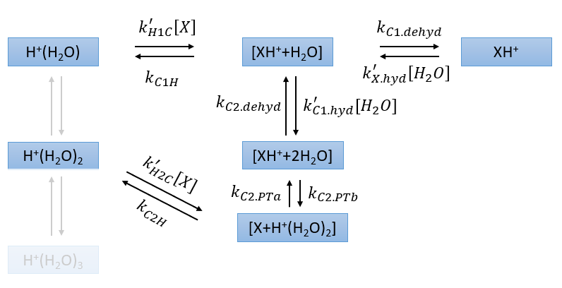
k_C2.PTb | k_C2.dehyd | k'_C1.hyd | k_C1.dehyd | k'_X.hyd | k'_exp
1.0341E+08 | 3.9057E+07 | 2.3519E-15 | 1.9330E+07 | 2.3766E-15
1.0341E+08 | 3.9142E+07 | 2.3526E-15 | 1.9393E+07 | 2.3775E-15
1.0342E+08 | 3.9232E+07 | 2.3535E-15 | 1.9463E+07 | 2.3785E-15
1.0342E+08 | 3.9452E+07 | 2.3554E-15 | 1.9628E+07 | 2.3808E-15
1.0343E+08 | 3.9753E+07 | 2.3582E-15 | 1.9856E+07 | 2.3841E-15
1.0344E+08 | 4.0144E+07 | 2.3617E-15 | 2.0153E+07 | 2.3883E-15
1.0345E+08 | 4.0621E+07 | 2.3660E-15 | 2.0520E+07 | 2.3934E-15
1.0346E+08 | 4.1186E+07 | 2.3711E-15 | 2.0956E+07 | 2.3994E-15
1.0347E+08 | 4.1838E+07 | 2.3770E-15 | 2.1464E+07 | 2.4064E-15
1.0349E+08 | 4.2577E+07 | 2.3837E-15 | 2.2046E+07 | 2.4143E-15
1.0350E+08 | 4.3403E+07 | 2.3911E-15 | 2.2704E+07 | 2.4231E-15 | 2.83E-16
1.0352E+08 | 4.4316E+07 | 2.3993E-15 | 2.3440E+07 | 2.4329E-15 | 1.0176666667E-16
1.0354E+08 | 4.5314E+07 | 2.4084E-15 | 2.4256E+07 | 2.4436E-15 | 1.5733333333E-16
1.0357E+08 | 4.6396E+07 | 2.4181E-15 | 2.5154E+07 | 2.4553E-15 | 1.9566666667E-16
1.0359E+08 | 4.7563E+07 | 2.4287E-15 | 2.6137E+07 | 2.4679E-15 | 1.7333333333E-16
1.0362E+08 | 4.8811E+07 | 2.4401E-15 | 2.7205E+07 | 2.4814E-15 | 2.6866666667E-16
1.0365E+08 | 5.0139E+07 | 2.4522E-15 | 2.8362E+07 | 2.4959E-15 | 1.0083333333E-16
1.0368E+08 | 5.1544E+07 | 2.4651E-15 | 2.9608E+07 | 2.5113E-15 | 2.28E-16
1.0371E+08 | 5.3022E+07 | 2.4788E-15 | 3.0943E+07 | 2.5277E-15 | 1.6766666667E-16
1.0375E+08 | 5.4571E+07 | 2.4933E-15 | 3.2370E+07 | 2.5450E-15 | 2.31E-16
1.0378E+08 | 5.6185E+07 | 2.5086E-15 | 3.3887E+07 | 2.5634E-15 | 2.5766666667E-16
1.0382E+08 | 5.7860E+07 | 2.5246E-15 | 3.5494E+07 | 2.5826E-15 | 3.14E-16
1.0386E+08 | 5.9591E+07 | 2.5414E-15 | 3.7190E+07 | 2.6028E-15 | 2.7766666667E-16
1.0391E+08 | 6.1371E+07 | 2.5590E-15 | 3.8971E+07 | 2.6240E-15 | 2.8933333333E-16
1.0395E+08 | 6.3194E+07 | 2.5773E-15 | 4.0835E+07 | 2.6462E-15 | 3.86E-16
1.0400E+08 | 6.5052E+07 | 2.5965E-15 | 4.2777E+07 | 2.6694E-15 | 2.75E-16
...

NO+
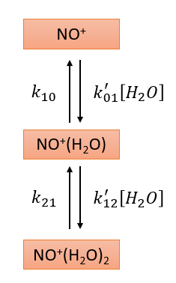
E/N | k'_01 | k_10 | k'_12 | k_21
0 | 2.7819E-15 | 3.9567E-01 | 2.5787E-15 | 1.7978E+04
2 | 2.7841E-15 | 4.0562E-01 | 2.5803E-15 | 1.8222E+04
4 | 2.7864E-15 | 4.1558E-01 | 2.5819E-15 | 1.8467E+04
6 | 2.7907E-15 | 4.3738E-01 | 2.5854E-15 | 1.9051E+04
8 | 2.7973E-15 | 4.7235E-01 | 2.5907E-15 | 1.9925E+04
10 | 2.8060E-15 | 5.1995E-01 | 2.5973E-15 | 2.1087E+04
12 | 2.8164E-15 | 5.8479E-01 | 2.6055E-15 | 2.2593E+04
14 | 2.8287E-15 | 6.7174E-01 | 2.6151E-15 | 2.4487E+04
16 | 2.8430E-15 | 7.8703E-01 | 2.6262E-15 | 2.6859E+04
18 | 2.8590E-15 | 9.3792E-01 | 2.6388E-15 | 2.9773E+04
20 | 2.8770E-15 | 1.1414E+00 | 2.6530E-15 | 3.3365E+04
22 | 2.8970E-15 | 1.4117E+00 | 2.6687E-15 | 3.7774E+04
24 | 2.9189E-15 | 1.7752E+00 | 2.6859E-15 | 4.3191E+04
26 | 2.9426E-15 | 2.2684E+00 | 2.7046E-15 | 4.9813E+04
28 | 2.9681E-15 | 2.9391E+00 | 2.7250E-15 | 5.7963E+04
30 | 2.9959E-15 | 3.8692E+00 | 2.7469E-15 | 6.7977E+04
32 | 3.0254E-15 | 5.1536E+00 | 2.7705E-15 | 8.0303E+04
34 | 3.0567E-15 | 6.9491E+00 | 2.7957E-15 | 9.5493E+04
36 | 3.0905E-15 | 9.4823E+00 | 2.8226E-15 | 1.1430E+05
38 | 3.1260E-15 | 1.3072E+01 | 2.8512E-15 | 1.3753E+05
40 | 3.1636E-15 | 1.8166E+01 | 2.8815E-15 | 1.6629E+05
42 | 3.2033E-15 | 2.5499E+01 | 2.9137E-15 | 2.0190E+05
44 | 3.2450E-15 | 3.6039E+01 | 2.9476E-15 | 2.4603E+05
46 | 3.2892E-15 | 5.1262E+01 | 2.9833E-15 | 3.0071E+05
48 | 3.3352E-15 | 7.3334E+01 | 3.0210E-15 | 3.6844E+05
50 | 3.3839E-15 | 1.0547E+02 | 3.0606E-15 | 4.5217E+05
52 | 3.4348E-15 | 1.5227E+02 | 3.1021E-15 | 5.5573E+05
54 | 3.4883E-15 | 2.2054E+02 | 3.1458E-15 | 6.8328E+05
56 | 3.5445E-15 | 3.2013E+02 | 3.1916E-15 | 8.4024E+05
58 | 3.6032E-15 | 4.6572E+02 | 3.2396E-15 | 1.0329E+06
...

B.+
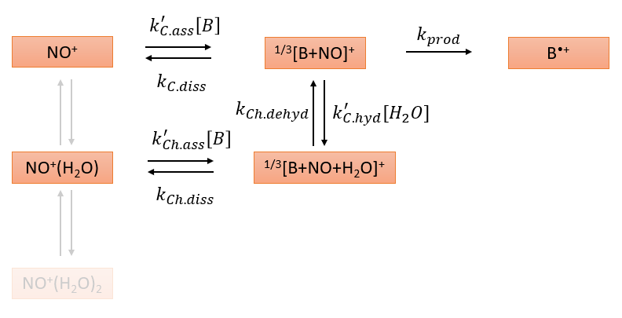
k'_Ch.ass | k_Ch.diss | k_CH.dehyd | k'_C.hyd | k_prod | k'_exp
6.6407E-16 | 1.2521E+01 | 3.3685E+06 | 2.3751E-15 | 7.4749E-05
6.6553E-16 | 1.2735E+01 | 3.3868E+06 | 2.3760E-15 | 7.6831E-05
6.6699E-16 | 1.2991E+01 | 3.4087E+06 | 2.3771E-15 | 7.9289E-05
6.7019E-16 | 1.3571E+01 | 3.4579E+06 | 2.3794E-15 | 8.4873E-05
6.7494E-16 | 1.4431E+01 | 3.5276E+06 | 2.3827E-15 | 9.3601E-05
6.8097E-16 | 1.5609E+01 | 3.6187E+06 | 2.3870E-15 | 1.0595E-04
6.8832E-16 | 1.7186E+01 | 3.7329E+06 | 2.3922E-15 | 1.2315E-04
6.9697E-16 | 1.9237E+01 | 3.8711E+06 | 2.3984E-15 | 1.4740E-04
7.0708E-16 | 2.1889E+01 | 4.0349E+06 | 2.4055E-15 | 1.8054E-04
7.1883E-16 | 2.5304E+01 | 4.2264E+06 | 2.4136E-15 | 2.2681E-04
7.3186E-16 | 2.9708E+01 | 4.4477E+06 | 2.4226E-15 | 2.9242E-04 | 3.9466666667E-15
7.4631E-16 | 3.5409E+01 | 4.7017E+06 | 2.4326E-15 | 3.8598E-04 | 4.05E-15
7.6258E-16 | 4.2818E+01 | 4.9910E+06 | 2.4436E-15 | 5.2061E-04 | 4.1233333333E-15
7.8012E-16 | 5.2520E+01 | 5.3192E+06 | 2.4555E-15 | 7.1805E-04 | 4.2066666667E-15
7.9961E-16 | 6.5265E+01 | 5.6895E+06 | 2.4683E-15 | 1.0117E-03 | 4.27E-15
8.2049E-16 | 8.2214E+01 | 6.1065E+06 | 2.4823E-15 | 1.4561E-03 | 4.35E-15
8.4341E-16 | 1.0473E+02 | 6.5735E+06 | 2.4971E-15 | 2.1337E-03 | 4.4266666667E-15
8.6778E-16 | 1.3500E+02 | 7.0959E+06 | 2.5130E-15 | 3.1849E-03 | 4.52E-15
8.9443E-16 | 1.7593E+02 | 7.6783E+06 | 2.5297E-15 | 4.8331E-03 | 4.6E-15
9.2283E-16 | 2.3165E+02 | 8.3262E+06 | 2.5476E-15 | 7.4499E-03 | 4.6733333333E-15
9.5311E-16 | 3.0768E+02 | 9.0443E+06 | 2.5664E-15 | 1.1651E-02 | 4.7566666667E-15
9.8587E-16 | 4.1243E+02 | 9.8389E+06 | 2.5863E-15 | 1.8484E-02 | 4.8433333333E-15
1.0207E-15 | 5.5713E+02 | 1.0715E+07 | 2.6071E-15 | 2.9692E-02 | 4.9433333333E-15
1.0579E-15 | 7.5833E+02 | 1.1679E+07 | 2.6290E-15 | 4.8209E-02 | 5.05E-15
1.0974E-15 | 1.0385E+03 | 1.2736E+07 | 2.6520E-15 | 7.9141E-02 | 5.1666666667E-15
...

T.+
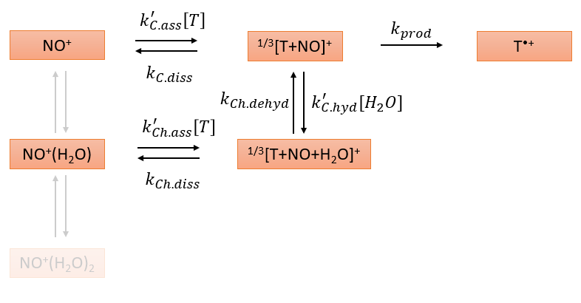
k'_Ch.ass | k_Ch.diss | k_CH.dehyd | k'_C.hyd | k_prod | k'_exp
7.0729E-16 | 4.4716E+00 | 1.1617E+07 | 2.3556E-15 | 1.5933E+00
7.0895E-16 | 4.5561E+00 | 1.1661E+07 | 2.3564E-15 | 1.6259E+00
7.1060E-16 | 4.6609E+00 | 1.1716E+07 | 2.3573E-15 | 1.6657E+00
7.1422E-16 | 4.8932E+00 | 1.1837E+07 | 2.3595E-15 | 1.7544E+00
7.1959E-16 | 5.2406E+00 | 1.2008E+07 | 2.3626E-15 | 1.8886E+00
7.2642E-16 | 5.7231E+00 | 1.2230E+07 | 2.3665E-15 | 2.0751E+00
7.3474E-16 | 6.3760E+00 | 1.2506E+07 | 2.3713E-15 | 2.3279E+00
7.4451E-16 | 7.2298E+00 | 1.2835E+07 | 2.3769E-15 | 2.6641E+00
7.5596E-16 | 8.3573E+00 | 1.3222E+07 | 2.3835E-15 | 3.1088E+00
7.6927E-16 | 9.8305E+00 | 1.3667E+07 | 2.3909E-15 | 3.6973E+00
7.8403E-16 | 1.1763E+01 | 1.4174E+07 | 2.3992E-15 | 4.4788E+00 | 3.1866666667E-15
8.0039E-16 | 1.4332E+01 | 1.4746E+07 | 2.4084E-15 | 5.5189E+00 | 3.2566666667E-15
8.1884E-16 | 1.7735E+01 | 1.5386E+07 | 2.4185E-15 | 6.9280E+00 | 3.2966666667E-15
8.3872E-16 | 2.2299E+01 | 1.6097E+07 | 2.4294E-15 | 8.8362E+00 | 3.3533333333E-15
8.6084E-16 | 2.8465E+01 | 1.6883E+07 | 2.4412E-15 | 1.1444E+01 | 3.4E-15
8.8453E-16 | 3.6841E+01 | 1.7746E+07 | 2.4540E-15 | 1.5047E+01 | 3.4533333333E-15
9.1055E-16 | 4.8376E+01 | 1.8692E+07 | 2.4675E-15 | 2.0068E+01 | 3.51E-15
9.3823E-16 | 6.4336E+01 | 1.9723E+07 | 2.4821E-15 | 2.7119E+01 | 3.5733333333E-15
9.6853E-16 | 8.6579E+01 | 2.0843E+07 | 2.4975E-15 | 3.7090E+01 | 3.64E-15
1.0008E-15 | 1.1795E+02 | 2.2054E+07 | 2.5137E-15 | 5.1288E+01 | 3.7033333333E-15
1.0353E-15 | 1.6227E+02 | 2.3359E+07 | 2.5310E-15 | 7.1725E+01 | 3.7766666667E-15
1.0726E-15 | 2.2548E+02 | 2.4761E+07 | 2.5491E-15 | 1.0120E+02 | 3.85E-15
1.1123E-15 | 3.1623E+02 | 2.6261E+07 | 2.5681E-15 | 1.4401E+02 | 3.95E-15
...

X.+
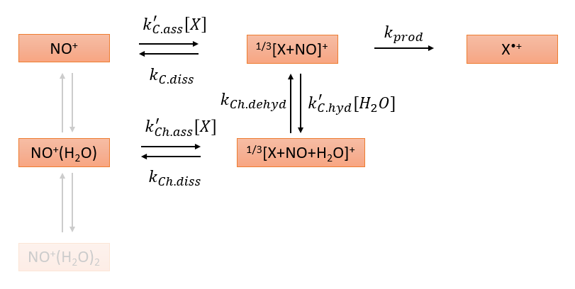
k'_Ch.ass | k_Ch.diss | k_CH.dehyd | k'_C.hyd | k_prod | k'_exp
7.4876E-16 | 1.0253E-01 | 2.8338E+07 | 2.3399E-15 | 3.3006E+03
7.5060E-16 | 1.0457E-01 | 2.8410E+07 | 2.3406E-15 | 3.3439E+03
7.5243E-16 | 1.0706E-01 | 2.8498E+07 | 2.3415E-15 | 3.3968E+03
7.5645E-16 | 1.1267E-01 | 2.8693E+07 | 2.3435E-15 | 3.5147E+03
7.6241E-16 | 1.2103E-01 | 2.8966E+07 | 2.3462E-15 | 3.6870E+03
7.6999E-16 | 1.3274E-01 | 2.9319E+07 | 2.3498E-15 | 3.9200E+03
7.7922E-16 | 1.4863E-01 | 2.9753E+07 | 2.3541E-15 | 4.2250E+03
7.9006E-16 | 1.6947E-01 | 3.0267E+07 | 2.3592E-15 | 4.6099E+03
8.0276E-16 | 1.9727E-01 | 3.0864E+07 | 2.3651E-15 | 5.0952E+03
8.1754E-16 | 2.3389E-01 | 3.1544E+07 | 2.3719E-15 | 5.6992E+03
8.3393E-16 | 2.8264E-01 | 3.2308E+07 | 2.3794E-15 | 6.4474E+03 | 1.2466666667E-15
8.5209E-16 | 3.4750E-01 | 3.3156E+07 | 2.3876E-15 | 7.3790E+03 | 1.2533333333E-15
8.7260E-16 | 4.3499E-01 | 3.4090E+07 | 2.3967E-15 | 8.5325E+03 | 1.26E-15
8.9469E-16 | 5.5351E-01 | 3.5109E+07 | 2.4065E-15 | 9.9657E+03 | 1.2866666667E-15
9.1929E-16 | 7.1549E-01 | 3.6215E+07 | 2.4172E-15 | 1.1750E+04 | 1.2966666667E-15
9.4563E-16 | 9.4049E-01 | 3.7407E+07 | 2.4286E-15 | 1.3972E+04 | 1.3233333333E-15
9.7460E-16 | 1.2538E+00 | 3.8685E+07 | 2.4409E-15 | 1.6755E+04 | 1.35E-15
1.0054E-15 | 1.6956E+00 | 4.0048E+07 | 2.4539E-15 | 2.0241E+04 | 1.3733333333E-15
1.0391E-15 | 2.3237E+00 | 4.1495E+07 | 2.4677E-15 | 2.4614E+04 | 1.3966666667E-15
1.0751E-15 | 3.2252E+00 | 4.3024E+07 | 2.4823E-15 | 3.0123E+04 | 1.4266666667E-15
1.1135E-15 | 4.5292E+00 | 4.4632E+07 | 2.4977E-15 | 3.7053E+04 | 1.4566666667E-15
1.1551E-15 | 6.4336E+00 | 4.6316E+07 | 2.5139E-15 | 4.5796E+04 | 1.4933333333E-15
1.1994E-15 | 9.2383E+00 | 4.8072E+07 | 2.5309E-15 | 5.6836E+04 | 1.5166666667E-15
1.2466E-15 | 1.3389E+01 | 4.9894E+07 | 2.5487E-15 | 7.0769E+04 | 1.5566666667E-15
...

