Variations in TDS between river
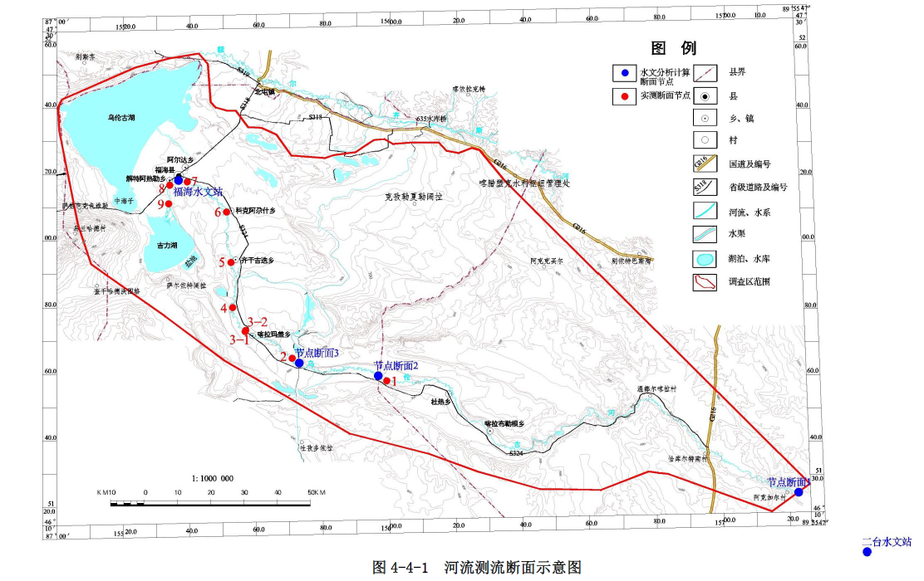
Serial Number | distance |  | TDS | Cl | Serial Number | distance |  | TDS | Cl | Serial Number | distance |  | TDS | Cl | Serial Number | distance |  | TDS | Cl |  |  | flow rate m3/d*10^3
TJ5411 | 5 | 10 | 515.3 |  | MJA18211 | 15 | 20 | 939.7 |  | JJC00311 | 38 | 43 | 1381.7 |  | R1 | 1 | 6 | 37.9 |  | 3.5 | 8.5 | 2906.8493151 | flow-rate measurement
ZK1514 | 7 | 12 | 581.1 |  | TJ5041 | 16 | 21 | 937.4 |  | MJA09041 | 39 | 44 | 885.1 |  | R2 | 2 | 7 | 178.1 |  | 3.7 | 8.7 | 2894.5205479 |  | A | 二台 | 3.5 | 2906849.3151 | 2906.8493151
MJA19641 | 8 | 13 | 769.3 |  | MJA17711 | 17 | 22 | 1616.2 |  | TJ1841 | 40 | 45 | 959.25 |  | R3 | 3 | 8 | 240.9 |  | 16.5 | 21.5 | 2394.6575342 |  | B | 节点1 | 3.7 | 2794520.5479 | 2794.5205479
MJA16711 | 9 | 14 | 776.85 |  | MJA17111 | 18 | 23 | 959.2 |  | JJD00711 | 41 | 46 | 1087.9 |  | R4 | 4 | 9 | 206.2 |  | 18.3 | 23.3 | 2064.6575 |  | C | 节点2(温都和喀拉布勒跟中间 | 16.5 | 2394657.5342 | 2394.6575342
MJA18811 | 10 | 15 | 568 |  | MJB03211 | 19 | 24 | 926.25 |  | ZK02（上层） | 43 | 48 | 1478.7 |  | R5 | 6 | 11 | 484.3 |  | 23.8 | 28.8 | 1932.0547945 |  | 1 | 福海与富蕴分界处测流点（提升到杜热和喀拉布勒跟之间） | 18.3 | 2064657.5 | 2064.6575
MJA19911 | 11 | 16 | 793.3 |  | ZK1113 | 21 | 26 | 425.4 |  | MJA00741 | 44 | 49 | 925.45 |  | R6 | 13 | 18 | 311.7 |  | 24.3 | 29.3 | 475.81976 |  | D | 节点3 | 23.8 | 1932054.7945 | 1932.0547945
TJ5141 | 12 | 17 | 494.1 |  | MJB01241 | 22 | 27 | 541.35 |  | MJA21141 | 46 | 51 | 1097.4 |  | R7 | 20 | 25 | 302.1 |  | 28.5 | 33.5 | 353.46326 |  | 2 | 顶山测流点 | 24.3 | 475819.76 | 475.81976 | water diversion volume 160
MJA18511 | 14 | 19 | 776.8 |  | ZK1313 | 23 | 28 | 570.6 |  | MJA01911 | 47 | 52 | 1120.55 |  | R8 | 25 | 30 | 377.3 |  | 29.1 | 34.1 | 83.68884 |  | 3--1 | 哈拉霍英水库测流点 | 28.5 | 353463.26 | 353.46326 | diversion discharge 3*10^4 m3
 |  |  |  |  | MJB03512 | 24 | 29 | 1266.75 |  | TJ2911 | 48 | 53 | 1407.45 |  | R9 | 31 | 36 | 405.8 |  | 38.9 | 43.9 | 66.967344 |  | 3--2 | 喀镇分流测流点 | 29.1 | 83688.84 | 83.68884
 |  |  |  |  | F3-DR-QSJ-1 | 26 | 31 | 882.8 |  |  |  |  |  |  | R10 | 37 | 42 | 532.2 |  | 42.4 | 47.4 | 128.32085 |  | 4 | 喀齐段测流点 | 38.9 | 66967.344 | 66.967344
 |  |  |  |  | ZK0713 | 27 | 32 | 945.2 |  |  |  |  |  |  | R11 | 42 | 47 | 600.1 |  | 44.5 | 49.5 | 176.67209 |  | 5 | 齐干吉迭乡测流点 | 42.4 | 128320.85 | 128.32085
 |  |  |  |  | F3-GA-QSJ-1（杜热以西顶山以南） | 28 | 33 | 989.6 |  |  |  |  |  |  | R12 | 45 | 50 | 683.8 |  | 45.3 | 50.3 | 183.50091 |  | 6 | 阔克阿尕什乡测流点 | 44.5 | 176672.09 | 176.67209
 |  |  |  |  | MJB00141 | 29 | 34 | 869.35 |  |  |  |  |  |  | J | 49 | 54 | 1102.6 |  | 45.7 | 50.7 | 158.90410959 |  | 7 | 福海水文站测流点 | 45.3 | 183500.91 | 183.50091
 |  |  |  |  | TJ4311 | 30 | 35 | 488.45 |  |  |  |  |  |  |  |  |  |  |  | 47.3 | 52.3 | 77.059728 |  | E | 福海 | 45.7 | 158904.10959 | 158.90410959
 |  |  |  |  | TJ2211 | 32 | 37 | 479.6 |  |  |  |  |  |  |  |  |  |  |  | 48.2 | 53.2 | 273.69317 |  | 8 | 阔尼克买村测流点 | 47.3 | 77059.728 | 77.059728
 |  |  |  |  | MJD12512 | 33 | 38 | 562.6 |  |  |  |  |  |  |  |  |  |  |  |  |  |  |  | 9 | 吉力湖入湖口测流点 | 48.2 | 273693.17 | 273.69317
 |  |  |  |  | ZK1013 | 34 | 39 | 923.4 |  |  |  |  |  |  |  |  |  |  |  |  |  |  |  |  | Flow-measurement site area (Chinese place name)
 |  |  |  |  | ZK06（上层）13 | 35 | 40 | 1056.75
 |  |  |  |  | TJ4241 | 36 | 41 | 943.3

SalClass_SimpClHCO3Cl
Serial Number | Cl（meq/L | HCO3（meq/L | Cl-（meq/L | Salinization classification using Simpson’s derivative: Cl vs. HCO₃ vs. Cl | HCO3-/Cl- | Cl（meq/L | HCO3/Cl | Cl（meq/L | HCO3/Cl | Cl（meq/L | HCO3/Cl | Cl（meq/L | HCO3/Cl | Cl（meq/L | HCO3/Cl | Cl（meq/L | HCO3/Cl | Cl（meq/L | HCO3/Cl | Cl（meq/L | HCO3/Cl
 | 35.5 | 61 | LM |  | LM | HR | HR | RV | RV | SAP | SAP | NAP | NAP | LP | LP | UL | UL | JL | JL | R | R
TJ5141 | 0.99718309859 | 4.2016393443 | 0.99718309859 |  | 4.213508382 | 12.481690141 | 0.51288241192 | 3.7126760563 | 0.48482549317 | 2.7971830986 | 2.0741006719 | 3.4957746479 | 1.6024028745 | 6.2732394366 | 0.87203618777 | 12.211267606 | 0.55256679335 | 6.3436619718 | 0.71712212096 | 0.07323943662 | 5.7972887768
MJA19641 | 0.8 | 6.4016393443 | 0.8 |  | 8.0020491803 | 9.985915493 | 0.64106684548 | 4.3323943662 | 0.80446183035 | 4.5943661972 | 0.8709883306 | 4.7943661972 | 1.0015170195 | 8.7887323944 | 0.94476408155 | 11.974647887 | 0.60195479559 | 4.385915493 | 0.90902007855 | 0.2338028169 | 2.8333333333
ZK1514 | 1.3971830986 | 5.8016393443 | 1.3971830986 |  | 4.1523829984 | 9.985915493 | 0.44078475803 | 3.5690140845 | 1.262230388 | 5.5915492958 | 1.0018045175 | 12.98028169 | 0.87850779827 | 28.957746479 | 0.1450955221 | 12.025352113 | 0.52280259131 | 4.8957746479 | 0.79359165425 | 0.35774647887 | 5.9388150252
TJ5411 | 2.1518309859 | 5.2049180328 | 2.1518309859 |  | 2.4188321791 | 12.98028169 | 0.52399782275 | 0.8 | 5.0020491803 | 4.3943661972 | 1.1837063892 | 9.985915493 | 0.48084117552 | 10.030985915 | 0.7413095419 | 11.952112676 | 0.55604409191 | 4.8929577465 | 0.86842775843 | 0.29577464789 | 4.3120999219
MJA16711 | 2.8676056338 | 5.5245901639 | 2.8676056338 |  | 1.9265515798 | 9.061971831 | 0.48066113934 | 3.3943661972 | 1.4145908442 | 3.7183098592 | 1.261369846 | 4.9915492958 | 1.1222245865 | 8.4056338028 | 0.76470959873 | 11.470422535 | 0.40066677842 | 5.6929577465 | 0.73804154736 | 0.84788732394 | 3.0065083601
MJA18511 | 3.1774647887 | 2.9737704918 | 3.1774647887 |  | 0.93589408208 | 20.011267606 | 0.14336185571 | 3.3943661972 | 1.2967485205 | 3.4028169014 | 1.3465218217 | 25.563380282 | 0.15262611209 | 7.061971831 | 1.7150274314 | 10.963380282 | 0.66854455546 | 6.1774647887 | 0.76534128711 | 0.51549295775 | 5.3585505688
MJA18811 | 1.3487323944 | 3.4 | 1.3487323944 |  | 2.5208855472 | 22.518309859 | 0.08488538535 | 0.99718309859 | 5.015768269 | 2.3971830986 | 2.1698965537 | 3.4957746479 | 1.4307670969 | 25.845070423 | 0.48504667888 |  |  |  |  | 0.74366197183 | 3.2845876801
MJA19911 | 0.84507042254 | 5.7409836066 | 0.84507042254 |  | 6.7934972678 |  |  | 1.3971830986 | 2.7925039662 | 4.2676056338 | 0.77173077964 | 5.3690140845 | 0.94989506821 | 7.2253521127 | 1.1614386604 |  |  |  |  | 1.0225352113 | 2.5972090503
MJA14741 | 12.481690141 | 6.4016393443 |  |  |  |  |  | 1.2985915493 | 3.6975747662 | 4.9436619718 | 1.0316239316 | 7.8253521127 | 1.0656829421 | 30.507042254 | 0.257666924 |  |  |  |  | 1.1521126761 | 2.4900797627
MJA15941 | 9.985915493 | 6.4016393443 |  |  |  |  |  | 1.1971830986 | 3.0084281581 |  |  | 16.591549296 | 0.35214450722 | 30.366197183 | 0.19742616868 |  |  |  |  | 1.3633802817 | 2.3374881452
MJA18341 | 9.985915493 | 4.4016393443 |  |  |  |  |  | 2.2563380282 | 1.5075929678 |  |  | 11.898591549 | 0.27679264468 | 9.1774647887 | 0.7018260222 |  |  |  |  | 1.5577464789 | 2.2510449708
QSA00641 | 12.98028169 | 6.8016393443 |  |  |  |  |  | 3.3802816901 | 1.4718920765 |  |  | 1.5912676056 | 2.5374141368 |  |  |  |  |  |  | 1.7802816901 | 1.9057041118
MJA13711 | 9.061971831 | 4.3557377049 |  |  |  |  |  | 5.1746478873 | 0.92379771009 |  |  | 4.0197183099 | 1.4008811332
MJA15811 | 20.011267606 | 2.868852459 |  |  |  |  |  | 1.8664788732 | 5.1222951809 |  |  | 3.2253521127 | 1.5812227074
MJA16211 | 22.518309859 | 1.9114754098 |  |  |  |  |  | 0.9676056338 | 4.2813133844 |  |  | 2.4315492958 | 2.665102402
MJB00141 | 3.7126760563 | 1.8 |  |  |  |  |  | 4.1830985915 | 1.2952199592 |  |  | 2.0036619718 | 2.1738884932
TJ4241 | 4.3323943662 | 3.4852459016 |  |  |  |  |  | 1.1842253521 | 4.3952090905 |  |  | 28.957746479 | 0.20170711871
TJ5041 | 3.5690140845 | 4.5049180328 |  |  |  |  |  | 3.6563380282 | 1.4818194448 |  |  | 24.963380282 | 0.20994687207
MJB01241 | 0.8 | 4.0016393443 |  |  |  |  |  | 1.6090140845 | 2.1793204987 |  |  | 27.608450704 | 0.22070932876
MJB03512 | 3.3943661972 | 4.8016393443
MJD12512 | 3.3943661972 | 4.4016393443
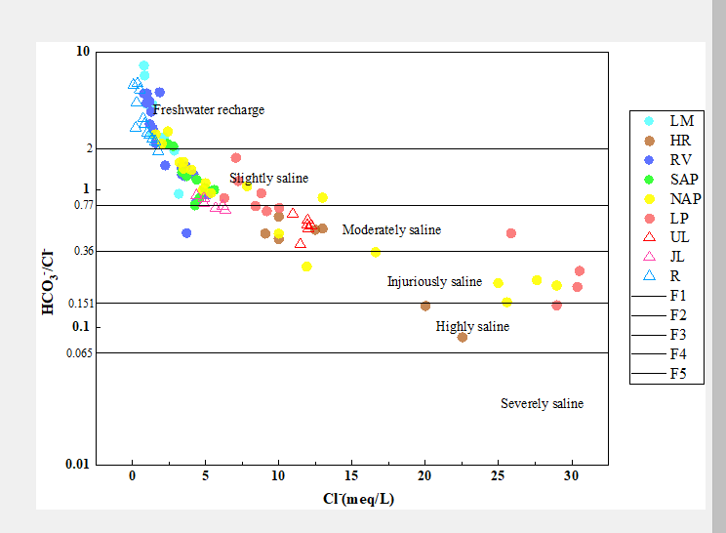
ZK1013 | 0.99718309859 | 5.0016393443
ZK1113 | 1.3971830986 | 3.9016393443
ZK1313 | 1.2985915493 | 4.8016393443
ZK0713 | 1.1971830986 | 3.6016393443
ZK06（上层）13 | 2.2563380282 | 3.4016393443
TJ2211 | 3.3802816901 | 4.9754098361
TJ4311 | 5.1746478873 | 4.7803278689
MJA17711 | 1.8664788732 | 9.5606557377
MJA18211 | 0.9676056338 | 4.1426229508
MJB03211 | 4.1830985915 | 5.4180327869
MJA17111 | 1.1842253521 | 5.2049180328
F3-DR-QSJ-1 | 3.6563380282 | 5.4180327869
F3-GA-QSJ-1（杜热以西顶山以南） | 1.6090140845 | 3.506557377
TJ1841 | 2.7971830986 | 5.8016393443
MJA21141 | 4.5943661972 | 4.0016393443
MJA00741 | 5.5915492958 | 5.6016393443
MJA09041 | 4.3943661972 | 5.2016393443
JJD00711 | 3.7183098592 | 4.6901639344
JJC00311 | 3.4028169014 | 4.5819672131
ZK02（上层） | 2.3971830986 | 5.2016393443
TJ2911 | 4.2676056338 | 3.293442623
MJA01911 | 4.9436619718 | 5.1
MJA22441 | 3.4957746479 | 5.6016393443
TJ1241 | 4.7943661972 | 4.8016393443
TJ2141 | 12.98028169 | 11.403278689
MJA06041 | 9.985915493 | 4.8016393443
MJC10241 | 4.9915492958 | 5.6016393443
ZK08（上层） | 25.563380282 | 3.9016393443
ZK05（上层） | 3.4957746479 | 5.0016393443
TJ0611 | 5.3690140845 | 5.1
TJ1011 | 7.8253521127 | 8.3393442623
TJ1111 | 16.591549296 | 5.8426229508
TJ1511 | 11.898591549 | 3.293442623
TJ1611 | 1.5912676056 | 4.037704918
MJD08511 | 4.0197183099 | 5.631147541
MJD01811 | 3.2253521127 | 5.1
MJD03011 | 2.4315492958 | 6.4803278689
公安（qsi-4）ga-2 | 2.0036619718 | 4.3557377049
YH1 | 28.957746479 | 5.8409836066
YH2 | 24.963380282 | 5.2409836066
YH3 | 27.608450704 | 6.093442623
MJA00711 | 6.2732394366 | 5.4704918033
TJ3441 | 8.7887323944 | 8.3032786885
ZK03 | 28.957746479 | 4.2016393443
MJA00211 | 10.030985915 | 7.4360655738
MJA00311 | 8.4056338028 | 6.4278688525
MJA00411 | 7.061971831 | 12.11147541
MJA00511 | 25.845070423 | 12.536065574
MJA00611 | 7.2253521127 | 8.3918032787
TJ0711 | 30.507042254 | 7.8606557377
TJ0911 | 30.366197183 | 5.9950819672
F3-WLGH-SD（两湖连接） | 9.1774647887 | 6.4409836066
F3-SLA-WLGH-1 | 12.211267606 | 6.7475409836
F3-SLA-WLGH-2 | 11.974647887 | 7.2081967213
F3-SLA-WLGH-3 | 12.025352113 | 6.2868852459
F3-SLA-WLGH-4 | 11.952112676 | 6.6459016393
F3-SLA-WLGH-5 | 11.470422535 | 6.4016393443
F3-SLA-WLGH-6 | 10.963380282 | 7.3295081967
F3-SLA-JLH-1 | 6.3436619718 | 4.5491803279
F3-SLA-JLH-2 | 4.385915493 | 3.9868852459
F3-SLA-JLH-3 | 4.8957746479 | 3.8852459016
F3-SLA-JLH-4 | 4.8929577465 | 4.2491803279
F3-SLA-JLH-5 | 5.6929577465 | 4.2016393443
F3-SLA-JLH-6 | 6.1774647887 | 4.7278688525
R1 | 0.07323943662 | 0.42459016393
R2 | 0.2338028169 | 1.8639344262
R3 | 0.35774647887 | 2.1245901639
R4 | 0.29577464789 | 1.2754098361
R5 | 0.84788732394 | 2.5491803279
R6 | 0.51549295775 | 2.762295082
R7 | 0.74366197183 | 2.4426229508
R8 | 1.0225352113 | 2.6557377049
R9 | 1.1521126761 | 2.868852459
R10 | 1.3633802817 | 3.1868852459
R11 | 1.5577464789 | 3.506557377
R12 | 1.7802816901 | 3.2737704918
ZK01锛堜笂灞傦級13 | 1.4985915493 | 3.5016393443 | 1.4985915493
MJC06011 | 0.49352112676 | 1.9114754098 | 0.49352112676
ZK05（下层） | 1.8704225352 | 2.7459016393 | 1.8704225352
ZK06（下层）13 | 1.3154929577 | 3.0016393443 | 1.3154929577
JJD00211 | 0.87211267606 | 3.2393442623 | 0.87211267606
ZK1213 | 0.93521126761 | 3.7573770492 | 0.93521126761

F3-SRE-FHSK | 0.94394366197 | 2.4967213115 | 0.94394366197

