SI 2-Sofa without melamine FR
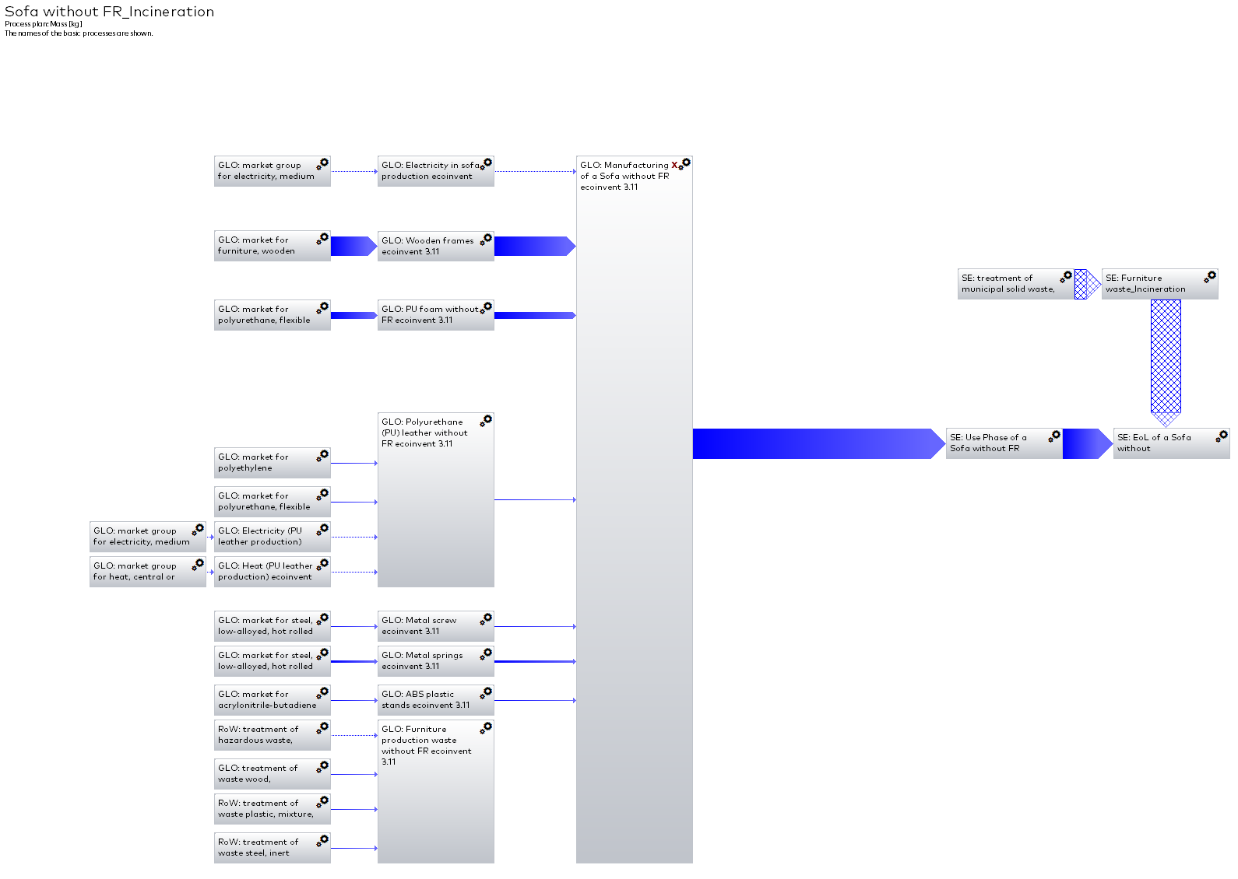

SI 3-Sofa with melamine FR
